FRONT PAGE
con
Inventory of Carbon & Energy (ICE)
Version 2.0
Prof. Geoff Hammond & Craig Jones
Sustainable Energy Research Team (SERT)
Department of Mechanical Engineering
University of Bath, UK
This project was joint funded under the Carbon Vision Buildings program by:
www.bath.ac.uk/mech-eng/sert/embodied
© University of Bath 2011

 | version history

 | Release number | Date | Updates
 | V1.1 beta | Oct-05 | N/A
 | V1.2 beta | Nov-05 | Updated emission factors to Carbon trust recommended values, hence changes to embodied carbon
 | V1.3 beta | Dec-05 | Added historical embodied carbon data (where possible) & updated statistics after new literature review
 | V1.4 beta | Jul-06 | Updated all database statistics, scatter graphs, changed handling of feedstocks and minor corrections
 | V1.5 beta | Nov-06 | Updated embodied carbon, fuel split, carbon split and selected embodied carbon values
 | V1.6a | Jun-08 | Revised several embodied energy and carbon coefficients, added two new material profiles, updated embodied carbon calculations & fuel splits.
 | V2.0 | Jan-11 | See the spreadhseet 'Changes from V1.6a' for details of the updates

Changes from V1.6a
ICE (Inventory of Carbon & Energy)

V2.0 - Update Notes

This is Version 2.0 of the Inventory of Carbon & Energy (ICE). It has a number of important updates over the previous version (V1.6a). This is the first time an excel version of the database has been released.
Notable updates in V2.0:
- The majority of the data has been converted to CO₂e which captures more than just carbon dioxide (methane, PFC's...etc). For the data that wasn't converted to CO₂e you will find a generic conversion factor at the bottom of the main summary table.
- There is a change of calculation for the embodied carbon of timber products. Biogenic carbon storage and carbon sequestration are still excluded from the data. However the new data separates carbon dioxide emissions released from fossil fuels and those from the burning of biomass fuel (i.e. timber off cuts). This allows the users to assume if the biomass proportion is CO₂ neutral or not.
- We have revised the recycled content approach to a 3-year average recycled content. We have also included the EU average recycled content for steel as well as a global average (this is explained in Annex B). This was not justifiable for other metals such as aluminium or copper and the world average recycled content remains.
- Data on cement has been brought in line with British Cement Association data.
- We have worked with the concrete centre to revise the ICE cement, mortar and concrete model, underlying data and materials profiles. Consequently the data is much improved.
- There is new UK specific data for precast concrete, much improved and more flexible data over the old ICE.
- Aggregates and sand are now estimated from recorded UK industrial fuel consumption data.
- Asphalt mixtures have been modelled from the binder content and the UK recorded mixing energy.
- There is now data on recycled glass.
- There are also notable improvements in the data for copper, carpets, paint, roads, rubber, sealants and adhesives, soil and stone.
- However, there is a formatting issue with some of the graphs when viewed in excel 2007. The graphs move around sometimes when zooming in and out. This wasn't an issue in excel 2003.

Annex B - Methods for Recycling
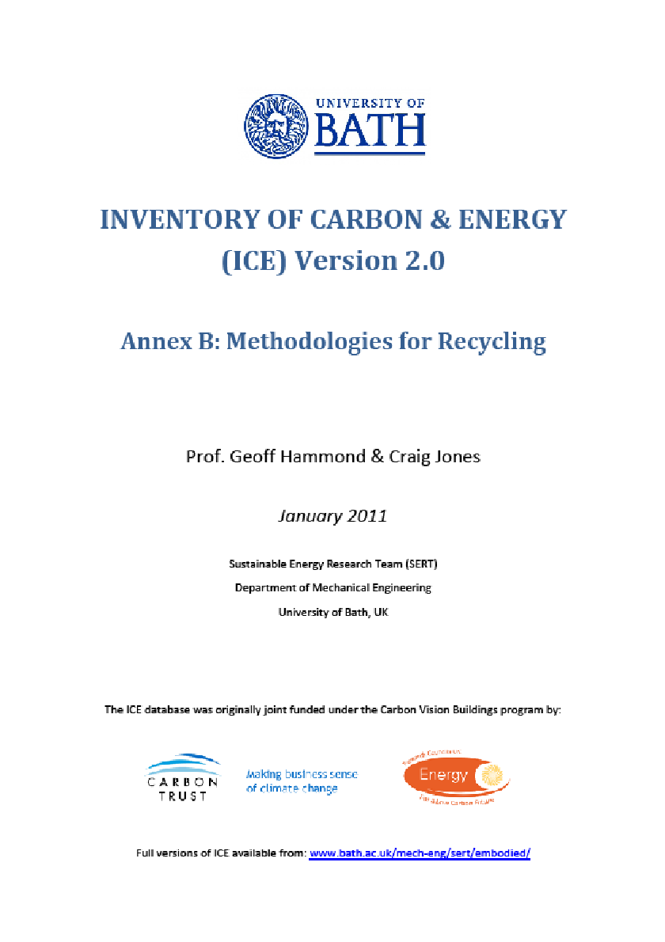
d
 | Annex B: Methodologies for (Metal) Recycling

 | This is an embedded pdf file. Double click on the image below to open the pdf document.

Material Profiles Guide
Guide to the Material Profiles
The following worksheets contain profiles of the main materials within this inventory. The inventory was created through manually analysing the separate ICE-Database, which stored data on each value of embodied energy/carbon (i.e. Data source and where possible a hyperlink to the report, year of data, boundary conditions, fuel mix, specific comments...etc). The full ICE database contains far more detail than available in this inventory. These profiles have been created to present a summary of the database and to present the embodied energy & carbon values. Below you will find an example of a profile (largely blank) which has been separated into smaller segments to allow a clearer annotation of each section.

Section 1: Database statistics

The materials were broken down into sub-categories, which reflected how the data is stored within the database. Most materials have a general category, and are possibly broken down into more specific forms i.e. Aluminium general, Aluminium extruded…etc. Each of the sub-categories are then broken down into further classifications according to the recycled/virgin content of the material. In many cases the authors of the data sources have not specified this data, hence it was required to create an unspecified classification.

Here are simple statistics from the main ICE-Database. They include the number of records within the database, which represents the sample size that was used to select this data. This may be used as a (simple) indicator of the quality and reliability of the selected values. Additional statistics include the average embodied energy (EE) from the literature; this should not be used in place of the selected values. The ICE database stored the data as published by the original author, hence each record had different boundary conditions or were for a very specific/rare form of the material. These facts can not be represented by statistics but only with manual examination of the ICE-Database records. However, in many cases these statistics are similar to the selected 'best' values. Finally, the standard deviation and a full data range are presented to maintain an openness to this inventory.

Material Profile: Example
Embodied Energy (EE) ICE-Database Statistics - MJ/Kg
Main Material | No. Records |  |  | Average EE |  |  | Standard Deviation | Minimum EE | Maximum EE | Comments on the Database Statistics:
Material
Sub-Material Category
100% Recycled
50% Recycled
Other Specification
Unspecified
Virgin
Section 2: Selected (or 'Best') values of embodied energy & carbon

The values of embodied energy are presented here; the example below is only for materials that can be recycled, i.e. metals. The format of presentation has minor variations according to the needs of the data being presented. The 'general' material classification is the value that should be used if unsure of which value to select. The primary material is for predominantly virgin materials and secondary for predominantly recycled materials i.e. many authors allow a slight fraction of recycled material under a primary classification, but these are not always stated. Alternatively a recycled content could be assumed and these values can be used to estimate the embodied energy for any given recycled content.
The embodied carbon has been presented separately. Again the values distinguish between primary (virgin) materials, secondary (recycled) materials and the average value typical of the UK market place.
The best range is what the author of this work believes to be a more appropriate range than the full range given in the database statistics (presented in section 1, above). The selection of the range and the 'best' values of embodied energy was not an easy task, especially with so many holes in data provided by authors, but they provide a useful insight into the potential variations of embodied energy within this material. The selected coefficient of embodied energy may not fall within the centre of the range for a number of reasons. The selected value of embodied energy tries to represent the average on the marketplace. However, variations in manufacturing methods or factory efficiency are inevitable.

Selected Embodied Energy & Carbon Coefficients and Associated Data
Material | Embodied Energy - MJ/Kg |  |  | Embodied Carbon - Kg CO2/Kg |  |  | Boundaries | Best EE Range - MJ/Kg |  | Specific Comments
 | UK Typical | Primary | Secondary | UK Typical | Primary | Secondary |  | Low EE | High EE
General Material |  |  |  |  |  |  | Cradle to Gate | (+/-30%)
Cast Products
Extruded
Rolled

Comments

Section 3: Scatter Graph and Fuel split & embodied carbon split

There is a scatter graph for each material (Sometimes more than one scatter graph where it is beneficial). The scatter graph plots the year of data versus the value of embodied energy for each data point in the database. This maintains the transparency of this inventory and highlights any historical variations in data values, which may be a result of technological shifts. It could also be determined whether a small number of data points distort the above database statistics.
The fuel split is presented here along with the fraction of embodied carbon resulting from the energy source (or additional carbon released from non-energy sources). Ideally this data will be specified by authors completing a detailed study, but this was seldom the case and in many cases this data was estimated from the typical fuel mix within the relevant UK industry which was obtained from the Department of Trade and Industry (DTI). In several cases it was not possible to provide a fuel mix or carbon breakdown. Here the typical embodied carbon was estimated based on values specified by authors in the literature.
Where possible the historical embodied carbon per unit fuel (energy) use was calculated as an index of 1990 data. This data is general and was estimated from the typical fuel split in the most appropriate industry. It was not a detailed analysis, in that it is generalised for the entire industry and not for specific products. It illustrates any improvement in carbon emissions since 1990 and the variation in carbon contributions by (fuel) source. This section does not appear on all profiles

Material Scatter Graph |  |  |  |  |  |  |  | Embodied Energy & Embodied Carbon Split
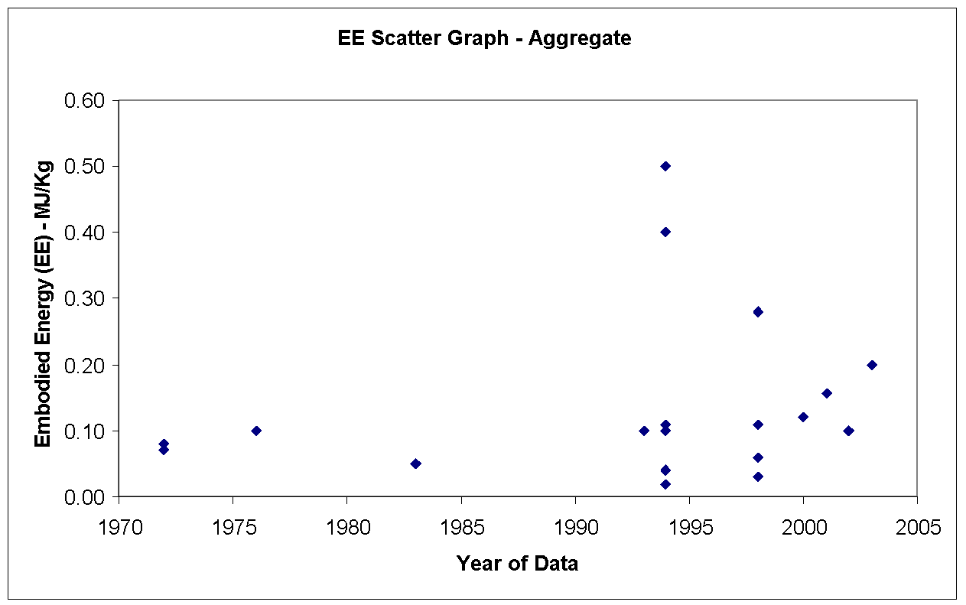 |  |  |  |  |  |  |  | Energy source | % of Embodied Energy from energy source | % of embodied carbon from source

 |  |  |  |  |  |  |  | Coal

 |  |  |  |  |  |  |  | LPG

 |  |  |  |  |  |  |  | Oil

 |  |  |  |  |  |  |  | Natural gas

 |  |  |  |  |  |  |  | Electricity

 |  |  |  |  |  |  |  | Other

 |  |  |  |  |  |  |  | Total | 0.0% | 0.0%

 |  |  |  |  |  |  |  | Fuel Split & Embodied Carbon Comments:

 |  |  |  |  |  |  |  | Historical embodied carbon per unit fuel use

 |  |  |  |  |  |  |  | 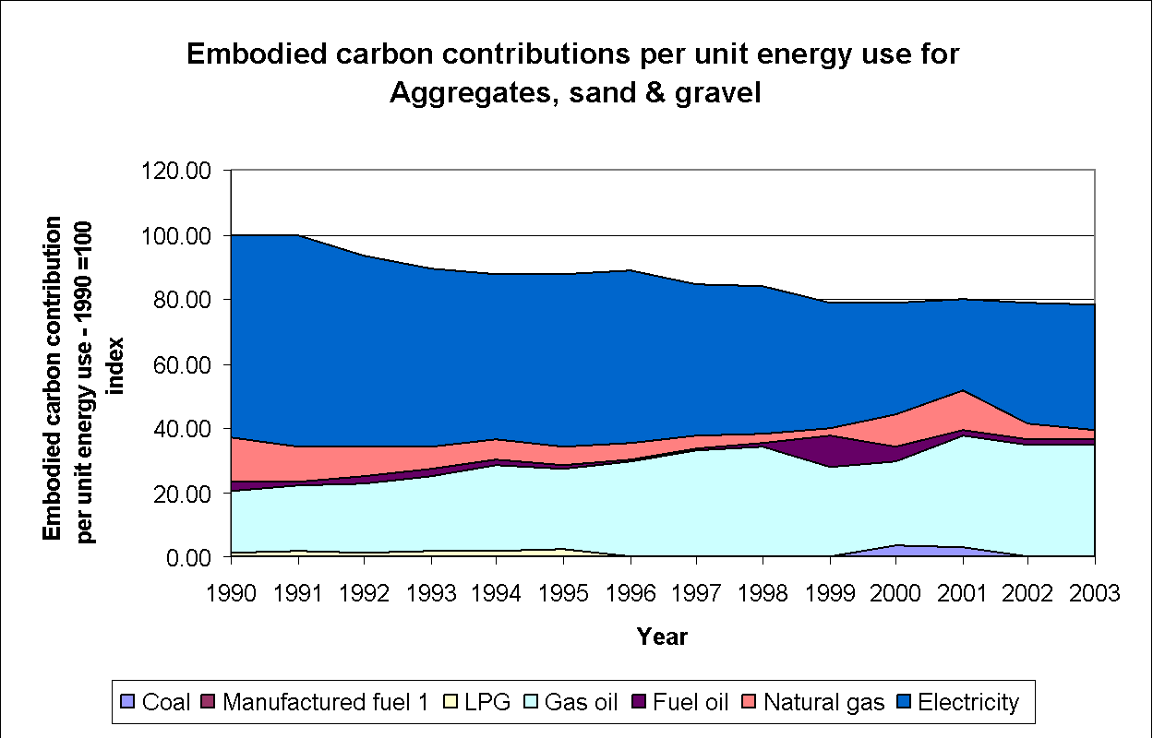

Section 4: Material Properties (CIBSE Data)

Data extracted from the most recent CIBSE guide (Volume A) is presented here for each material. The list of materials here was in many cases more specific than there is data available on embodied energy. But it may be possible to estimate the appropriate embodied energy from the most similar material in the inventory or to use the general category.

Material Properties (CIBSE Data)
Material |  |  | Condition |  | Thermal conductivity (W-m-1 K-1) |  | Density (kg m -3) |  | Specific heat (J kg-1 K-1) | Thermal Diffusivity (M^2 S-1)
Material |  |  |  |  | 230 |  | 2700 |  | 880 | 0.0000968013468
Material Galvanised |  |  |  |  | 45 |  | 7680 |  | 420 | 0.00001395089286

Aggregate
Return To Main Summary

Material Profile: Aggregate
Embodied Energy (EE) ICE-Database Statistics - MJ/Kg
Main Material | No. Records | Average EE | Standard Deviation | Minimum EE | Maximum EE | Comments on the Database Statistics:
Aggregate | 37 | 0.11 | 0.12 | 0.01 | 0.50 | None
Aggregate, General | 37 | 0.11 | 0.12 | 0.01 | 0.50
Predominantly Recycled | 3 | 0.25 | 0.21 | 0.10 | 0.40
Unspecified | 17 | 0.11 | 0.07 | 0.02 | 0.28
Virgin | 17 | 0.10 | 0.15 | 0.01 | 0.50
Selected Embodied Energy & Carbon Coefficients and Associated Data
Material | Embodied Energy - MJ/Kg | Embodied Carbon - Kg CO2e/Kg | Boundaries | Best EE Range - MJ/Kg |  | Specific Comments
 |  |  |  | Low EE | High EE
General Aggregate | 0.083 | 0.0052 | Cradle to Gate | 0.05 | 0.25 | Estimated from UK industrial fuel consumption data.

Comments | It should be noted that the scatter graph does not display all of the data necessary to select a 'best' embodied energy/carbon coefficient, for example the boundary conditions are missing (cradle to site, cradle to gate...etc). These are stored in the full database and were considered during the selection process. Transport is often considered to be a significant contributor for aggregates.

Material Scatter Graph |  |  |  | Embodied Energy & Embodied Carbon Split
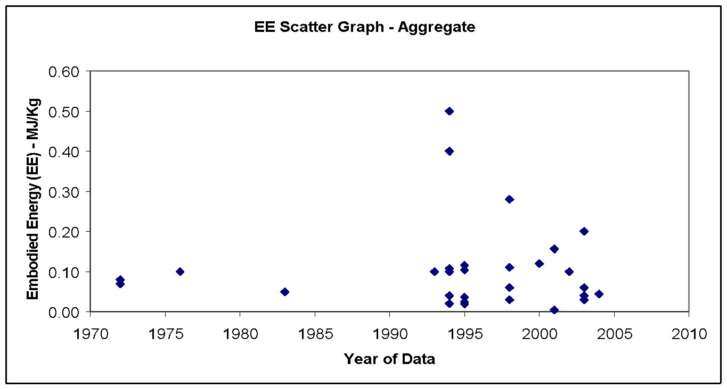 |  |  |  | Energy source | % of Embodied Energy from energy source | % of embodied carbon from source

 |  |  |  | Coal | 0.0% | 0.0%

 |  |  |  | LPG | 0.0% | 0.0%

 |  |  |  | Oil | 26.5% | 29.8%

 |  |  |  | Natural gas | 8.0% | 6.6%

 |  |  |  | Electricity | 65.5% | 63.6%

 |  |  |  | Other | 0.0% | 0.0%

 |  |  |  | Total | 100.0% | 100.0%

 |  |  |  | Comments:

 |  |  |  | The embodied carbon was estimated by assuming the UK typical fuel split in this industry, the resulting value is in agreement with other results in the literature.

Note Space |  |  |  | Historical embodied carbon per unit fuel use

 |  |  |  | 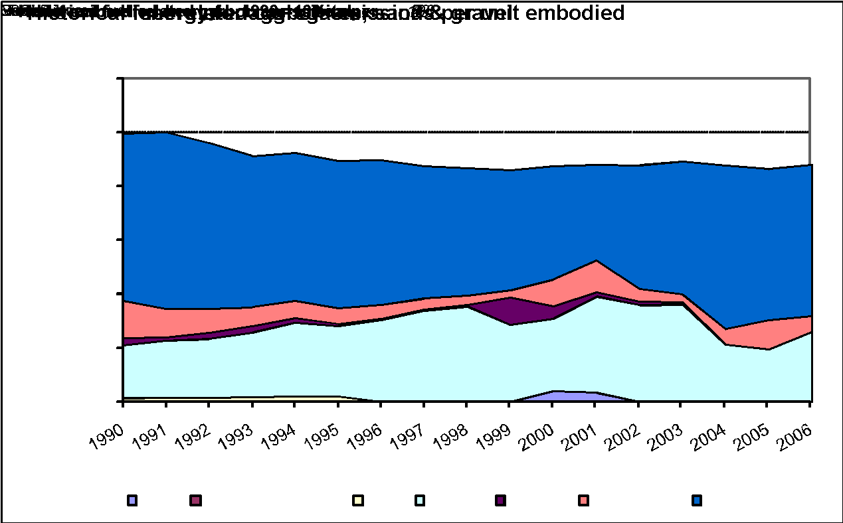

Material Properties (CIBSE Data)
Material |  | Condition | Thermal conductivity (W-m-1 K-1) | Density (kg m -3) | Specific heat (J kg-1 K-1) | Thermal Diffusivity (M^2 S-1)
aggregate |  | Undried | 1.8 | 2240 | 840 | 9.5663E-07
aggregate (sand, gravel or stone) |  | Oven dried | 1.3 | 2240 | 920 | 6.3082E-07

Aluminium
Return To Main Summary

Material Profile: Aluminium
Embodied Energy (EE) ICE-Database Statistics - MJ/Kg
Main Material | No. Records |  |  | Average EE |  |  | Std Deviation | Minimum EE | Maximum EE | Comments on the Database Statistics:
Aluminium | 111 |  |  | 157.1 |  |  | 104.7 | 8.0 | 382.7 | There was a large sample size, with many high quality data sources.
Aluminium, General | 111 |  |  | 157.1 |  |  | 104.7 | 8.0 | 382.7
50% Recycled | 4 |  |  | 108.6 |  |  | 53.4 | 58.0 | 184.0
Other Specification | 3 |  |  | 146.5 |  |  | 79.3 | 55.0 | 193.5
Predominantly Recycled | 28 |  |  | 17.9 |  |  | 8.7 | 8.0 | 42.9
Unspecified | 14 |  |  | 169.1 |  |  | 67.0 | 68.0 | 249.9
Virgin | 62 |  |  | 224.1 |  |  | 68.5 | 39.2 | 382.7
Selected Embodied Energy & Carbon Coefficients and Associated Data
Material | Embodied Energy - MJ/Kg |  |  | Embodied Carbon - Kg CO2e/Kg |  |  | Boundaries | Best EE Range - MJ/Kg |  | Specific Comments
 | Typical | Primary | Secondary | Typical | Primary | Secondary |  | Low EE | High EE
General Aluminium | 155 | 218 | 29 | 9.16 | 12.79 | 1.81 | Cradle to Gate | (+/-20%) |  | General aluminium assumed a UK ratio of 25.6% extrusions, 55.7% Rolled & 18.7% castings and a worldwide average recycled content of 33%. For feedstock energy please see the main ICE summary tables at the front of the report.
Cast Products | 159 | 226 | 25 | 9.22 | 13.10 | 1.45
Extruded | 154 | 214 | 34 | 9.08 | 12.50 | 2.12
Rolled | 155 | 217 | 28 | 9.18 | 12.80 | 1.79

Comments | The worldwide average data was obtained from the International Aluminium Institute (IAI) was considered to be the primary data resource for world aluminium, the data is freely available from the IAI website. The averages from the ICE database statistics were in good agreement with the above (selected) values. The data for 'general aluminium' was calculated by assuming the UK consumption split of different forms of aluminium. The selected value for secondary aluminium was towards the top of the full data range. This was because the selected values have a higher level of fabrication than some data resources (i.e. extrusion versus an ingot). Primary aluminium production requires feedstock energy due to the use of coke as a raw material in the production of carbon anodes. Please see Annex A on recycling methodology.

Material Scatter Graph |  |  |  |  |  |  |  | Embodied Energy & Embodied Carbon Split
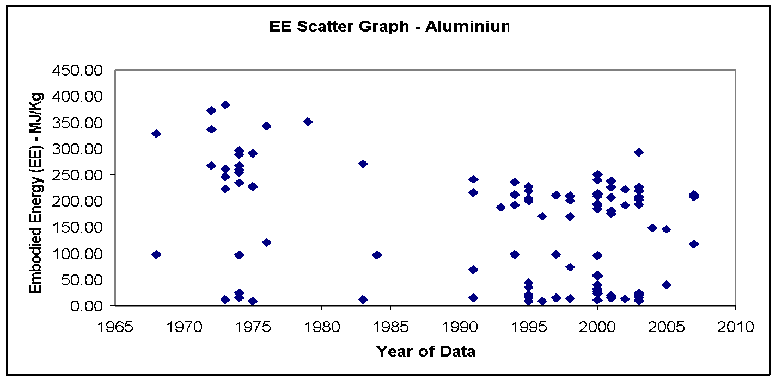 |  |  |  |  |  |  |  | Energy source | % of Embodied Energy from energy source | % of embodied carbon from source

 |  |  |  |  |  |  |  | Electricity | 63.6% | 57.2%

 |  |  |  |  |  |  |  | Other | 36.4% | 42.8%

 |  |  |  |  |  |  |  | Total | 100.0% | 100.0%

 |  |  |  |  |  |  |  | Comments:

 |  |  |  |  |  |  |  | The fraction of energy and carbon from electricity was extracted from the IAI (International Aluminium Institute) data.

Material Properties (CIBSE Data)
Material |  |  | Condition |  | Thermal conductivity (W-m-1 K-1) |  | Density (kg m -3) |  | Specific heat (J kg-1 K-1) | Thermal Diffusivity (M^2 S-1)
aluminium |  |  |  |  | 230 |  | 2700 |  | 880 | 0.0000968013468

Asphalt
Return To Main Summary

Material Profile: Asphalt
Embodied Energy (EE) ICE-Database Statistics - MJ/Kg
Main Material | No. Records | Average EE | Standard Deviation | Minimum EE | Maximum EE | Comments on the Database Statistics:
Asphalt | 17 | 6.63 | 11.89 | 0.20 | 50.20 | There was a large data range, some of the collected data included feedstock energy but others excluded it. This was problematic and was complicated by the fact that it was not always possible to determine if the feedstock energy was included or excluded! An additional indication of the difficulty in selecting the 'best' value was that the standard deviation was much higher than the mean Value.
Asphalt, General | 17 | 6.63 | 11.89 | 0.20 | 50.20
Predominantly Recycled | 2 | 7.32 | 0.28 | 7.12 | 7.52
Unspecified | 13 | 7.46 | 13.47 | 0.23 | 50.20
Virgin | 2 | 0.49 | 0.40 | 0.20 | 0.77
Selected Embodied Energy & Carbon Coefficients and Associated Data
Material | Embodied Energy - MJ/Kg | Feedstock Energy (Included) - MJ/Kg | Embodied Carbon - Kg CO2e/Kg | Boundaries | Best EE Range - MJ/Kg |  | Specific Comments
 |  |  |  |  | Low EE | High EE
Asphalt, 4% (bitumen) binder content (by mass) | 2.86 | 1.68 | 0.066 | Cradle to Gate | (+/- 30%) |  | Modelled from the bitumen binder content. The fuel consumption of asphalt mixing operations was taken from the quarry products association, it represents typical UK industrial data. Feedstock energy is from the bitumen content.
Asphalt, 5% binder content | 3.39 | 2.1 | 0.071
Asphalt, 6% binder content | 3.93 | 2.52 | 0.076
Asphalt, 7% binder content | 4.46 | 2.94 | 0.081
Asphalt, 8% binder content | 5.00 | 3.36 | 0.086

Comments | Asphalt is a mixture of mineral aggregates with a bituminous binder, however in the US the term 'asphalt' is sometimes used as the term for 'bitumen' itself. This can cause confusion, especially when considering the large difference in embodied energy of these two distinct materials. The scatter graph below displays a large range, with the above selected values towards the lower end of the range. This was most likely because many of the resources did not specify if the data included feedstock energy (in fact most of them probably included them). There was a further problem if authors assumed that asphalt and bitumen had the same embodied energy (which is particularly inaccurate). Consequentially the scatter graphs must be viewed with caution (in this case).

Material Scatter Graph |  |  |  |  | Embodied Energy & Embodied Carbon Split
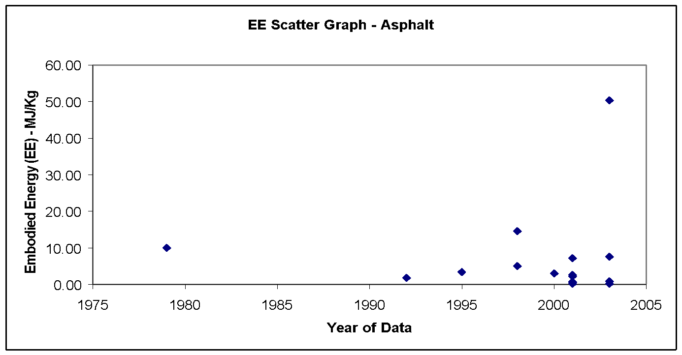 |  |  |  |  | No fuel split or embodied carbon breakdown was available.

Material Properties (CIBSE Data)
Material | Condition | Thermal conductivity (W-m-1 K-1) |  | Density (kg m -3) | Specific heat (J kg-1 K-1) | Thermal Diffusivity (M^2 S-1) | Comments
Asphalt A |  | 0.5 |  | 1700 | 1000 | 0.0000002941176471 | The CIBSE guide provides two sets of values from different sources
Asphalt B |  | 1.2 |  | 2300 | 1700 | 0.0000003069053708
poured |  | 1.2 |  | 2100 | 920 | 0.0000006211180124
reflective coat |  | 1.2 |  | 2300 | 1700 | 0.0000003069053708
roofing, mastic |  | 1.15 |  | 2330 | 840 | 0.0000005875740854

Bitumen
Return To Main Summary

Material Profile: Bitumen
Embodied Energy (EE) ICE-Database Statistics - MJ/Kg
Main Material | No. Records | Average EE | Standard Deviation | Minimum EE | Maximum EE | Comments on the Database Statistics:
Bitumen | 7 | 17.91 | 20.21 | 2.40 | 50.00 | Very poor data availability and very large data range.
Bitumen, General | 7 | 17.91 | 20.21 | 2.40 | 50.00
Unspecified | 6 | 20.50 | 20.84 | 3.38 | 50.00
Virgin | 1 | 2.40 | 2.40 | 2.40 | -
Selected Embodied Energy & Carbon Coefficients and Associated Data
Material | Embodied Energy - MJ/Kg | Feedstock Energy (Included) - MJ/Kg | Embodied Carbon - Kg CO2e/Kg | Boundaries | Best EE Range - MJ/Kg |  | Specific Comments
 |  |  |  |  | Low EE | High EE
General Bitumen | 51 | 42 | 0.43 - 0.55 (?) | Cradle to Gate | (+/- 30%) |  | Uncertain embodied carbon

Comments | Bitumen is a black/brown, sticky substance that is often used in paving roads or for waterproofing. Bitumen may be natural (crude bitumen) or synthetic (refined). Refined bitumen is the residual (bottom) fraction obtained by fractional distillation of crude oil. Naturally occurring crude bitumen is the prime feed stock for petroleum production from tar sands, of which the largest know reserves are in Canada. Bitumen must not be confused with asphalt, which is a mineral aggregate with a bituminous binder, however in the US the term 'asphalt' is used as the term for 'bitumen'. For selection of best values we experienced similar problems to asphalt (Bitumen is used to make asphalt), but with a smaller sample size. There was additional confusion as a result of the English speaking languages (British, American, Australian and Canadian) using the term 'Bitumen' in different ways. The present authors believe that the large data range can mainly be attributed to the inclusion or exclusion so feedstock energy in the data. Bitumen is produced from oil, as such it has a high feedstock energy value. The inconsistencies between data made the range appear larger than it should be.

Material Scatter Graph |  |  |  |  | Embodied Energy & Embodied Carbon Split
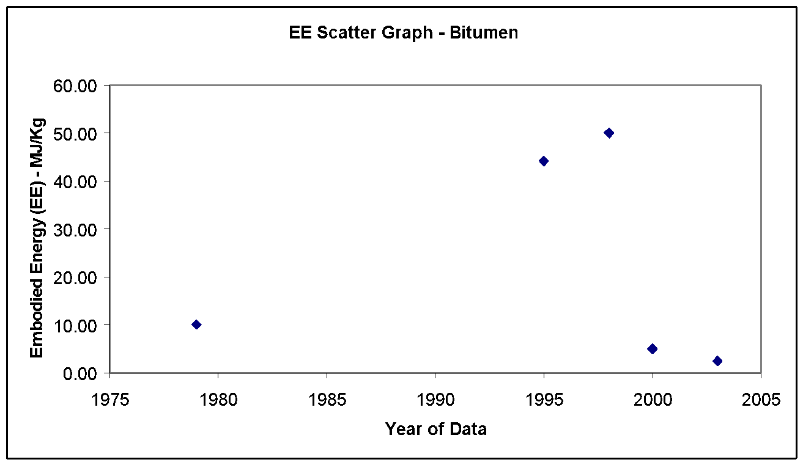 |  |  |  |  | No fuel split or embodied carbon breakdown was available.

Material Properties (CIBSE Data)
Material |  | Condition | Thermal conductivity (W-m-1 K-1) |  | Density (kg m -3) | Specific heat (J kg-1 K-1) | Thermal Diffusivity (M^2 S-1)
Bitumen, composite, flooring |  |  | 0.85 |  | 2400 | 1000 | 0.0000003541666667
Bitumen, insulation, all types |  |  | 0.2 |  | 1000 | 1700 | 0.0000001176470588

Brass
Return To Main Summary

Material Profile: Brass
Embodied Energy (EE) ICE-Database Statistics - MJ/Kg
Main Material | No. Records | Average EE | Standard Deviation | Minimum EE | Maximum EE | Comments on the Database Statistics:
Brass | 9 | 80.70 | 71.87 | 16.81 | 239.00 | Poor data quantity
Brass, General | 9 | 80.70 | 71.87 | 16.81 | 239.00
Other Specification | 1 | 39.00 | 39.00 | 39.00 | -
Predominantly Recycled | 1 | 20.00 | 20.00 | 20.00 | -
Unspecified | 5 | 113.95 | 72.67 | 62.00 | 239.00
Virgin | 2 | 16.81 | 16.81 | 16.81 | -
Selected Embodied Energy & Carbon Coefficients and Associated Data
Material | Embodied Energy - MJ/Kg | Embodied Carbon - Kg CO2e/Kg | Boundaries | Best EE Range - MJ/Kg |  | Specific Comments
 |  |  |  | Low EE | High EE
General Brass | 44 | 2.64 (?) | Cradle to Gate | Wide Range |  | 60% recycled material was assumed
Primary Brass | 80 | 4.80 (?) |  | 60 | 100
Secondary Brass | 20 | 1.20 (?) |  | 10 ? | 30 ?

Comments | largely dependent upon ore grade. There was poor carbon data in the literature. The embodied carbon was estimated based on the mix of fuels in the UK brass industry. This method was not ideal. Assumed recycled content of 60%.

Material Scatter Graph |  |  |  | Embodied Energy & Embodied Carbon Split
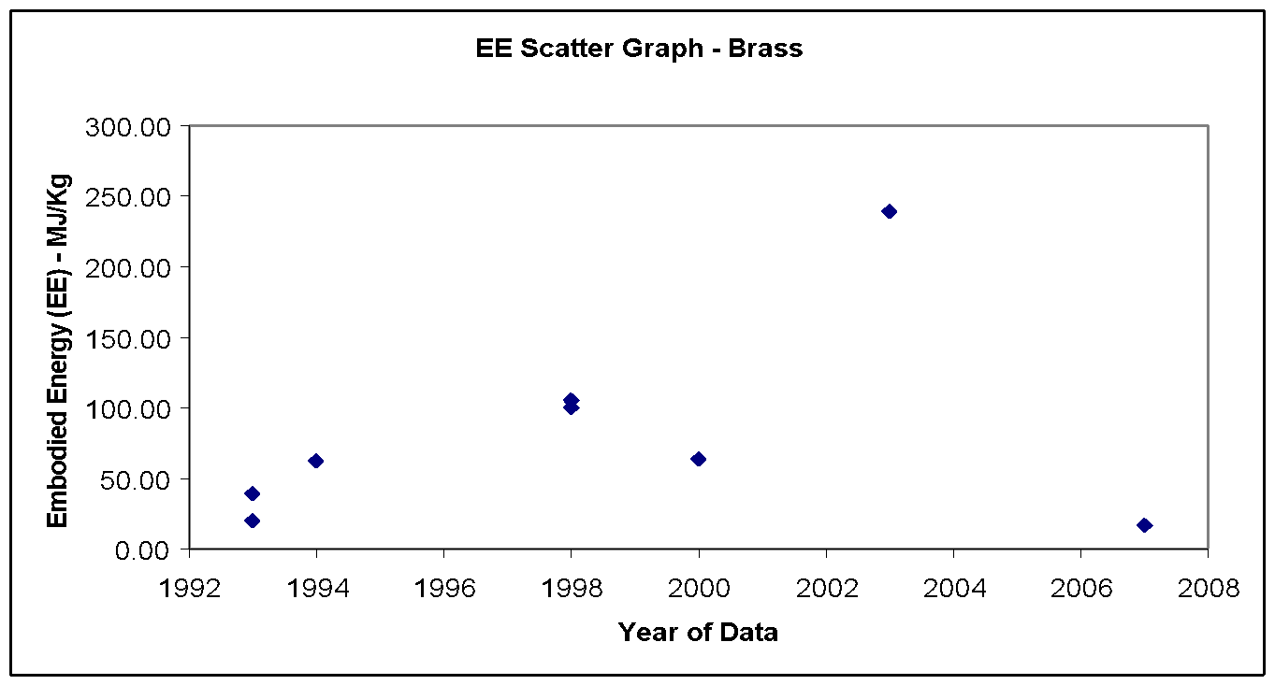 |  |  |  | Energy source | % of Embodied Energy from energy source | % of embodied carbon from source

 |  |  |  | Coal | 3.4% | 5.1%

 |  |  |  | LPG | 0.0% | 0.0%

 |  |  |  | Oil | 0.8% | 0.9%

 |  |  |  | Natural gas | 8.8% | 7.5%

 |  |  |  | Electricity | 87.0% | 86.5%

 |  |  |  | Other | 0.0% | 0.0%

 |  |  |  | Total | 100.0% | 100.0%

 |  |  |  | Comments:

 |  |  |  | The embodied carbon was estimated by assuming the UK typical fuel split in this industry.

Note Space |  |  |  | Historical embodied carbon per unit fuel use

 |  |  |  | 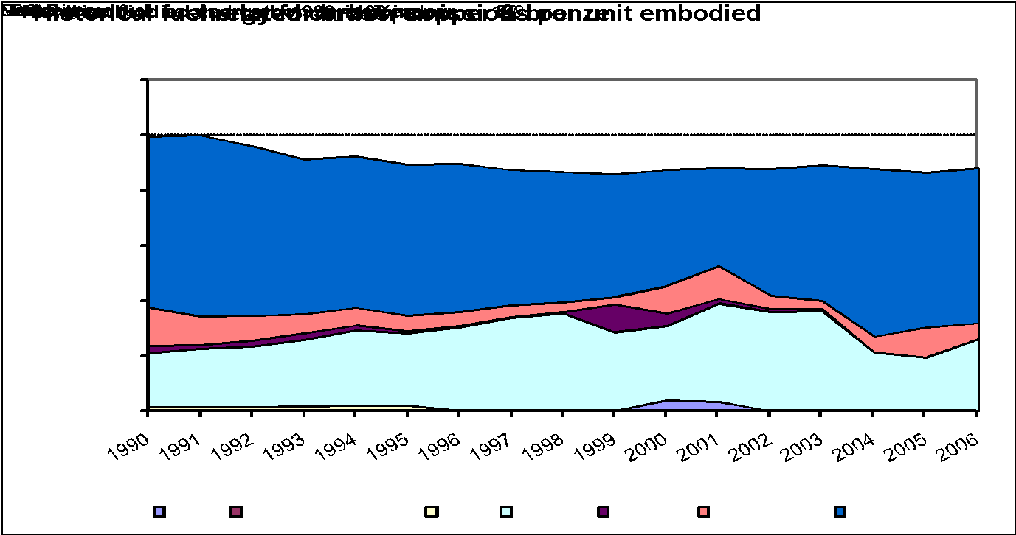

Material Properties (CIBSE Data)
Material |  | Condition | Thermal conductivity (W-m-1 K-1) | Density (kg m -3) | Specific heat (J kg-1 K-1) | Thermal Diffusivity (M^2 S-1)
brass |  |  | 110 | 8500 | 390 | 0.00003318250377

Carpet
Return To Main Summary

Material Profile: Carpets
Embodied Energy (EE) ICE-Database Statistics - MJ/Kg
Main Material | No. Records | Average EE | Standard Deviation | Minimum EE | Maximum EE | Comments on the Database Statistics:
Carpet | 40 | 90.98 | 62.07 | 3.00 | 390.00 | None
Carpet | 40 | 90.98 | 62.07 | 3 | 390
Unspecified | 40 | 90.98 | 62.07 | 3 | 390
Selected Embodied Energy & Carbon Coefficients and Associated Data
Material | Embodied Energy - MJ/Kg | Embodied Carbon - Kg CO2e/Kg | Boundaries | Best EE Range - MJ/Kg |  | Specific Comments
 |  |  |  | Low EE | High EE
General Carpet | 74 (187 per sqm) | 3.9 (9.8 per sqm) CO2 only | Cradle to Grave | 44.4 | 104.4 | Difficult to estimate, Estimated from Ref. 94.
Felt (Hair and Jute) Underlay | 19 | 0.97 CO2 only |  | (+/- 30%) |  | Estimated from Ref. 94.
Nylon (Polyamide), pile weight 300 g/m2 | 130 MJ per sqm | 6.7 |  | (+/- 30%) |  | Total weight of this carpet 1,477 g/m2. See Refs. 277 & 279. These carpets (inc. below) are a tufted surface pile made of 100% nylon (polyamide) with a woven textile backing and flame proofed on the basis of aluminium hydroxide.
Nylon (Polyamide), pile weight 500 g/m2 | 180 MJ per sqm | 9.7 |  |  |  | Total weight of this carpet 1,837 g/m2. See Refs. 277 & 279.
Nylon (Polyamide), pile weight 700 g/m2 | 230 MJ per sqm | 12.7 |  |  |  | Total weight of this carpet 2,147 g/m2. See Refs. 277 & 279.
Nylon (Polyamide), pile weight 900 g/m2 | 277 MJ per sqm | 15.6 |  |  |  | Total weight of this carpet 2,427 g/m2. See Refs. 277 & 279.
Nylon (Polyamide), pile weight 1100 g/m2 | 327 MJ per sqm | 18.4 |  |  |  | Total weight of this carpet 2,677 g/m2. See Refs. 277 & 279.
Nylon (Polyamide) carpet tiles, pile weight 300 g/m2 | 178 MJ per sqm | 7.75 |  | (+/- 30%) |  | Total weight of this carpet 4,123 g/m2. See Refs. 277 & 279. These carpet tiles (inc. below) are a tufted surface pile made of 100% nylon (polyamide) fleece-covered bitumen backing and flame-proofed on the basis of aluminium hydroxide
Nylon (Polyamide) carpet tiles, pile weight 500 g/m2 | 229 MJ per sqm | 10.7 |  |  |  | Total weight of this carpet 4,373 g/m2. See Refs. 277 & 279.
Nylon (Polyamide) carpet tiles, pile weight 700 g/m2 | 279 MJ per sqm | 13.7 |  |  |  | Total weight of this carpet 4,623 g/m2. See Refs. 277 & 279.
Nylon (Polyamide) carpet tiles, pile weight 900 g/m2 | 328 MJ per sqm | 16.7 |  |  |  | Total weight of this carpet 4,873 g/m2. See Refs. 277 & 279.
Nylon (Polyamide) carpet tiles, pile weight 1100 g/m2 | 378 MJ per sqm | 19.7 |  |  |  | Total weight of this carpet 5,123 g/m2. See Refs. 277 & 279.
Polyethylterepthalate (PET) | 106 | 5.56 CO2 only |  | (+/- 30%) |  | Includes feedstock energy
Polypropylene | 95.4 (120 MJ/sqm) | 4.98 (6.26 per sqm) CO2 only |  |  |  | Includes feedstock energy
Polyurethane | 72 | 3.76 CO2 only |  |  |  | Includes feedstock energy
Rubber | 68 to 140 | 3.61 to 7.48 CO2 only |  | - | -
Saturated Felt Underlay (impregnated with Asphalt or tar) | 32 | 1.65 CO2 only |  | (+/- 30%) |  | Estimated from Ref. 94.
Wool | 106 (84 MJ/sqm) | 5.53 (4.38 per sqm) CO2 only |  |  |  | See Refs. 65, 202 & 282 (Same author).

Comments | The majority of the above data was selected from the American Institute of Architects Environmental Resource Guide (Reference 92), with the notable exception of the nylon carpets, which were taken from references 277 and 279 (and converted to gross calorific values). There was generally a shortage of quality data.

Material Scatter Graph |  |  |  | Embodied Energy & Embodied Carbon Split
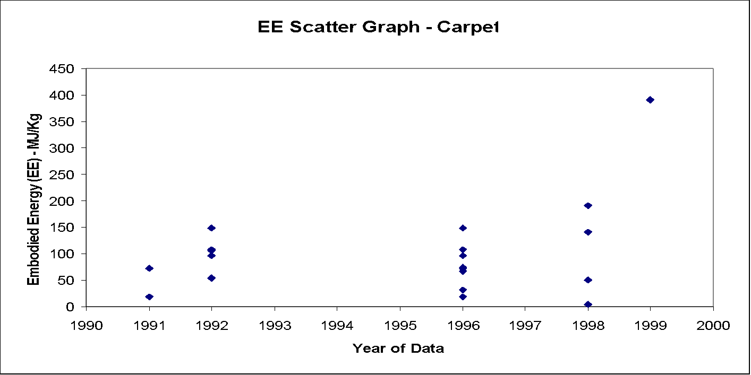 |  |  |  | Energy source | % of Embodied Energy from energy source | % of embodied carbon from energy source

 |  |  |  | Coal | 0.0% | 0.0%

 |  |  |  | LPG | 0.0% | 0.0%

 |  |  |  | Not enough data for accurate range. Likely to be high. | 9.8% | 12.0%

 |  |  |  | Natural gas | 36.6% | 32.5%

 |  |  |  | Electricity | 53.6% | 55.5%

 |  |  |  | Other | 0.0% | 0.0%

 |  |  |  | Total | 100.0% | 100.0%

 |  |  |  | Comments:

 |  |  |  | The embodied carbon was estimated by using the UK typical fuel split in this industry.

Material Properties (CIBSE Data)
Material |  | Condition | Thermal conductivity (W-m-1 K-1) | Density (kg m -3) | Specific heat (J kg-1 K-1) | Thermal Diffusivity (M^2 S-1)
with cellular rubber underlay |  |  | 0.1 | 400 | 1360 | 0.0000001838235294
synthetic |  |  | 0.06 | 160 | 2500 | 0.00000015
polyurethane board, cellular |  |  | 0.023 | 24 | 1590 | 0.0000006027253669
polyisocyanurate board |  |  | 0.02 | 32 | 920 | 0.0000006793478261
foil-faced, glass-fibre reinforced |  |  | 0.019 | 32 | 920 | 0.0000006453804348
polystyrene, expanded (EPS) |  |  | 0.035 | 23 | 1470 | 0.000001035196687
polystyrene, extruded (EPS) |  |  | 0.027 | 35 | 1470 | 0.0000005247813411
polyvinylchloride (PVC), expanded |  |  | 0.04 | 100 | 750 | 0.0000005333333333
vermiculite, expanded, panels |  |  | 0.082 | 350 | 840 | 0.0000002789115646
vermiculite, expanded, pure |  |  | 0.058 | 350 | 840 | 0.0000001972789116
silicon |  |  | 0.18 | 700 | 1000 | 0.0000002571428571

Cement
Return To Main Summary

Material Profile: Cement
Embodied Energy (EE) ICE-Database Statistics - MJ/Kg
Main Material | No. Records | Average EE | Standard Deviation | Minimum EE | Maximum EE | Comments on the Database Statistics:
Cement | 116 | 5.20 | 2.70 | 0.10 | 14.20 | There was a large sample of data.
Cement Mortar | 11 | 1.54 | 0.91 | 0.10 | 3.49
Unspecified | 9 | 1.30 | 0.70 | 0.10 | 2.10
Virgin | 2 | 2.63 | 1.22 | 1.77 | 3.49
Cement, Fibre Cement | 1 | 4.60 | 4.60 | 4.60
Virgin | 1 | 4.60 | 4.60 | 4.60
Cement, Fibre Cement | 8 | 10.15 | 1.93 | 7.60 | 14.20
Unspecified | 8 | 10.15 | 1.93 | 7.60 | 14.20
Cement, General | 94 | 5.32 | 2.05 | 1.42 | 11.73
Market Average | 7 | 5.02 | 0.66 | 4.29 | 6.20
Unspecified | 65 | 5.46 | 2.27 | 1.42 | 11.73
Virgin | 22 | 4.88 | 1.07 | 3.00 | 6.50
Cement, Soil-Cement | 2 | 0.85 | 0.21 | 0.70 | 1.00
Unspecified | 2 | 0.85 | 0.21 | 0.70 | 1.00
Selected Embodied Energy & Carbon Coefficients and Associated Data
Material | Embodied Energy - MJ/Kg | Embodied Carbon - Kg CO2e/Kg | Boundaries | Best EE Range - MJ/Kg |  | Specific Comments
 |  |  |  | Low EE | High EE
General (UK weighted average) | 4.51 | 0.74 | Cradle to Gate | (+/- 30%) |  | Weighted average of all cement consumed within the UK. This includes all factory made cements (CEM I, CEM II, CEM III, CEM IV) and further blending of fly ash and ground granulated blast furnace slag. This data has been estimated from the Mineral Products Association (MPA) factsheets (see Ref. 59). 23% cementitious additions on average.
Average CEM I Portland Cement, 94% Clinker | 5.50 | 0.95 |  |  |  | This is a standard cement with no cementitious additions (i.e. Fly ash or blast furnace slag). Composition 94% clinker, 5% gypsum, 1% minor additional constituents (mac's). This data has been estimated from the MPA factsheets (see Ref. 59).
6-20% Fly Ash (CEM II/A-V) | 5.28 to 4.51 | 0.89 (@ 6%) to 0.76 (@ 20%) |  |  |  | Fly ash has a lower embodied carbon than blast furnace slag, however the upper threshold of fly ash content that can be used in a stable mixture is lower than for blast furnace slag. This data has been estimated from the MPA factsheets (see Ref. 59) and the ICE data for fly ash.
21-35% Fly Ash (CEM II/B-V) | 4.45 to 3.68 | 0.75 to 0.62
21-35% GGBS (CEM II/B-S) | 4.77 to 4.21 | 0.77 to 0.65 |  |  |  | GGBS = ground granulated blast furnace slag. Blast furnace slag has a higher embodied carbon than fly ash, however the upper threshold of blast furnace slag content is higher than for fly ash. This data has been estimated from the British Cement Association's factsheets (see Ref. 59) and the ICE data for GGBS.
36-65% GGBS (CEM III/A) | 4.17 to 3.0 | 0.64 to 0.39
66-80% GGBS (CEM II/B) | 2.96 to 2.4 | 0.38 to 0.26
Fibre Cement Panels - Uncoated | 10.4 | 1.09 CO2 only |  | Estimated range +/- 30% |  | Few data points. Selected data modified from Ref. 107. An example application are facade panels.
Fibre Cement Panels - (Colour) Coated | 15.3 | 1.28 CO2 only |  | Estimated range +/- 30%
Mortar (1:3 cement:sand mix) | 1.33 | 0.221 |  | (+/- 30%) |  | Estimated from the ICE Cement, Mortar & Concrete Model and mix proportions.
Mortar (1:4) | 1.11 | 0.182
Mortar (1:5) | 0.97 | 0.156
Mortar (1:6) | 0.85 | 0.136
Mortar (1:½:4½ Cement:Lime:Sand mix) | 1.34 | 0.213
Mortar (1:1:6 Cement:Lime:Sand mix) | 1.11 | 0.174
Mortar (1:2:9 Cement:Lime:Sand mix) | 1.03 | 0.155
Cement stabilised soil @ 5% | 0.68 | 0.061 |  |  |  | Assumed 5% cement content.
Cement stabilised soil @ 8% | 0.83 | 0.084 |  |  |  | Assumed 8% stabiliser contents (6% cement and 2% quicklime)

Comments | The high range is due to the fact that the embodied energy is highly dependent upon the clinker content of cement, manufacturing technology and if additions have been added, such as fly ash, slag…etc. Cement is an important building material and is important in the manufacture of concrete. There are a wide range of cement types with a large variation in the embodied energy and carbon, but the typical cement (general category above) provides a reasonable value to use in the absence of knowing the specific type of cement. This typical value is consistent with the database statistics and modern sources of data. The scatter graph shows a large amount of relatively modern data.

Material Scatter Graph |  |  |  | Embodied Energy & Embodied Carbon Split
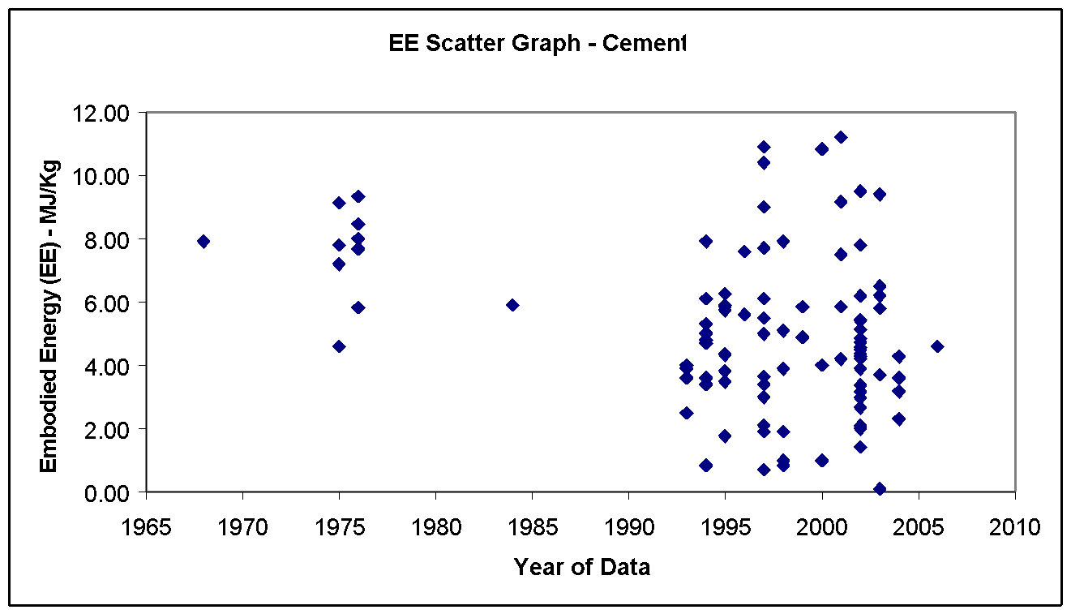 |  |  |  | Energy source | % of Embodied Energy from energy source | % of embodied carbon from source

 |  |  |  | Coal | 63.4% | 32.0%

 |  |  |  | LPG | 0.0% | 0.0%

 |  |  |  | Oil | 1.4% | 0.5%

 |  |  |  | Natural gas | 2.4% | 0.7%

 |  |  |  | Electricity | 32.8% | 10.9%

 |  |  |  | Other | 0.0% | 55.9% (Non-fuel emissions)

 |  |  |  | Total | 100.0% | 100.0%

 |  |  |  | Comments:

 |  |  |  | 0.52 KgCO2/Kg clinker is released by de-carbonation in the manufacture of clinker, which is the main constituent of cement. This has been represented in the row labelled 'other' above.

Note Space |  |  |  | Historical embodied carbon per unit fuel use

 |  |  |  | 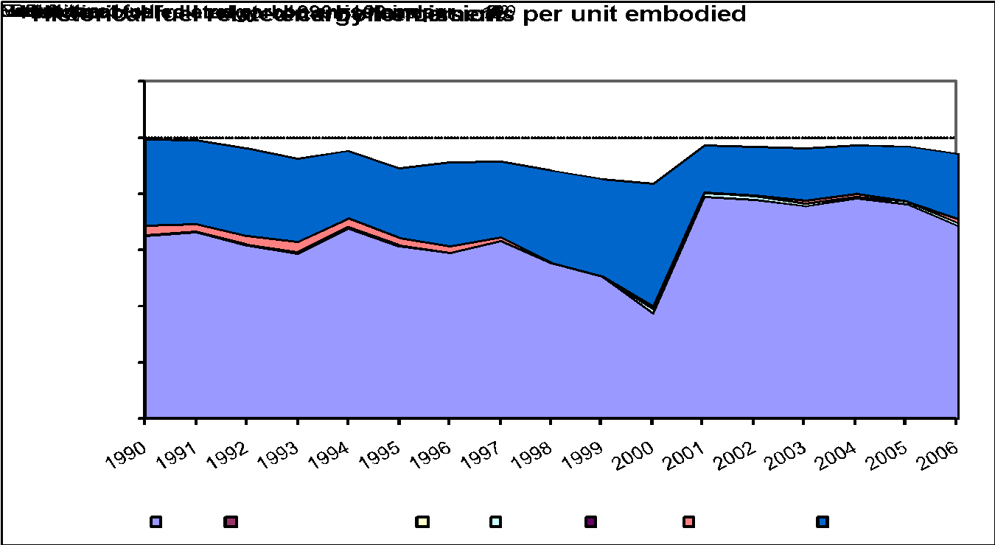

Material Properties (CIBSE Data)
Material |  | Condition | Thermal conductivity (W-m-1 K-1) | Density (kg m -3) | Specific heat (J kg-1 K-1) | Thermal Diffusivity (M^2 S-1)
cement |  |  | 0.72 | 1860 | 840 | 0.0000004608294931
cement blocks, cellular |  |  | 0.33 | 520 | 2040 | 0.0000003110859729
cement fibreboard, magnesium oxysulphide binder |  |  | 0.082 | 350 | 1300 | 0.0000001802197802
Cement mortar |  |  | 0.72 | 1650 | 920 | 0.0000004743083004
cement mortar |  | Dry | 0.93 | 1900 | 840 | 0.0000005827067669
cement mortar |  | Moist | 1.5 | 1900 | 840 | 0.0000009398496241
cement/lime plaster |  |  | 0.8 | 1600 | 840 | 0.0000005952380952
cement panels, wood fibres A |  | Dry | 0.08 | 350 | 1890 | 0.0000001209372638
cement panels, wood fibres B |  | Moist | 0.12 | 350 | 3040 | 0.0000001127819549
cement panels, wood fibres C |  |  | 0.12 | 400 | 1470 | 0.0000002040816327
cement panels, wood fibres D |  | Dry | 0.35 | 1650 | 840 | 0.0000002525252525
Cement Screed |  |  | 1.4 | 2100 | 650 | 0.000001025641026

Ceramics
Return To Main Summary

Material Profile: Ceramics
Embodied Energy (EE) ICE-Database Statistics - MJ/Kg
Main Material | No. Records | Average EE | Standard Deviation | Minimum EE | Maximum EE | Comments on the Database Statistics:
Ceramic | 18 | 10.13 | 8.04 | 2.50 | 29.07 | None
Ceramic, General | 18 | 10.13 | 8.04 | 2.50 | 29.07
Unspecified | 15 | 10.96 | 8.36 | 2.50 | 29.07
Virgin | 3 | 5.97 | 5.33 | 2.50 | 12.10
Selected Embodied Energy & Carbon Coefficients and Associated Data
Material | Embodied Energy - MJ/Kg | Embodied Carbon - Kg CO2e/Kg | Boundaries | Best EE Range - MJ/Kg |  | Specific Comments
 |  |  |  | Low EE | High EE
General Ceramics | 10 | 0.70 | Cradle to Gate | 2.5 | 29.1 | There was a particularly large data range, which made selection of a single 'general' value difficult.
Fittings | 20 | 1.14 |  |  |  | Ref. 1.
Sanitary Products | 29 | 1.61 |  |  |  | Limited data.
Tiles and Cladding Panels | 12 | 0.78 |  | 2.5 | 19.5 | Difficult to select, large range, limited data. See Ref. 292.

Comments | The scatter graph displays a large data range, which made selection of a best value difficult.

Material Scatter Graph |  |  |  | Embodied Energy & Embodied Carbon Split
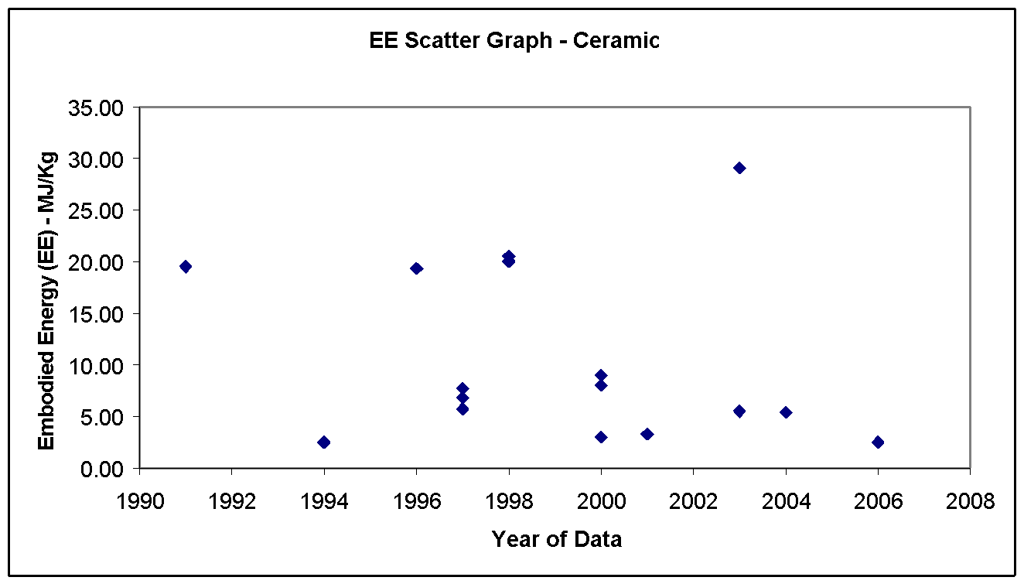 |  |  |  | Energy source | % of Embodied Energy from energy source | % of embodied carbon from energy source

 |  |  |  | Coal | 0.0% | 0.0%

 |  |  |  | LPG | 0.0% | 0.0%

 |  |  |  | Oil | 0.0% | 0.0%

 |  |  |  | Natural gas | 57.1% | 41.8%

 |  |  |  | Electricity | 42.9% | 36.8%

 |  |  |  | Other | 0.0% | 21.4%

 |  |  |  | Total | 100.0% | 100.0%

 |  |  |  | Comments:

 |  |  |  | The embodied carbon was estimated by using the UK typical fuel split in this industry. The fuel split is for the 'general ceramics' category.

Note Space |  |  |  | Historical embodied carbon per unit fuel use

 |  |  |  | 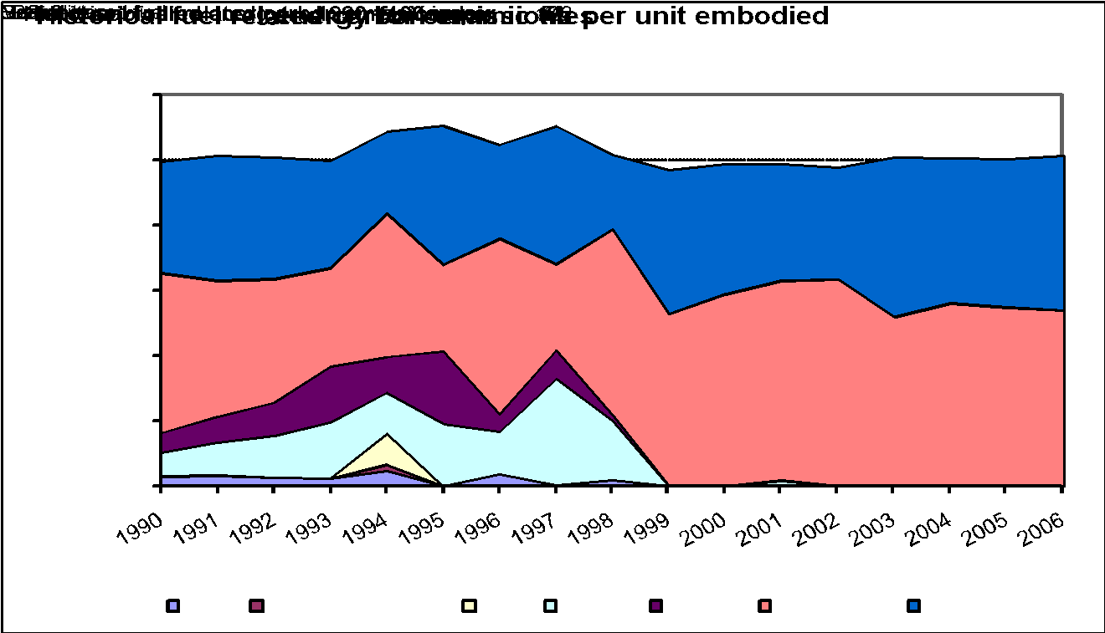

Material Properties (CIBSE Data)
Material |  | Condition | Thermal conductivity (W-m-1 K-1) | Density (kg m -3) | Specific heat (J kg-1 K-1) | Thermal Diffusivity (M^2 S-1)
Ceramic tiles |  | Dry | 1.2 | 2000 | 850 | 0.0000007058823529
ceramic floor tiles |  | Dry | 0.8 | 1700 | 850 | 0.000000553633218
clay tiles |  |  | 0.85 | 1900 | 840 | 0.0000005325814536
clay tiles, burnt |  |  | 1.3 | 2000 | 840 | 0.0000007738095238
clay tile, hollow, 10.2mm. 1 cell |  |  | 0.52 | 1120 | 840 | 0.0000005527210884
Clay tile, hollow, 20.3mm, 2 cells |  |  | 0.623 | 1120 | 840 | 0.000000662202381
Clay tile, hollow, 32.5mm, 3 cells |  |  | 0.693 | 1120 | 840 | 0.0000007366071429
clay tile, pavior |  |  | 1.803 | 1920 | 840 | 0.000001117931548

Clay & Bricks
Return To Main Summary

Material Profile: Clay (including Bricks)
Embodied Energy (EE) ICE-Database Statistics - MJ/Kg
Main Material | No. Records | Average EE | Standard Deviation | Minimum EE | Maximum EE | Comments on the Database Statistics:
Clay | 80 | 4.30 | 4.12 | 0.02 | 32.40 | There was a good sample size
Clay, General | 80 | 4.30 | 4.12 | 0.02 | 32.40
Unspecified | 58 | 4.53 | 4.57 | 0.07 | 32.40
Virgin | 22 | 3.59 | 2.22 | 0.02 | 7.60
Selected Embodied Energy & Carbon Coefficients and Associated Data
Material | Embodied Energy - MJ/Kg | Embodied Carbon - Kg CO2e/Kg | Boundaries | Best EE Range - MJ/Kg |  | Specific Comments
 |  |  |  | Low EE | High EE
General simple baked clay products | 3 | 0.24 | Cradle to Gate | 1 | 5 | None
Tile | 6.5 | 0.48 |  | 2.88 | 11.7
Vitrified clay pipe DN 100 & DN 150 | 6.2 | 0.46 |  | Estimated range +/- 30%
Vitrified clay pipe DN 200 & DN 300 | 7.0 | 0.50
Vitrified clay pipe DN 500 | 7.9 | 0.55
General Clay Bricks | 3.0 | 0.24 |  | 0.63 | 6
EXAMPLE: Single Brick | 6.9 MJ per brick | 0.55 kgCO2 per brick |  | - | - | Assuming 2.3 kg per brick (Brick Development Association estimate)
Limestone Bricks | 0.85 | ? | Cradle to Gate | 0.7 | 1.01

Comments | Clay products release process related carbon dioxide emissions during their manufacturing. This is dependent upon the type of clay product. There was a large data range associated with all ceramic and brick products.

Material Scatter Graph |  |  |  | Embodied Energy & Embodied Carbon Split (Bricks)
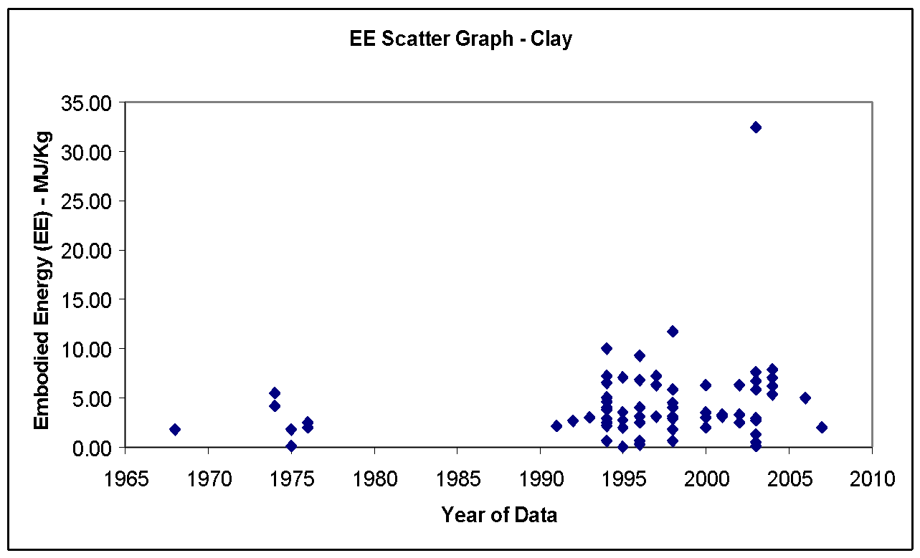 |  |  |  | Energy source | % of Embodied Energy from energy source | % of embodied carbon from energy source

 |  |  |  | Coal | 0.0% | 0.0%

 |  |  |  | LPG | 0.0% | 0.0%

 |  |  |  | Oil | 0.4% | 0.2%

 |  |  |  | Natural gas | 74.6% | 49.5%

 |  |  |  | Electricity | 25.0% | 17.3%

 |  |  |  | Other | 0.0% | 33.0%

 |  |  |  | Total | 100.0% | 100.0%

 |  |  |  | Comments:

 |  |  |  | The embodied carbon was estimated by using the UK typical fuel split in this industry.

Note Space |  |  |  | Historical embodied carbon per unit fuel use

 |  |  |  | 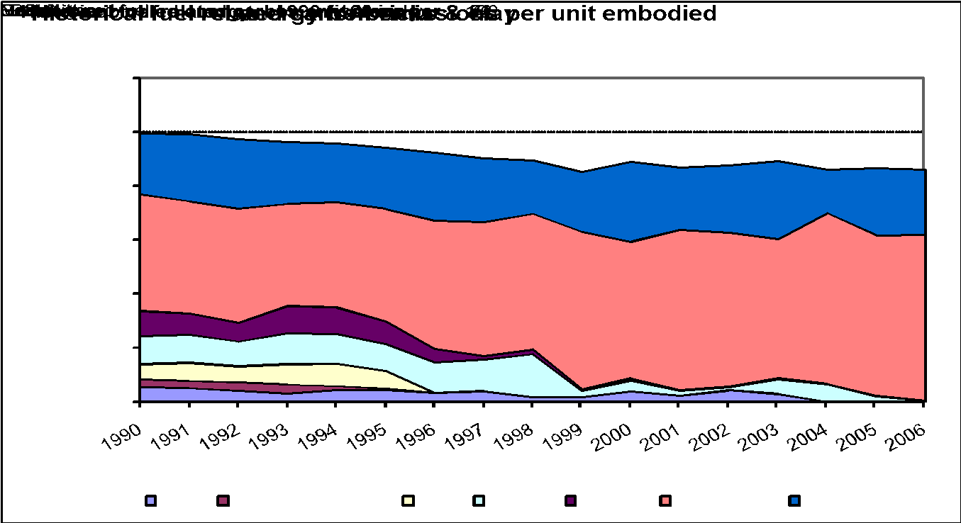

Material Properties (CIBSE Data)
Material |  | Thermal conductivity (W-m-1 K-1) | Density (kg m -3) | Specific heat (J kg-1 K-1) | Thermal Diffusivity (M^2 S-1) | Comments
clay tiles |  | 0.85 | 1900 | 840 | 0.0000005325814536
clay tiles, burnt |  | 1.3 | 2000 | 840 | 0.0000007738095238
clay tile, hollow, 10.2mm. 1 cell |  | 0.52 | 1120 | 840 | 0.0000005527210884
Clay tile, hollow, 20.3mm, 2 cells |  | 0.623 | 1120 | 840 | 0.000000662202381
Clay tile, hollow, 32.5mm, 3 cells |  | 0.693 | 1120 | 840 | 0.0000007366071429
clay tile, pavior |  | 1.803 | 1920 | 840 | 0.000001117931548
BRICKS
Brick A |  | 0.72 | 1920 | 840 | 0.0000004464285714 | The CISBE guide presented multiple values for brick
Brick B |  | 1.31 | 2080 | 921 | 0.0000006838302848
aerated |  | 0.3 | 1000 | 840 | 0.0000003571428571
brickwork, inner leaf |  | 0.62 | 1700 | 800 | 0.0000004558823529
brickwork, outer leaf |  | 0.84 | 1700 | 800 | 0.0000006176470588
burned A |  | 0.75 | 1300 | 840 | 0.0000006868131868
burned B |  | 0.85 | 1500 | 840 | 0.0000006746031746
burned C |  | 1 | 1700 | 840 | 0.000000700280112
mud |  | 0.75 | 1730 | 880 | 0.000000492643195
paviour |  | 0.96 | 2000 | 840 | 0.0000005714285714
reinforced |  | 1.1 | 1920 | 840 | 0.0000006820436508
tile |  | 0.8 | 1890 | 880 | 0.000000481000481

Concrete
Return To Main Summary

Material Profile: Concrete
Embodied Energy (EE) ICE-Database Statistics - MJ/Kg
Main Material | No. Records | Average EE | Std Deviation | Minimum EE | Maximum EE |  | Comments on the Database Statistics:
Concrete | 124 | 2.92 | 8.61 | 0.07 | 92.50 |  | None
Concrete, General | 112 | 3.01 | 9.07 | 0.07 | 92.50
Unspecified | 85 | 2.12 | 2.85 | 0.07 | 23.90
Virgin | 27 | 6.02 | 18.24 | 0.59 | 92.50
Concrete, Pre-Cast | 12 | 2.18 | 0.78 | 1.20 | 3.80
Unspecified | 8 | 2.42 | 0.84 | 1.36 | 3.80
Virgin | 4 | 1.72 | 0.42 | 1.20 | 2.19
Selected Embodied Energy & Carbon Coefficients and Associated Data
Boundaries | Cradle to Gate |  |  | Data Range | (+/- 30%) |  | Specific Comments
Material | Embodied Energy - MJ/Kg |  |  | Embodied Carbon - Kg CO2e/Kg
General Concrete | 0.75 |  |  | 0.107 |  |  | It is strongly recommended to avoid selecting a 'general' value for concrete. Selecting data for a specific concrete type (often a ready mix concrete) will give greater accuracy, please see comments. Assumed cement content 12% by mass. Assumed use of weighted average UK cement.
16/20 Mpa | 0.70 |  |  | 0.100 |  |  | Using UK weighted average cement (more representative of 'typical' concrete mixtures).
20/25 MPa | 0.74 |  |  | 0.107
25/30 MPa | 0.78 |  |  | 0.113
28/35 MPa | 0.82 |  |  | 0.120
32/40 MPa | 0.88 |  |  | 0.132
40/50 MPa | 1.00 |  |  | 0.151
READY MIX CONCRETE (ICE CMC Model Results)
BS 8500:2006 CONCRETE DESIGNATIONS
Material | Embodied Energy - MJ/kg |  |  | Embodied Carbon - kgCO2e/kg |  |  | NOTE: Cradle to Gate
FLY ASH
% Cement Replacement - Fly Ash | 0% (using CEM I) | 15% | 30% | 0% (using CEM I) | 15% | 30% | Note 0% is a concrete using a CEM I cement
GEN 0 (6/8 MPa) | 0.55 | 0.52 | 0.47 | 0.076 | 0.069 | 0.061 | Compressive strength designation C6/8 Mpa. 28 day compressive strength under British cube method of 8 MPa, under European cylinder method 6 MPa. Possible uses: Kerb bedding and backing. Data is only cradle to factory gate but beyond this the average delivery distance of ready mix concrete is 8.3 km by road (see reference 244).
GEN 1 (8/10 MPa) | 0.70 | 0.65 | 0.59 | 0.104 | 0.094 | 0.082 | Possible uses: mass concrete, mass fill, mass foundations, trench foundations, blinding, strip footing.
GEN 2 (12/15 MPa) | 0.76 | 0.71 | 0.64 | 0.114 | 0.105 | 0.093 | -
GEN 3 (16/20 MPa) | 0.81 | 0.75 | 0.68 | 0.123 | 0.112 | 0.100 | Possible uses: garage floors.
RC 20/25 (20/25 MPa) | 0.86 | 0.81 | 0.73 | 0.132 | 0.122 | 0.108 | -
RC 25/30 (25/30 MPa) | 0.91 | 0.85 | 0.77 | 0.140 | 0.130 | 0.115 | Possible uses: reinforced foundations.
RC 28/35 (28/35 MPa) | 0.95 | 0.90 | 0.82 | 0.148 | 0.138 | 0.124 | Possible uses: reinforced foundations, ground floors.
RC 32/40 (32/40 MPa) | 1.03 | 0.97 | 0.89 | 0.163 | 0.152 | 0.136 | Possible uses: structural purposes, in situ floors, walls, superstructure.
RC 40/50 (40/50 MPa) | 1.17 | 1.10 | 0.99 | 0.188 | 0.174 | 0.155 | Possible uses: high strength applications, precasting.
PAV1 | 0.95 | 0.89 | 0.81 | 0.148 | 0.138 | 0.123 | Possible uses: domestic parking and outdoor paving.
PAV2 | 1.03 | 0.97 | 0.89 | 0.163 | 0.152 | 0.137 | Possible uses: heavy duty outdoor paving.
GROUND GRANULATED BLAST FURNACE SLAG
% Cement Replacement - Blast Furnace Slag | 0% (using CEM I) | 25% | 50% | 0% (using CEM I) | 25% | 50% | Note 0% is a concrete using a CEM I cement
GEN 0 (6/8 MPa) | 0.55 | 0.48 | 0.41 | 0.076 | 0.060 | 0.045 | See comments for relevant category with fly ash additions (table directly above).
GEN 1 (8/10 MPa) | 0.70 | 0.60 | 0.50 | 0.104 | 0.080 | 0.058
GEN 2 (12/15 MPa) | 0.76 | 0.62 | 0.55 | 0.114 | 0.088 | 0.065
GEN 3 (16/20 MPa) | 0.81 | 0.69 | 0.57 | 0.123 | 0.096 | 0.070
RC 20/25 (20/25 MPa) | 0.86 | 0.74 | 0.62 | 0.132 | 0.104 | 0.077
RC 25/30 (25/30 MPa) | 0.91 | 0.78 | 0.65 | 0.140 | 0.111 | 0.081
RC 28/35 (28/35 MPa) | 0.95 | 0.83 | 0.69 | 0.148 | 0.119 | 0.088
RC 32/40 (32/40 MPa) | 1.03 | 0.91 | 0.78 | 0.163 | 0.133 | 0.100
RC 40/50 (40/50 MPa) | 1.17 | 1.03 | 0.87 | 0.188 | 0.153 | 0.115
PAV1 | 0.95 | 0.82 | 0.70 | 0.148 | 0.118 | 0.088
PAV2 | 1.03 | 0.91 | 0.77 | 0.163 | 0.133 | 0.100
COMMENT ON ABOVE DATA STRUCTURE
The first column represents standard concrete made with 100% Portland cement (CEM I). The other columns are based on a direct substitution of fly ash or blast furnace slag in place of some of the cement. They have been modelled on the fraction of cement replacement material (fly ash or slag). However there are thresholds on the upper limit that each of these replacement materials can contribute. This threshold is linked to the strength class of the concrete. It is understood that fly ash, which has a lower embodied energy and carbon, has a lower threshold than for blast furnace slag. This implies that less fly ash can be used for a particular concrete mix (than slag). In certain circumstances blast furnace slag could reach 70-80% replacement, this is much higher than the upper limits of fly ash. The ICE Cement, Mortar & Concrete Model was used to estimate these values. The above data is offered as a 'what if' guideline only. The data user must ensure that the quantity of cement substitution is suitable for the specific application in hand. The cement content of a concrete with a specified compressive strength class may vary from the selected content within these above mixtures. The most accurate results are obtained from directly modelling the real concrete mix used within a project. The data is only cradle to factory gate but beyond this the average delivery distance of ready mix concrete is 8.3 km by road (see reference 244).
REINFORCED CONCRETE - Modification Factors
For reinforcement add this value to the appropriate concrete coefficient for each 100 kg of rebar per m3 of concrete | 1.04 |  |  | 0.077 |  |  | Add for each 100 kg steel rebar per m3 concrete. Use multiple of this value, i.e. for 150 kg steel use a factor of 1.5 times these values.
EXAMPLE: Reinforced RC 25/30 MPa (with 110 kg per m3 concrete) | 1.92 MJ/kg (0.78 + 1.04 * 1.1) |  |  | 0.198 kgCO2/kg (0.113 + 0.077 * 1.1) |  |  | with 110 kg rebar per m3 concrete
PRECAST (PREFABRICATED) CONCRETE - Modification Factors
For precast add this value to the selected coefficient of the appropriate concrete mix | 0.45 |  |  | 0.029 |  |  | For each 1 kg precast concrete. This example is using a RC 40/50 strength class and is not necessarily indicative of an average precast product. Includes UK recorded plant operations and estimated transportation of the constituents to the factory gate. Data is only cradle to factory gate but beyond this the average delivery distance of precast is 155km by road (see Ref. 244). UK weighted average cement. See also the new report on precast concrete pipes (Ref 300).
EXAMPLE: Precast RC 40/50 MPa | 1.50 MJ/kg (1.00 + 0.50) |  |  | 0.180 kgCO2/kg (0.151 + 0.029)
EXAMPLE: Precast RC 40/50 with reinforcement (80kg per m3) | 2.33 MJ/kg (1.68 + 1.04 * 0.8) |  |  | 0.242 kgCO2/kg (0.180 + 0.077 * 0.8)
CONCRETE BLOCKS (ICE CMC Model Results)
Block - 8 MPa Compressive Strength | 0.59 |  |  | 0.063 |  |  | Estimated from the concrete block mix proportions, plus an allowance for concrete block curing, plant operations and transport of materials to factory gate.
Block - 10 MPa | 0.67 |  |  | 0.078
Block - 12 MPa | 0.72 |  |  | 0.088
Block - 13 MPa | 0.83 |  |  | 0.107
Autoclaved Aerated Blocks (AAC's) | 3.50 |  |  | 0.24 to 0.375 CO2 only |  |  | Not ICE CMC model results.
NOMINAL PROPORTIONS METHOD (Volume), Proportions from BS 8500:2006 (ICE Cement, Mortar & Concrete (CMC) Model Results)
1:1:2 Cement:Sand:Aggregate | 1.28 |  |  | 0.206 |  |  | High strength concrete. All of these values were estimated assuming the UK average content of cementitious additions (i.e. fly ash, GGBS) for factory supplied cements in the UK, see reference 59.
1:1.5:3 | 0.99 |  |  | 0.155 |  |  | Often used in floor slab, columns & load bearing structure.
1:2:4 | 0.82 |  |  | 0.124 |  |  | Often used in construction of buildings under 3 storeys.
1:2.5:5 | 0.71 |  |  | 0.104
1:3:6 | 0.63 |  |  | 0.090 |  |  | Non-structural mass concrete.
1:4:8 | 0.54 |  |  | 0.074
BY CEM I CEMENT CONTENT - kg CEM I cement content per cubic meter concrete (ICE CMC Model Results)
120 kg / m3 concrete | 0.49 |  |  | 0.064 |  |  | Assumed density of 2,350 kg/m3. Interpolation of the CEM I cement content is possible. These numbers assume the CEM I cement content (not the total cementitious content, i.e. they do not include cementitious additions). They may also be used for fly ash mixtures without modification, but they are likely to slightly underestimate mixtures that have additional GGBS due to the higher embodied energy and carbon of GGBS (in comparison to aggregates and fly ash).
200 kg / m3 concrete | 0.67 |  |  | 0.097
300 kg / m3 concrete | 0.91 |  |  | 0.140
400kg / m3 concrete | 1.14 |  |  | 0.181
500 kg / m3 concrete | 1.37 |  |  | 0.224
MISCELLANEOUS VALUES
Fibre-Reinforced | 7.75 (?) |  |  | 0.45 (?) CO2 only |  |  | Literature estimate, likely to vary widely. High uncertainty.
Very High GGBS Mix | 0.66 |  |  | 0.050 |  |  | Data based on Lafarge 'Envirocrete', which is a C28/35 Mpa, very high GGBS replacement value concrete

The values of embodied carbon all exclude the re-carbonation of concrete in use, which is application dependent. The majority of these concrete values were taken from the University of Bath's ICE Cement, Mortar and Concrete Model. It operates using the quantities of constituent material inputs and an additional energy requirement of plant operations, transport of constituents and a small allowance for mixing waste. As a result these values are dependent upon the selected coefficients of embodied energy and carbon of cement, sand and aggregates, which are the main constituent materials for concrete. It may appear that concrete has a confusing array of options, but it is worth determining the strength class or preferably mix of concrete (particularly cement content) used within a project. Even for a specified strength class of concrete the cement content can vary significantly. If none of the descriptions or comments above help you may wish to apply the above 'general' value, which is for a typical concrete mix. But in doing so (and in an extreme case) you may inadvertently add up to +/-50% additional error bars to your concrete results. Note: the suggested possible uses of each strength class of concrete is a rough guide only.
Comments

Material Scatter Graph |  |  |  | Embodied Energy & Embodied Carbon Split
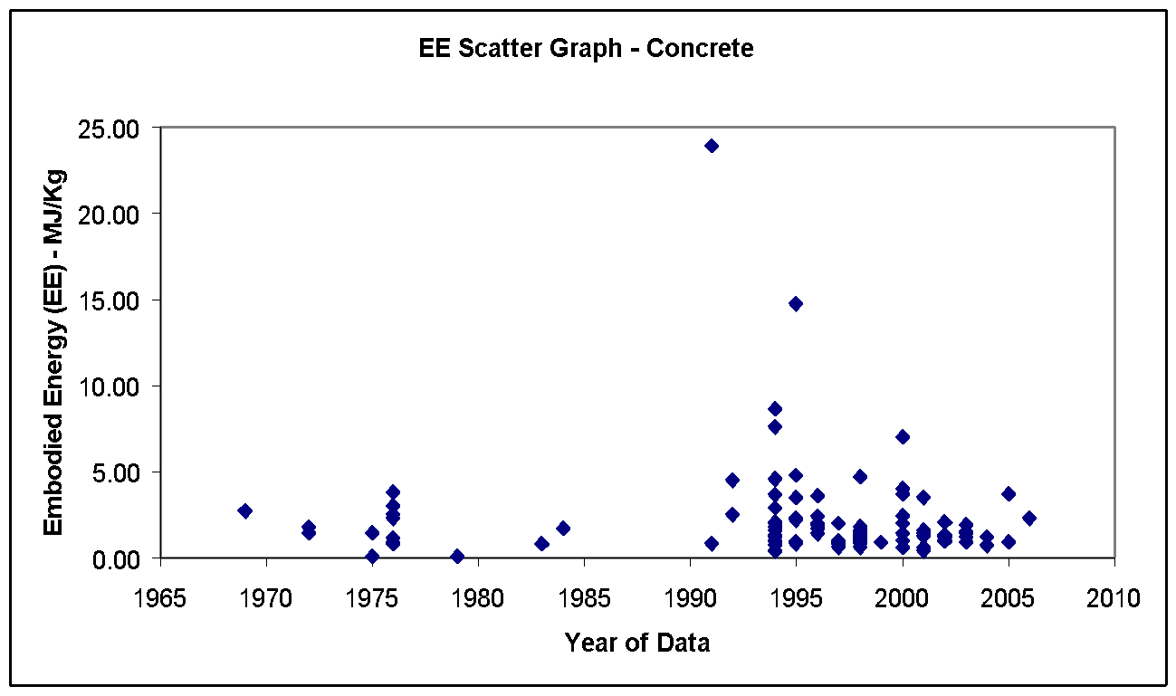 |  |  |  | The proportions of constituent materials used within concrete mixtures varies so widely that an embodied energy and carbon split would not be representative of the vast majority of concrete products.

Material Properties (CIBSE Data) for Concrete
Material |  | Condition | Thermal conductivity (W-m-1 K-1) | Density (kg m -3) | Specific heat (J kg-1 K-1) |  | Thermal Diffusivity (M^2 S-1)
Concrete blocks/tiles
block, aerated |  |  | 0.24 | 750 | 1000 |  | 0.00000032
block, heavyweight, 300mm |  |  | 1.31 | 2240 | 840 |  | #DIV/0!
block, lightweight, 150mm |  |  | 0.66 | 1760 | 840 |  | #DIV/0!
block, lightweight, 300mm |  |  | 0.73 | 1800 | 840 |  | #DIV/0!
 |  | Dry | 0.24 | 620 | 840 |  | #DIV/0!
 |  | Dry | 0.25 | 670 | 840 |  | #DIV/0!
 |  | Dry | 0.26 | 720 | 840 |  | #DIV/0!
 |  | Dry | 0.3 | 750 | 840 |  | #DIV/0!
 |  | Dry | 0.28 | 770 | 840 |  | #DIV/0!
 |  | Dry | 0.29 | 820 | 840 |  | #DIV/0!
 |  | Dry | 0.3 | 870 | 840 |  | #DIV/0!
block, medium weight, 150mm |  |  | 0.77 | 1900 | 840 |  | #DIV/0!
block, medium weight, 300mm |  |  | 0.83 | 1940 | 840 |  | #DIV/0!
 |  | Dry | 0.31 | 920 | 840 |  | #DIV/0!
 |  | Dry | 0.32 | 970 | 840 |  | #DIV/0!
 |  | Dry | 0.35 | 1050 | 840 |  | #DIV/0!
 |  | Dry | 0.4 | 1150 | 840 |  | #DIV/0!
block, hollow, heavyweight, 300mm |  |  | 1.35 | 1220 | 840 |  | #DIV/0!
block, hollow, lightweight, 150mm |  |  | 0.48 | 880 | 840 |  | #DIV/0!
block, hollow, lightweight, 300mm |  |  | 0.76 | 780 | 840 |  | #DIV/0!
block, hollow, medium weight, 150mm |  |  | 0.62 | 1040 | 840 |  | #DIV/0!
block, hollow, medium weight, 300mm |  |  | 0.86 | 930 | 840 |  | #DIV/0!
block, partially filled, heavyweight, 300mm |  |  | 1.35 | 1570 | 840 |  | #DIV/0!
block, partially filled, lightweight, 150mm |  |  | 0.55 | 1170 | 840 |  | #DIV/0!
block, partially filled, lightweight, 300mm |  |  | 0.74 | 1120 | 840 |  | #DIV/0!
block, partially filled, medium weight, 150 mm |  |  | 0.64 | 1330 | 840 |  | #DIV/0!
block, partially filled, mediumweight,300 mm |  |  | 0.85 | 1260 | 840 |  | #DIV/0!
block, perlite-filled, lightweight, 150mm |  |  | 0.17 | 910 | 840 |  | #DIV/0!
block, perlite-filled, mediumweight,150mm |  |  | 0.2 | 1070 | 840 |  | #DIV/0!
block, with perlite, lightweight, 150mm |  |  | 0.33 | 1180 | 840 |  | #DIV/0!
block, with perlite, medium weight, 150 mm |  |  | 0.39 | 1340 | 840 |  | #DIV/0!
tiles |  |  | 1.1 | 2100 | 840 |  | #DIV/0!
Concrete, cast:
aerated |  |  | 0.16 | 500 | 840 |  | #DIV/0!
 |  |  | 0.29 | 850 | 840 |  | #DIV/0!
 |  |  | 0.42 | 1200 | 840 |  | #DIV/0!
aerated, cellular |  |  | 0.15 | 400 | 840 |  | #DIV/0!
 |  |  | 0.23 | 700 | 840 |  | #DIV/0!
 |  |  | 0.7 | 1000 | 840 |  | #DIV/0!
 |  |  | 1.2 | 1300 | 840 |  | #DIV/0!
aerated, cement/lime based |  |  | 0.21 | 580 | 840 |  | #DIV/0!
cellular |  |  | 0.16 | 480 | 840 |  | #DIV/0!
 |  | At 50°C | 0.19 | 700 | 1050 |  | #DIV/0!
cellular bonded |  |  | 0.3 | 520 | 2040 |  | #DIV/0!
dense |  |  | 1.7 | 2200 | 840 |  | #DIV/0!
compacted, |  |  | 2.2 | 2400 | 840 |  | #DIV/0!
dense, reinforced |  |  | 1.9 | 2300 | 840 |  | #DIV/0!
compacted |  |  | 2.3 | 2500 | 840 |  | #DIV/0!
expanded clay filling |  |  | 0.26 | 780 | 840 |  | #DIV/0!
 |  |  | 0.6 | 1400 | 840 |  | #DIV/0!
foamed |  | At 50°C | 0.07 | 320 | 920 |  | #DIV/0!
 |  | At 50°C | 0.08 | 400 | 920 |  | #DIV/0!
 |  | At 50'C | 0.15 | 700 | 920 |  | #DIV/0!
foam slag |  |  | 0.25 | 1040 | 960 |  | #DIV/0!
glass reinforced |  |  | 0.9 | 1950 | 840 |  | #DIV/0!
heavyweight |  | Dry | 1.3 | 2000 | 840 |  | #DIV/0!
 |  | Moist | 1.7 | 2000 | 840 |  | #DIV/0!
lightweight |  | Dry | 0.2 | 620 | 840 |  | #DIV/0!
 |  | Dry | 0.25 | 750 | 840 |  | #DIV/0!
 |  | Dry | 0.21 | 670 | 840 |  | #DIV/0!
 |  | Dry | 0.22 | 720 | 840 |  | #DIV/0!
 |  | Dry | 0.23 | 770 | 840 |  | #DIV/0!
 |  | Dry | 0.24 | 820 | 840 |  | #DIV/0!
 |  | Dry | 0.25 | 870 | 840 |  | #DIV/0!
 |  | Moist | 0.43 | 750 | 840 |  | #DIV/0!
 |  | Moist | 0.38 | 770 | 840 |  | #DIV/0!
 |  | Moist | 0.4 | 820 | 840 |  | #DIV/0!
 |  | Moist | 0.43 | 870 | 840 |  | #DIV/0!
 |  |  | 0.08 | 200 | 840 |  | #DIV/0!
 |  |  | 0.12 | 300 | 840 |  | #DIV/0!
 |  |  | 0.17 | 500 | 840 |  | #DIV/0!
 |  |  | 0.23 | 700 | 840 |  | #DIV/0!
medium weight |  | Dry | 0.32 | 1050 | 840 |  | #DIV/0!
 |  | Dry | 0.37 | 1150 | 840 |  | #DIV/0!
 |  | Dry | 0.59 | 1350 | 840 |  | #DIV/0!
 |  | Dry | 0.84 | 1650 | 840 |  | #DIV/0!
 |  | Dry | 0.37 | 1050 | 840 |  | #DIV/0!
 |  | Dry | 0.27 | 920 | 840 |  | #DIV/0!
 |  | Dry | 0.29 | 980 | 840 |  | #DIV/0!
 |  | Moist | 0.59 | 1050 | 840 |  | #DIV/0!
 |  |  | 0.5 | 1000 | 840 |  | #DIV/0!
 |  |  | 0.8 | 1300 | 840 |  | #DIV/0!
 |  |  | 1.2 | 1600 | 840 |  | #DIV/0!
 |  |  | 1.4 | 1900 | 840 |  | #DIV/0!
medium weight, with lime |  | At 50°C | 0.73 | 1650 | 880 |  | #DIV/0!
no fines |  |  | 0.96 | 1800 | 840 |  | #DIV/0!
residuals of iron works |  |  | 0.35 | 1000 | 840 |  | #DIV/0!
 |  |  | 0.45 | 1300 | 840 |  | #DIV/0!
 |  |  | 0.7 | 1600 | 840 |  | #DIV/0!
 |  |  | 1 | 1900 | 840 |  | #DIV/0!
roofing slab, aerated |  |  | 0.16 | 500 | 840 |  | #DIV/0!
vermiculite aggregate |  |  | 0.17 | 450 | 840 |  | #DIV/0!
very lightweight |  |  | 0.14 | 370 | 840 |  | #DIV/0!
 |  |  | 0.15 | 420 | 840 |  | #DIV/0!
 |  |  | 0.16 | 470 | 840 |  | #DIV/0!
 |  |  | 0.17 | 520 | 840 |  | #DIV/0!
 |  |  | 0.18 | 570 | 840 |  | #DIV/0!
 |  |  | 0.12 | 350 | 840 |  | #DIV/0!
 |  |  | 0.18 | 600 | 840 |  | #DIV/0!

Masonry: |  |  | 0.19 | 470 | 840 |  | #DIV/0!
block, lightweight
 |  |  | 0.2 | 520 | 840 |  | #DIV/0!
 |  |  | 0.22 | 570 | 840 |  | #DIV/0!
 |  |  | 0.22 | 600 | 840 |  | #DIV/0!
block, medium weight |  | Dry | 0.6 | 1350 | 840 |  | #DIV/0!
 |  | Dry | 0.85 | 1650 | 840 |  | #DIV/0!
 |  | Dry | 1.3 | 1800 | 840 |  | #DIV/0!
heavyweight |  | Dry | 0.9 | 1850 | 840 |  | #DIV/0!
 |  | Dry | 0.73 | 1850 | 840 |  | #DIV/0!
 |  | Dry | 0.79 | 1950 | 840 |  | #DIV/0!
 |  | Dry | 0.9 | 2050 | 840 |  | #DIV/0!
 |  | Moist | 0.81 | 1650 | 840 |  | #DIV/0!
lightweight |  | Dry | 0.22 | 750 | 840 |  | #DIV/0!
 |  | Dry | 0.27 | 850 | 840 |  | #DIV/0!
 |  | Dry | 0.24 | 850 | 840 |  | #DIV/0!
 |  | Dry | 0.27 | 950 | 840 |  | #DIV/0!
medium weight |  | Dry | 0.32 | 1050 | 840 |  | #DIV/0!
 |  | Dry | 0.54 | 1300 | 840 |  | #DIV/0!
 |  | Dry | 0.37 | 1150 | 840 |  | #DIV/0!
 |  | Dry | 0.42 | 1250 | 840 |  | #DIV/0!
 |  | Dry | 0.45 | 1350 | 840 |  | #DIV/0!
 |  | Dry | 0.49 | 1450 | 840 |  | #DIV/0!
 |  | Dry | 0.54 | 1550 | 840 |  | #DIV/0!

Copper
Return To Main Summary

Material Profile: Copper
Embodied Energy (EE) ICE-Database Statistics - MJ/Kg
Main Material | No. Records |  |  | Average EE |  |  | Standard Deviation | Minimum EE | Maximum EE | Comments on the Database Statistics:
Copper | 58 |  |  | 69.02 |  |  | 37.52 | 2.40 | 152.71 | None
Copper, General | 58 |  |  | 69.02 |  |  | 37.52 | 2.40 | 152.71
50% Recycled | 1 |  |  | 55.00 |  |  | 55.00 | 55.00 | -
Market Average | 1 |  |  | 41.90 |  |  | 41.90 | 41.90 | -
Predominantly Recycled | 11 |  |  | 32.68 |  |  | 32.66 | 2.40 | 120.00
Unspecified | 20 |  |  | 67.54 |  |  | 31.04 | 32.95 | 152.00
Virgin | 25 |  |  | 88.62 |  |  | 33.06 | 33.00 | 152.71
Selected Embodied Energy & Carbon Coefficients and Associated Data
Material | Embodied Energy - MJ/Kg |  |  | Embodied Carbon - Kg CO2e/Kg |  |  | Boundaries | Best EE Range - MJ/Kg |  | Specific Comments
 | Typical | Primary | Secondary | Typical | Primary | Secondary |  | Low EE | High EE
Tube and Sheet | 42 | 57 | 16.5 | 2.71 | 3.81 | 0.84 | Cradle to Gate |  |  | EU production data, estimated from Kupfer Institut LCI data. 37% recycled content (the 3 year world average). World average data is expected to be higher than these values.
Secondary from low grade scrap | 50 (?) | - | - | 3.1 (?) CO2 | - | - |  | 40 | 60 | Uncertain, difficult to estimate with the data available.
Secondary from high grade scrap | 18 (?) | - | - | 1.1 (?) CO2 | - | - |  | 10 | 25

Comments | Typical' copper assumed a recycled content of 37%. There are large variations in the embodied energy and carbon of copper and it was difficult to estimate the difference between primary and secondary copper production. Part of this difficulty may be due to variations in the grade of copper ore and copper scrap. See the Annex on recycling methodology. For detailed copper LCA data it is advised to obtain the Kupfer Institut (German Copper Institute) LCA data (Refs. 157, 181, 182 and 183) - Their data is available directly from the Kupfer Institut or within the European Reference Life Cycle Database (ELCD).

Material Scatter Graph |  |  |  |  |  |  |  | Embodied Energy & Embodied Carbon Split
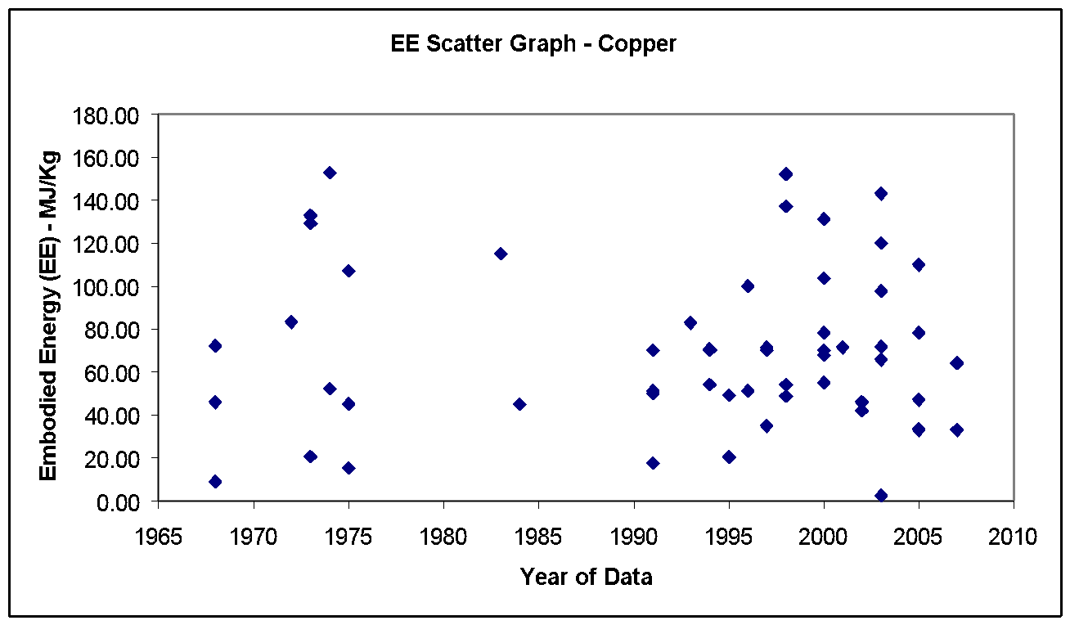 |  |  |  |  |  |  |  | No fuel split or embodied carbon breakdown was available.

Note Space |  |  |  |  |  |  |  | Historical embodied carbon per unit fuel use

 |  |  |  |  |  |  |  | 

Material Properties (CIBSE Data)
Material |  |  |  |  |  |  | Thermal conductivity (W-m-1 K-1) | Density (kg m -3) | Specific heat (J kg-1 K-1) | Thermal Diffusivity (M^2 S-1)
copper |  |  |  |  |  |  | 384 | 8600 | 390 | 0.000114490161

Glass
Return To Main Summary

Material Profile: Glass
Embodied Energy (EE) ICE-Database Statistics - MJ/Kg
Main Material | No. Records | Average EE | Standard Deviation | Minimum EE | Maximum EE | Comments on the Database Statistics:
Glass | 97 | 20.08 | 9.13 | 2.56 | 62.10 | None
Glass, Fibreglass | 22 | 25.58 | 8.53 | 11.00 | 41.81
Market Average | 1 | 30.00 | 30.00 | 30.00
Predominantly Recycled | 2 | 11.90 | 11.90 | 11.90
Unspecified | 16 | 26.24 | 8.41 | 11.00 | 41.81
Virgin | 3 | 24.85 | 10.25 | 17.60 | 32.10
Glass, General | 75 | 18.50 | 8.73 | 2.56 | 62.10
50% Recycled | 1 | 7.00 | 7.00 | 7.00
Market Average | 4 | 16.81 | 5.87 | 12.30 | 25.09
Other Specification | 1 | 8.10 | 8.10 | 8.10
Predominantly Recycled | 5 | 6.63 | 4.07 | 2.56 | 10.70
Unspecified | 34 | 20.82 | 9.96 | 6.80 | 62.10
Virgin | 30 | 17.98 | 6.15 | 8.10 | 31.42
Selected Embodied Energy & Carbon Coefficients and Associated Data
Material | Embodied Energy - MJ/Kg | Embodied Carbon - Kg CO2e/Kg | Boundaries | Best EE Range - MJ/Kg |  | Specific Comments
 |  |  |  | Low EE | High EE
Primary Glass | 15 | 0.91 | Cradle to Gate | (+/- 30%) |  | Includes 0.185 kgCO2/kg of process CO2 emissions.
Secondary Glass | 11.5 | 0.59 |  | (+/- 30%) |  | EE estimated from Ref 115.
Fibreglass | 28 | 1.54 CO2 only |  | 16.5 | 42 | Large data range, but the selected value is inside a small band of frequently quoted values.
Toughened Glass | 23.5 | 1.35 | Cradle to Gate | - | - | Only three data sources

Comments | The primary glass manufacturing process consumes soda ash, limestone and dolomite, which release some of their carbon dioxide in the melting process. This is an additional, non-fuel related, carbon release. It is estimated that primary glass manufacturing releases 0.185 kgCO2/kg during the primary production process. Glass recycling rates are difficult to apply to construction (i.e. flat glass). The most comprehensive statistics are for container glass, where the UK has a closed loop recycling rate of 33.3% (which excludes imported cullet, flat glass and process losses) with an 'overall recycling rate' of 51% in the year 2006 (see ' Glass Sustainability Report 2007, British Glass' for further details). The UK glass recycling rate is at present much lower than many other EU countries.

Material Scatter Graph |  |  |  | Embodied Energy & Embodied Carbon Split
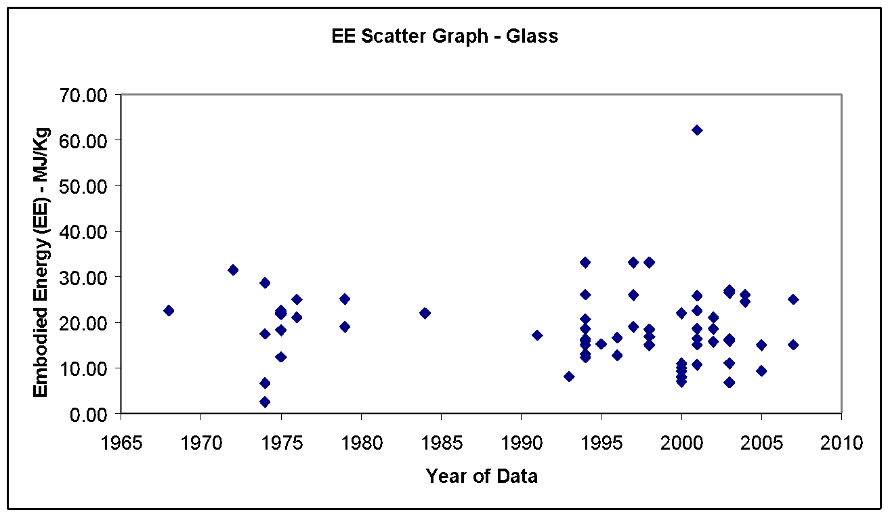 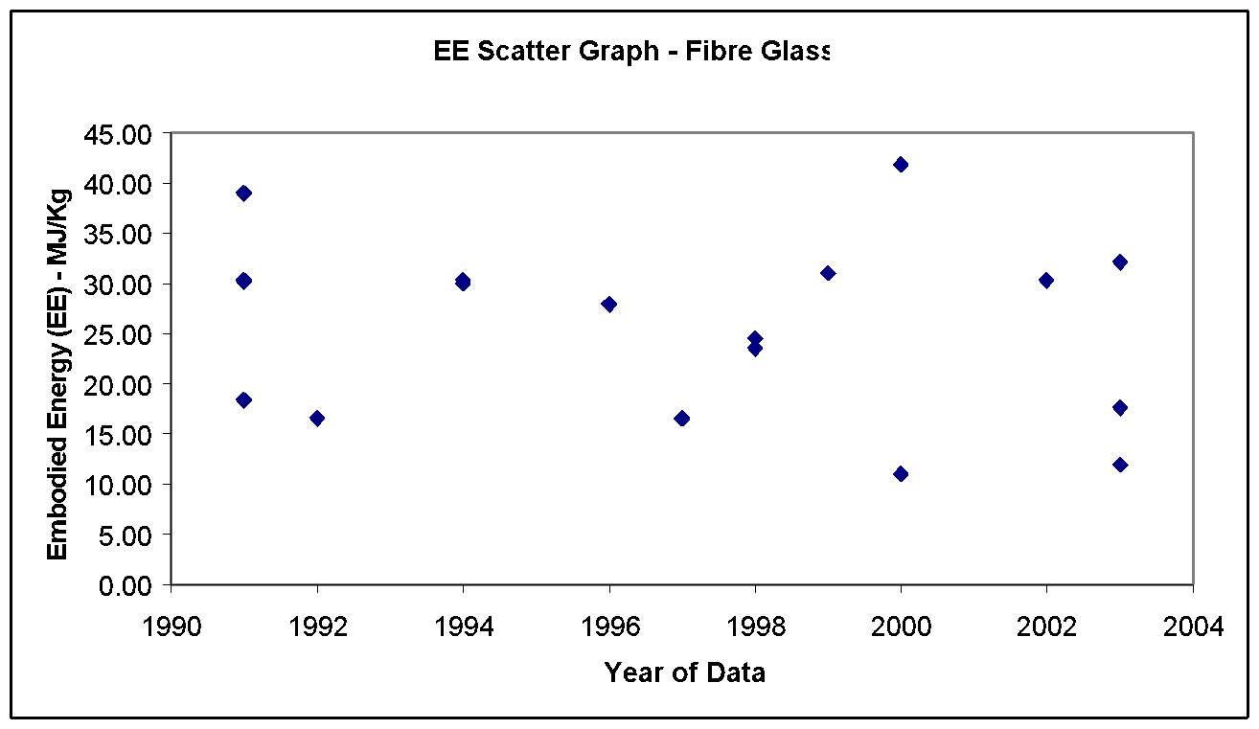 |  |  |  | Energy source | % of Embodied Energy from energy source | % of embodied carbon from energy source

 |  |  |  | Coal | 0.0% | 0.0%

 |  |  |  | LPG | 0.0% | 0.0%

 |  |  |  | Oil | 0.1% | 0.1%

 |  |  |  | Natural gas | 71.8% | 54.6%

 |  |  |  | Not enough data for accurate range. Likely to be high. | 28.1% | 25.0%

 |  |  |  | Other | 0.0% | 20.3% (Non-energy related)

 |  |  |  | Total | 100.0% | 100.0%

 |  |  |  | Comments:

 |  |  |  | This data is for primary glass, which releases 0.185 kgCO2/kg during the primary production process (Additional to energy emissions) this has been considered in the calculations. The fuel mix was estimated from the UK glass industry typical fuel mix.

 |  |  |  | Historical embodied carbon per unit fuel use
 |  |  |  | 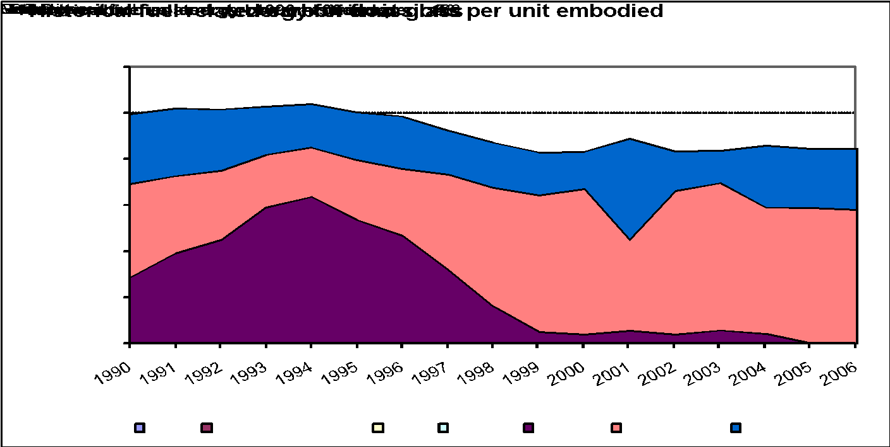
Material Properties (CIBSE Data)
Material |  | Condition | Thermal conductivity (W-m-1 K-1) | Density (kg m -3) | Specific heat (J kg-1 K-1) | Thermal Diffusivity (M^2 S-1)
cellular sheet |  |  | 0.048 | 140 | 840 | 0.0000004081632653
foam |  | At 50°C | 0.056 | 130 | 750 | 0.0000005743589744
 |  |  | 0.052 | 140 | 840 | 0.0000004421768707
solid (soda-lime) |  | At 10°C | 1.05 | 2500 | 840 | 0.0000005

Glass fibre/wool:
fibre quilt |  |  | 0.04 | 12 | 840 | 0.000003968253968
fibre slab |  |  | 0.035 | 25 | 1000 | 0.0000014
fibre, strawboard-like |  |  | 0.085 | 300 | 2100 | 0.0000001349206349
wool |  | At 10°C | 0.04 | 10 | 840 | 0.000004761904762
 |  | At 10°C | 0.04 | 12 | 840 | 0.000003968253968
 |  | At 10°C | 0.037 | 16 | 840 | 0.00000275297619
 |  | At 10°C | 0.033 | 24 | 840 | 0.000001636904762
 |  | At 10°C | 0.032 | 32 | 840 | 0.00000119047619
 |  | At 10°C | 0.03 | 48 | 840 | 0.000000744047619
 |  | At 10°C | 0.031 | 80 | 840 | 0.0000004613095238
wool, resin bonded |  | At 50°C | 0.036 | 24 | 1000 | 0.0000015

Plaster
Return To Main Summary

Material Profile: Plaster
Embodied Energy (EE) ICE-Database Statistics - MJ/Kg
Main Material | No. Records | Average EE | Standard Deviation | Minimum EE | Maximum EE | Comments on the Database Statistics:
Plaster | 40 | 4.03 | 2.55 | 0.03 | 12.20 | None
Plaster, General | 7 | 3.50 | 2.85 | 1.40 | 9.73
Unspecified | 5 | 2.57 | 0.90 | 1.40 | 3.24
Virgin | 2 | 5.83 | 5.52 | 1.93 | 9.73
Plaster, Gypsum | 16 | 3.48 | 2.06 | 0.90 | 8.64
Market Average | 1 | 3.20 | 3.20 | 3.20 | -
Unspecified | 14 | 3.62 | 2.16 | 0.90 | 8.64
Virgin | 1 | 1.81 | 1.81 | 1.81 | -
Plaster, Plasterboard | 17 | 4.76 | 2.79 | 0.03 | 12.20
Predominantly Recycled | 1 | 2.24 | 2.24 | 2.24
Unspecified | 10 | 4.95 | 1.89 | 2.70 | 8.60
Virgin | 6 | 4.86 | 4.14 | 0.03 | 12.20
Selected Embodied Energy & Carbon Coefficients and Associated Data
Material | Embodied Energy - MJ/Kg | Embodied Carbon - Kg CO2e/Kg | Boundaries | Best EE Range - MJ/Kg |  | Specific Comments
 |  |  |  | Low EE | High EE
General Plaster | 1.80 | 0.13 | Cradle to Gate | 1.4 | 3.2 | The selected values are from the lower end of the range, please see comments.
Plasterboard | 6.75 | 0.39 |  | - |  | See Ref [WRAP] for further info on GWP data, including disposal impacts which are significant for Plasterboard.

Comments | The values quoted in the literature display a large variation, West et al. (Reference 62) believe this is because of past aggregation of plaster data with cement. The net effect of separating these industries would be to reduce the embodied energy of plaster. There was very poor background data on carbon, only a few authors specified an embodied carbon.

Material Scatter Graph |  |  |  | Embodied Energy & Embodied Carbon Split
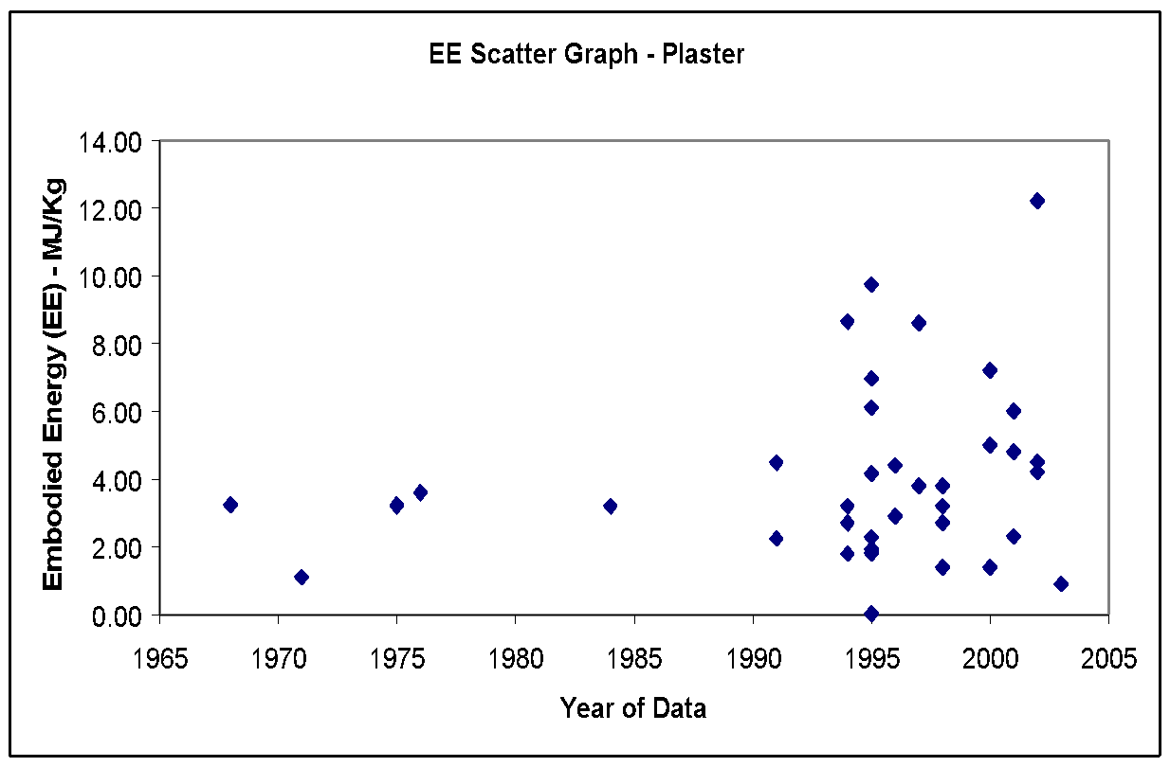 |  |  |  | No fuel split or embodied carbon breakdown was available.

Note Space |  |  |  | Historical embodied carbon per unit fuel use

 |  |  |  | 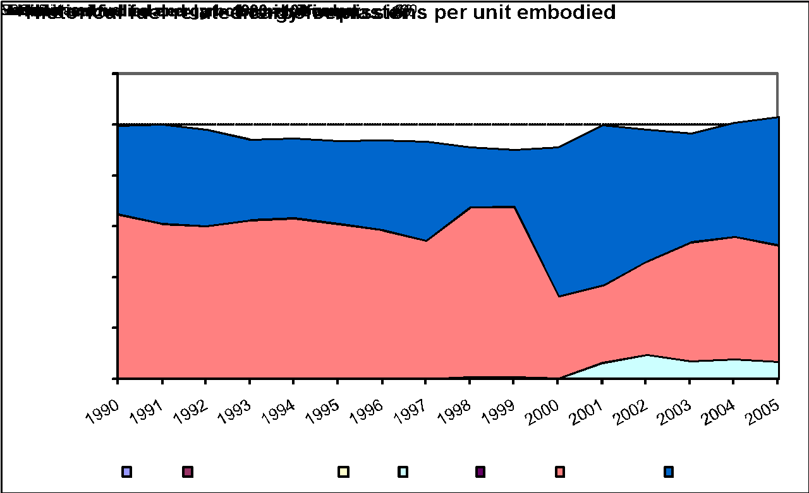

Material Properties (CIBSE Data)
Material |  | Condition | Thermal conductivity (W-m-1 K-1) | Density (kg m -3) | Specific heat (J kg-1 K-1) | Thermal Diffusivity (M^2 S-1)
Cement plaster |  |  | 0.72 | 1760 | 840 | 0.000000487012987
 |  |  | 1.5 | 1900 | 840 | 0.0000009398496241
Cement plaster, sand aggregate |  |  | 0.72 | 1860 | 840 | 0.0000004608294931
Cement screed |  |  | 1.4 | 2100 | 650 | 0.000001025641026
gypsum |  |  | 0.42 | 1200 | 840 | 0.0000004166666667
gypsum plaster |  |  | 0.51 | 1120 | 960 | 0.0000004743303571
gypsum plaster, perlite aggregate |  |  | 0.22 | 720 | 1340 | 0.000000228026534
gypsum plaster, sand aggregate |  |  | 0.81 | 1680 | 840 | 0.0000005739795918
Gypsum Plasterboard |  |  | 0.16 | 800 | 840 | 0.0000002380952381
 |  |  | 0.65 | 1100 | 840 | 0.0000007034632035
Gypsum plastering |  |  | 0.8 | 1300 | 840 | 0.0000007326007326
limestone mortar |  |  | 0.7 | 1600 | 840 | 0.0000005208333333
plaster |  |  | 0.22 | 800 | 840 | 0.0000003273809524
 |  |  | 0.35 | 950 | 840 | 0.0000004385964912
 |  |  | 0.52 | 1200 | 840 | 0.0000005158730159
plaster ceiling tiles |  |  | 0.38 | 1120 | 840 | 0.0000004039115646
plaster, lightweight aggregate |  |  | 0.23 | 720 | 840 | 0.0000003802910053
Plaster, sand aggregate |  |  | 0.82 | 1680 | 840 | 0.0000005810657596
plasterboard |  |  | 0.16 | 950 | 840 | 0.0000002005012531
render, synthetic resin, exterior insulation |  |  | 0.7 | 1100 | 900 | 0.0000007070707071
rendering |  | Moisture content 1% | 1.13 | 1430 | 1000 | 0.0000007902097902
 |  | Moisture content 8% | 0.79 | 1330 | 1000 | 0.0000005939849624
 |  |  | 0.2 | 720 | 840 | 0.0000003306878307

Insulation
Return To Main Summary

Material Profile: Insulation
Embodied Energy (EE) ICE-Database Statistics - MJ/Kg
Main Material | No. Records | Average EE |  | Std Deviation | Minimum EE | Maximum EE | Comments on the Database Statistics:
Insulation | 43 | 46.84 |  | 44.10 | 0.94 | 151.00 | None
Insulation (All) | 43 | 46.84 |  | 44.10 | 0.94 | 151.00
Unspecified | 43 | 46.84 |  | 44.10 | 0.94 | 151.00
Selected Embodied Energy & Carbon Coefficients and Associated Data
Material | Embodied Energy - MJ/Kg | Feedstock Energy (Included) - MJ/Kg | Embodied Carbon - Kg CO2e/Kg | Boundaries | Best EE Range - MJ/Kg |  | Specific Comments
 |  |  |  |  | Low EE | High EE
General Insulation | 45 | 16.5 | 1.86 CO2 only | Cradle to Gate | (+/- 40%) |  | Estimated from typical consumption mix of insulation materials in the UK
Cellular Glass | 27 | - | - | Unknown |  |  | Ref. 54.
Cellulose | 0.94 to 3.3 | - | - | Cradle to Gate
Cork | 4 | - | 0.19 CO2 only | Cradle to Gate |  |  | Ref. 55.
Fibreglass (Glasswool) | 28 | - | 1.35 CO2 only | Cradle to Site
Flax (Insulation) | 39.5 | 5.97 | 1.7 CO2 only | Cradle to Grave |  |  | Ref. 2
Mineral wool | 16.6 | - | 1.28 | Cradle to Gate
Paper wool | 20.2 | - | 0.63 CO2 only | Cradle to Grave |  |  | Ref. 2.
Polystyrene | See plastics for a range of polystyrene data
Polyurethane | See plastics for a range of polyurethane data
Rockwool | 16.8 | - | 1.12 | Cradle to Grave | -
Woodwool (loose) | 10.8 | - | - | Cradle to Gate | (+/- 40%) |  | Ref. 202.
Woodwool (Board) | 20.0 | - | 0.98 CO2 only |  |  |  | Ref. 55.
Recycled Wool | 20.9 | - | - |  |  |  | Refs. 63, 201, 202 & 281.

Comments | Embodied energy and carbon data for insulation materials was relatively poor. This may be a result of the fact that insulation materials save energy and will almost always payback the embodied energy during the lifetime of the insulation. But by comparing the embodied energy of insulation materials and considering the best U-values energy & carbon savings could still be made. It is important to consider space constraints in an embodied energy and carbon analysis of insulation. It there is only a fixed space available, i.e. 50mm, the U-Value must be considered alongside the embodied energy and carbon.

Material Scatter Graph |  |  |  |  | Embodied Energy & Embodied Carbon Split
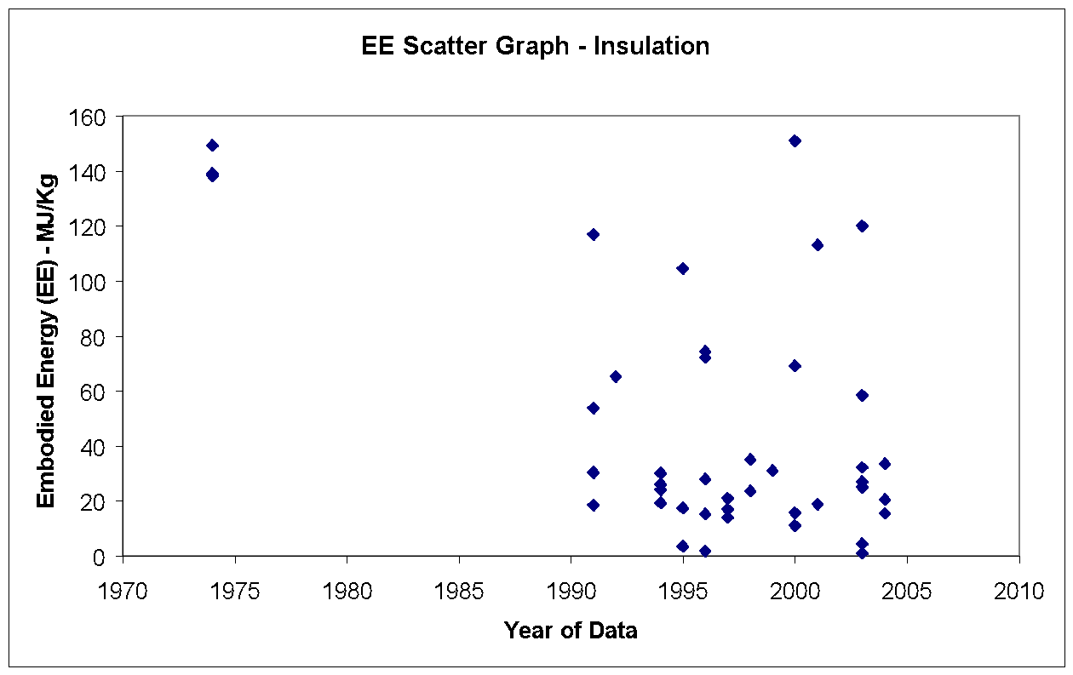 |  |  |  |  | No fuel split or embodied carbon breakdown was available.

Material Properties (CIBSE Data) for Insulation
Material |  | Condition | Thermal conductivity (W-m-1 K-1) |  | Density (kg m -3) | Specific heat (J kg-1 K-1) | Thermal Diffusivity (M^2 S-1)
Foam:
phenol |  |  | 0.04 |  | 30 | 1400 | 0.0000009523809524
phenol, rigid |  |  | 0.035 |  | 110 | 1470 | 0.0000002164502165
polyisocyanate |  |  | 0.03 |  | 45 | 1470 | 0.0000004535147392
polyurethane |  |  | 0.028 |  | 30 | 1470 | 0.0000006349206349
polyurethane, freon-filled |  |  | 0.03 |  | 45 | 1470 | 0.0000004535147392
polyvinylchloride |  |  | 0.035 |  | 37 | 1470 | 0.0000006435006435
urea formaldehyde |  |  | 0.04 |  | 10 | 1400 | 0.000002857142857
urea formaldehyde resin |  |  | 0.054 |  | 14 | 1470 | 0.000002623906706
Mineral fibre/wool:
fibre blanket, bonded |  | At 10°C | 0.042 |  | 12 | 710 | 0.000004929577465
 |  | At 10°C | 0.036 |  | 24 | 710 | 0.000002112676056
 |  | At 10°C | 0.032 |  | 48 | 710 | 0.0000009389671362
fibre blanket, metal |  | At 37.7°C | 0.038 |  | 140 | 710 | 0.0000003822937626
reinforced |  | At 93.3`C | 0.046 |  | 140 | 710 | 0.00000046277666
fibre board, preformed |  |  | 0.042 |  | 240 | 760 | 0.0000002302631579
fibre board, wet felted |  |  | 0.051 |  | 290 | 800 | 0.0000002198275862
fibre board, wet moulded |  |  | 0.061 |  | 370 | 590 | 0.0000002794319743
fibre board, resin bonded |  |  | 0.042 |  | 240 | 710 | 0.0000002464788732
fibre, textile, organic bonded |  | At 10`C | 0.043 |  | 10 | 710 | 0.000006056338028
fibre slag, pipe insulation |  | At 23.8°C | 0.036 |  | 100 | 710 | 0.0000005070422535
 |  | At23.8°C | 0.048 |  | 200 | 710 | 0.000000338028169
 |  | At 93.3°C | 0.048 |  | 100 | 710 | 0.000000676056338
 |  | At 93.3-'C | 0.065 |  | 200 | 710 | 0.0000004577464789
wool |  |  | 0.038 |  | 140 | 840 | 0.0000003231292517
wool, fibrous |  |  | 0.043 |  | 96 | 840 | 0.000000533234127
wool, resin bonded |  |  | 0.036 |  | 99 | 1000 | 0.0000003636363636

Rock wool |  | At 10'C | 0.037 |  | 23 | 710 | 0.000002265768524
 |  | At 10'C | 0.033 |  | 60 | 710 | 0.0000007746478873
 |  | At 10°C | 0.033 |  | 100 | 710 | 0.0000004647887324
 |  | At 10`C | 0.034 |  | 200 | 710 | 0.0000002394366197
unbonded |  |  | 0.047 |  | 92 | 840 | 0.0000006081780538
 |  |  | 0.043 |  | 150 | 840 | 0.0000003412698413
Cork: |  |  | 0.04 |  | 110 | 1800 | 0.000000202020202
board |  |  | 0.04 |  | 160 | 1890 | 0.0000001322751323
expanded |  |  | 0.044 |  | 150 | 1760 | 0.0000001666666667
expanded, impregnated |  |  | 0.043 |  | 150 | 1760 | 0.0000001628787879
slab |  |  | 0.043 |  | 160 | 960 | 0.0000002799479167
 |  |  | 0.055 |  | 300 | 960 | 0.0000001909722222
tiles |  | Conditioned | 0.08 |  | 530 | 1800 | 0.00000008385744235

Iron
Return To Main Summary

Material Profile: Iron
Embodied Energy (EE) ICE-Database Statistics - MJ/Kg
Main Material | No. Records | Average EE | Standard Deviation | Minimum EE | Maximum EE | Comments on the Database Statistics:
Iron | 21 | 24.62 | 7.50 | 11.70 | 36.30 | The collected data was not sufficient to estimate coefficients for a broad range of iron products.
Iron, General | 21 | 24.62 | 7.50 | 11.70 | 36.30
Other Specification | 1 | 20.50 | 20.50 | 20.50 | -
Unspecified | 8 | 29.80 | 5.18 | 23.80 | 35.00
Virgin | 12 | 21.50 | 7.32 | 11.70 | 36.30
Selected Embodied Energy & Carbon Coefficients and Associated Data
Material | Embodied Energy - MJ/Kg | Embodied Carbon - Kg CO2e/Kg | Boundaries | Best EE Range - MJ/Kg |  | Specific Comments
 |  |  |  | Low EE | High EE
(Virgin) Iron - Statistical Average | 25 | 2.03 (?) | Cradle to Gate | 11.7 | 36.3 | See comments below. This is a statistical average, which is NOT normally employed within the ICE database.

Comments | It is important to note that data for Iron is not of high enough quality to accurately estimate the embodied energy and carbon coefficients for a broad range of iron products. Iron shares the same ore as steel but the latter normally undergoes extra processing operations, as such iron would be expected to have a lower embodied energy and carbon than steel. Unfortunately and as a consequence of their similarities many people confuse the two materials. It was considered a possibility that some of the collected embodied energy data and categorised as Iron were in fact steel. Nevertheless the data available was insufficient to accurately determine the embodied energy and carbon of Iron. In the absence of improved data the selected embodied energy coefficient represents the average of the data within the database. Although it can’t be stated with absolute certainty (because of ICE's reliance on secondary data resources) it was estimated that the selected value represents virgin iron. This would appear to be in line with the expectation that steel requires more processing energy than iron.

Material Scatter Graph |  |  |  | Embodied Energy & Embodied Carbon Split
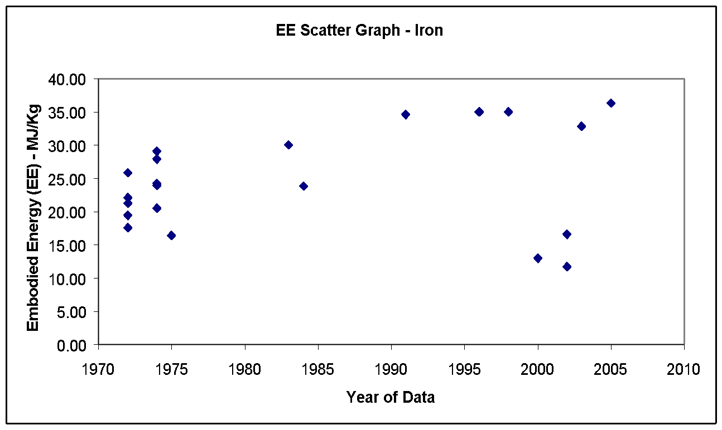 |  |  |  | No fuel split or embodied carbon breakdown was available.

Material Properties (CIBSE Data)
Material |  | Condition | Thermal conductivity (W-m-1 K-1) | Density (kg m -3) | Specific heat (J kg-1 K-1) | Thermal Diffusivity (M^2 S-1)
Iron |  |  |  | 7870

Lead
Return To Main Summary

Material Profile: Lead
Embodied Energy (EE) ICE-Database Statistics - MJ/Kg
Main Material | No. Records | Average EE | Standard Deviation | Minimum EE | Maximum EE | Comments on the Database Statistics:
Lead | 33 | 45.17 | 43.72 | 7.20 | 190.00 | None
Lead, General | 33 | 45.17 | 43.72 | 7.20 | 190.00
Predominantly Recycled | 6 | 14.29 | 10.93 | 7.20 | 35.53
Unspecified | 9 | 41.83 | 35.63 | 20.00 | 134.00
Virgin | 18 | 57.14 | 49.72 | 22.00 | 190.00
Selected Embodied Energy & Carbon Coefficients and Associated Data
Material | Embodied Energy - MJ/Kg | Embodied Carbon - Kg CO2e/Kg | Boundaries | Best EE Range - MJ/Kg |  | Specific Comments
 |  |  |  | Low EE | High EE
General Lead | 25.2 | 1.67 | Cradle to Gate | 16 | 33 | Assumes recycling rate of 61.5%. Mass based allocation.
Primary Lead | 49 | 3.37 |  | 30 | 60 | Selected value is representative of a small band of frequently quoted values.
Secondary Lead | 10 | 0.58 |  | 7 | 16

Comments | Due to one of the methods of producing lead (lead can be produced in a process that also produces zinc) there is difficulty defining the energy attributable to the lead and the zinc. Some authors will assume that the energy is divided equally between the masses of each metal (or perhaps on an economic basis). Others will assume that the zinc has the same energy as would be required to produce the zinc by other processes. The values above have assumed that the energy was divided upon a mass basis unless otherwise stated.

Material Scatter Graph |  |  |  | Embodied Energy & Embodied Carbon Split
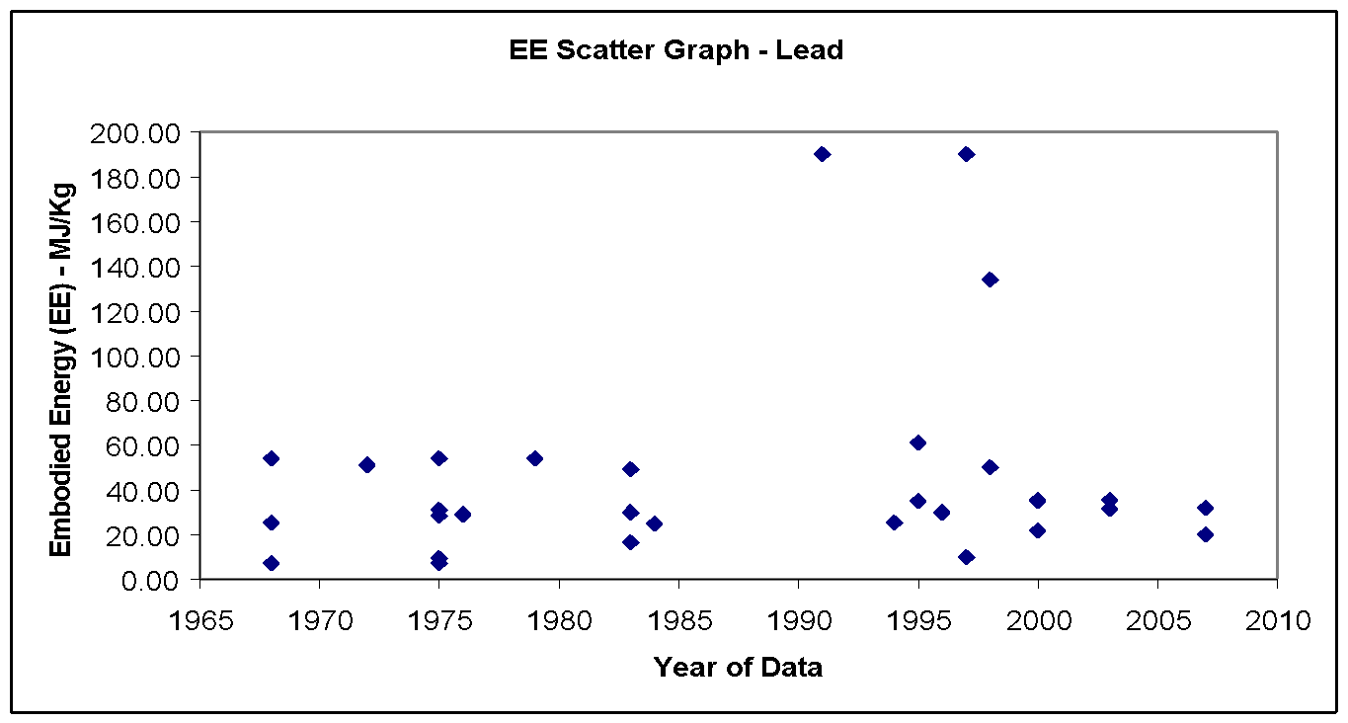 |  |  |  | Energy source | % of Embodied Energy from energy source | % of embodied carbon from energy source

 |  |  |  | Coal | 9.0% | 13.7%

 |  |  |  | LPG | 0.0% | 0.0%

 |  |  |  | Oil | 6.4% | 7.5%

 |  |  |  | Natural gas | 41.0% | 35.1%

 |  |  |  | Electricity | 43.6% | 43.7%

 |  |  |  | Other | 0.0% | 0.0%

 |  |  |  | Total | 100.0% | 100.0%

 |  |  |  | Comments:

 |  |  |  | The fuel split was taken from the typical UK fuel use in UK lead industry.

Note Space |  |  |  | Historical embodied carbon per unit fuel use

 |  |  |  | 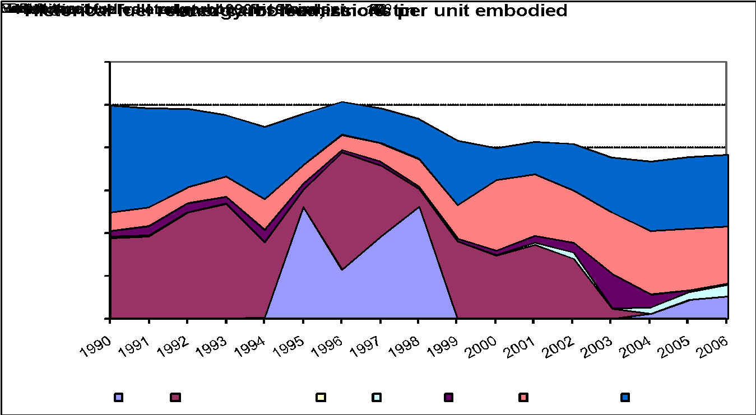

Material Properties (CIBSE Data)
Material |  | Condition | Thermal conductivity (W-m-1 K-1) | Density (kg m -3) | Specific heat (J kg-1 K-1) | Thermal Diffusivity (M^2 S-1)
lead |  |  | 35 | 11340 | 130 | 0.00002374169041

Lime
Return To Main Summary

Material Profile: Lime
Embodied Energy (EE) ICE-Database Statistics - MJ/Kg
Main Material | No. Records | Average EE | Standard Deviation | Minimum EE | Maximum EE | Comments on the Database Statistics:
Lime | 39 | 4.57 | 2.79 | 0.04 | 10.24 | None
Lime, General | 39 | 4.57 | 2.79 | 0.04 | 10.24
Unspecified | 4 | 6.51 | 4.36 | 0.20 | 10.24
Virgin | 35 | 4.24 | 2.40 | 0.04 | 9.10
Selected Embodied Energy & Carbon Coefficients and Associated Data
Material | Embodied Energy - MJ/Kg | Embodied Carbon - Kg CO2e/Kg | Boundaries | Best EE Range - MJ/Kg |  | Specific Comments
 |  |  |  | Low EE | High EE
General Lime | 5.3 | 0.78 | Cradle to Gate | 4 | 9.1 | Wide range, dependent upon manufacturing technology. Although the embodied energy was higher than for cement the UK lime industry mix of fuels were cleaner thank cement, as such its embodied carbon was lower.

Comments | Lime is often chosen as an environmentally friendly material. It was therefore surprising to learn that the embodied energy of lime was slightly higher than for cement. This was observed from the respectable sample size of 39 data records. Lime is fired in the kiln to a lower temperature than cement, which is often misconceived as proof for a lower embodied energy. The present authors suggest that yield, density, and time in the kiln are all vital parameters to total energy consumption and that firing temperature may not be used as a proxy for embodied energy. This is presented as a possibility for its higher embodied energy. It should be noted that embodied energy is, in itself, not evidence to discredit limes environmental credentials. Due to a more favourable fuel mix and slightly lower process related carbon dioxide emissions lime has a lower embodied carbon than cement. An additional benefit of using lime based mortar includes the increased ability for deconstruction, rather than demolition. The re-carbonation that occurs over the lifetimes of both cement and lime based mortars (when exposed to air) will reduce the embodied carbon impact of the materials. Its understood that this process is not undesirable for lime (unlike cement). Examination of lime's full carbon cycle, cradle-to-grave, is therefore necessary.

Material Scatter Graph |  |  |  | Embodied Energy & Embodied Carbon Split
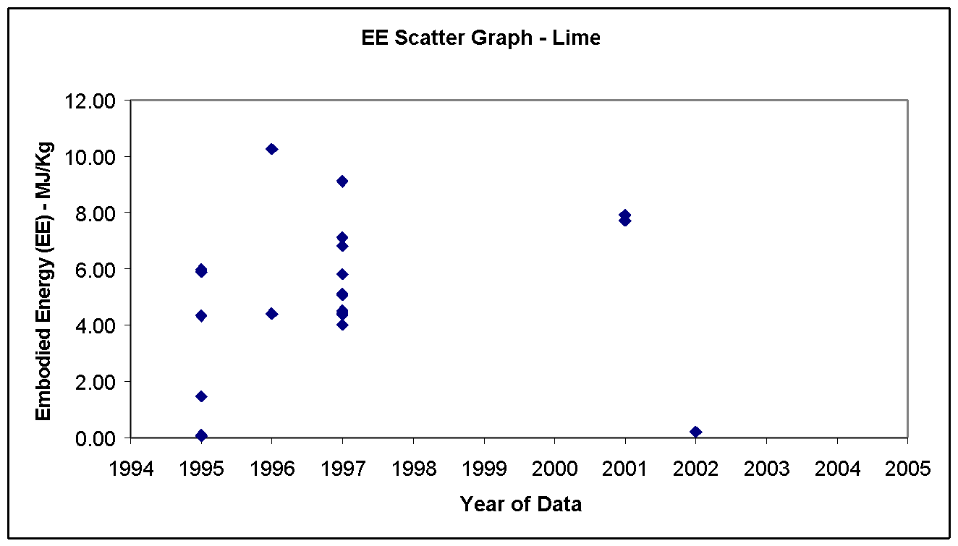 |  |  |  | Energy source | % of Embodied Energy from energy source | % of embodied carbon from energy source

 |  |  |  | Coal | 10.8% | 6.2%

 |  |  |  | LPG | 0.0% | 0.0%

 |  |  |  | Oil | 3.4% | 1.5%

 |  |  |  | Natural gas | 56.4% | 18.1%

 |  |  |  | Electricity | 29.4% | 11.1%

 |  |  |  | Other | 0.0% | 63.1%

 |  |  |  | Total | 100.0% | 100.0%

 |  |  |  | Comments:

 |  |  |  | The fuel split was taken from the typical UK fuel use in UK lime industry. Lime releases approximately 0.48 kg CO2/kg lime produced. This is a process related emission and is additional to the fuel related CO2.

Note Space |  |  |  | Historical embodied carbon per unit fuel use

 |  |  |  | 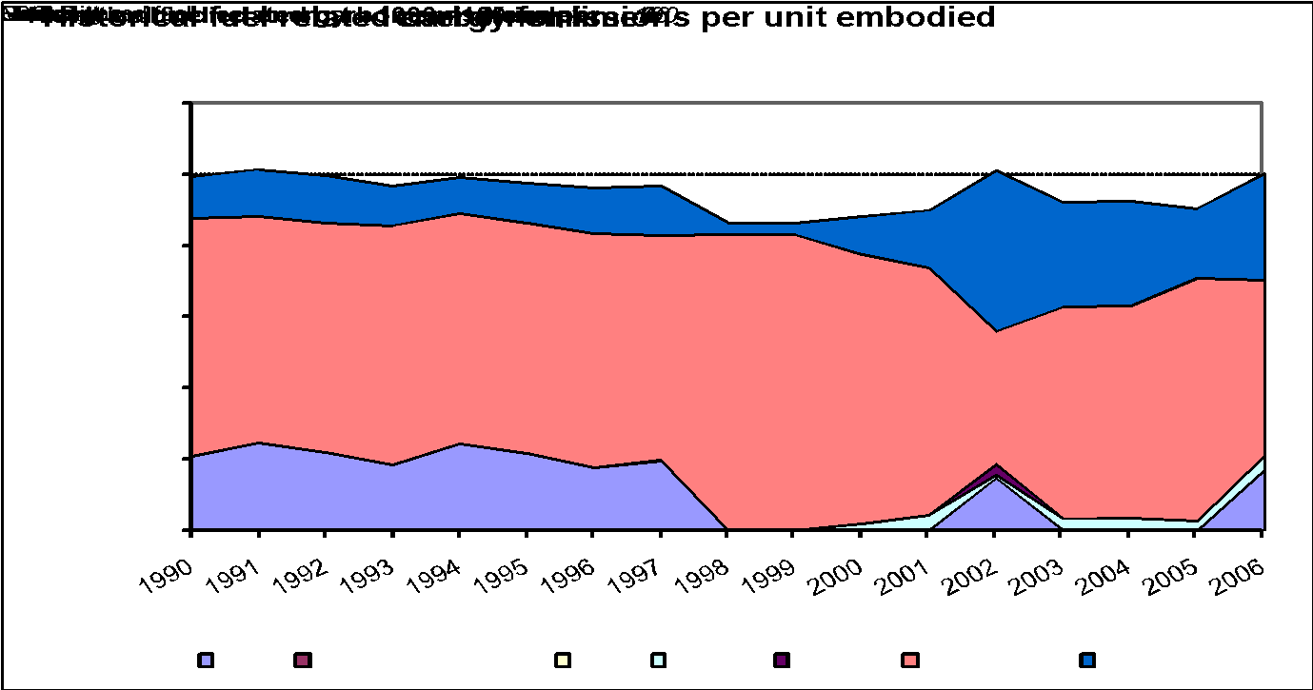

Linoleum
Return To Main Summary

Material Profile: Linoleum
Embodied Energy (EE) ICE-Database Statistics - MJ/Kg
Main Material | No. Records | Average EE | Standard Deviation | Minimum EE | Maximum EE | Comments on the Database Statistics:
Linoleum | 9 | 30.49 | 34.38 | 1.00 | 116.00 | There is a very large data range due to one record which is much higher than other sources of data, see scatter graph.
Linoleum, General | 9 | 30.49 | 34.38 | 1.00 | 116.00
Unspecified | 8 | 30.07 | 36.73 | 1.00 | 116.00
Virgin | 1 | 33.84 | 33.84 | 33.84 | -
Selected Embodied Energy & Carbon Coefficients and Associated Data
Material | Embodied Energy - MJ/Kg | Embodied Carbon - Kg CO2e/Kg | Boundaries | Best EE Range - MJ/Kg |  | Specific Comments
 |  |  |  | Low EE | High EE
General Linoleum | 25 | 1.21 | Cradle to Grave | 12 | 39.4 | Small sample size

Comments | The estimate of embodied carbon was uncertain. It is an estimate based on the data available within the database. It is common practice to analyse linoleum from cradle to grave over an assumed lifetime of the product. The above values exclude any feedstock energy from the use of linseed oil in manufacture.

Material Scatter Graph |  |  |  | Embodied Energy & Embodied Carbon Split
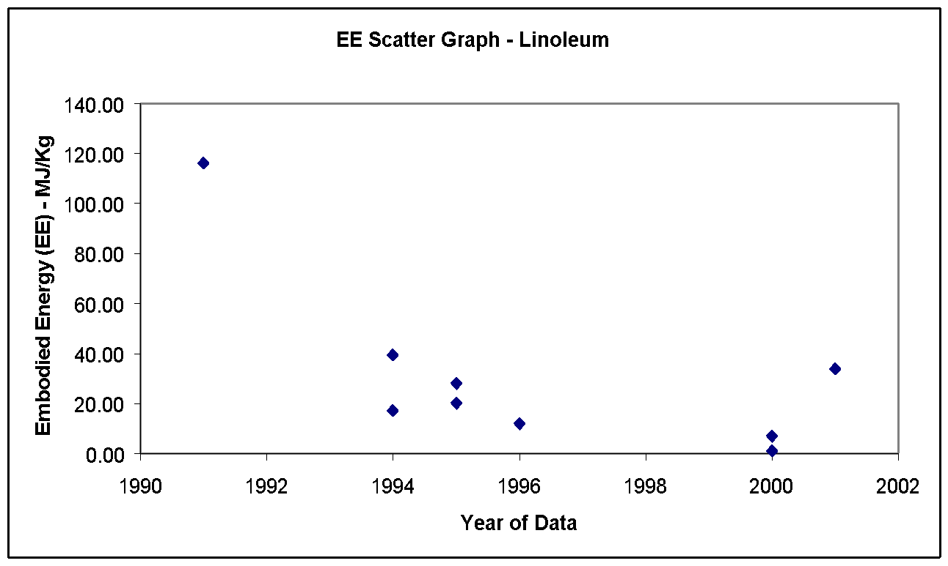 |  |  |  | No fuel split or embodied carbon breakdown was available.

Material Properties (CIBSE Data)
Material |  | Condition | Thermal conductivity (W-m-1 K-1) | Density (kg m -3) | Specific heat (J kg-1 K-1) | Thermal Diffusivity (M^2 S-1)
Linoleum |  |  | 0.19 | 1200 | 1470 | 0.0000001077097506

Paint
Return To Main Summary

Material Profile: Paint
Embodied Energy (EE) ICE-Database Statistics - MJ/Kg
Main Material | No. Records | Average EE | Standard Deviation | Minimum EE | Maximum EE | Comments on the Database Statistics:
Paint | 44 | 79.71 | 52.79 | 24.00 | 290.00 | None
Paint, General | 23 | 86.91 | 68.14 | 24.00 | 290.00
Unspecified | 23 | 86.91 | 68.14 | 24.00 | 290.00
Paint, Solventborne | 7 | 97.46 | 22.26 | 56.00 | 126.00
Unspecified | 7 | 97.46 | 22.26 | 56.00 | 126.00
Paint, Waterborne | 14 | 59.01 | 20.18 | 31.80 | 100.00
Unspecified | 14 | 59.01 | 20.18 | 31.80 | 100.00
Selected Embodied Energy & Carbon Coefficients and Associated Data
Material | Embodied Energy - MJ/Kg | Embodied Carbon - Kg CO2e/Kg | Boundaries | Best EE Range - MJ/Kg |  | Specific Comments
 |  |  |  | Low EE | High EE
General Paint | 70 | 2.91 | Cradle to Gate | Particularly high variation for embodied carbon. Also wide variation in energy. |  | Large variations in data, especially for embodied carbon. Includes feedstock energy. Water based paints have a 70% market share and a lower embodied energy than solvent based paint.
EXAMPLE: Single Coat | 10.5 MJ/Sqm | 0.44 kgCO2/Sqm |  |  |  | Assuming 6.66 Sqm Coverage per kg
EXAMPLE: Double Coat | 21.0 MJ/Sqm | 0.87 kgCO2/Sqm |  |  |  | Assuming 3.33 Sqm Coverage per kg
EXAMPLE: Triple Coat | 31.5 MJ/Sqm | 1.31 kgCO2/Sqm |  |  |  | Assuming 2.22 Sqm Coverage per kg
Waterborne Paint | 59 | 2.54 |  |  |  | Waterborne paint has a 70% of market share. Includes feedstock energy.
Solventborne Paint | 97 | 3.76 |  |  |  | Solventborne paint has a 30% share of the market. Includes feedstock energy. It was more difficult to estimate carbon emissions for Solventborne paint than waterborne.

Comments | The embodied carbon of paint within the literature had a particularly high range, this made the selection of embodied carbon coefficients difficult.

Material Scatter Graph |  |  |  | Embodied Energy & Embodied Carbon Split
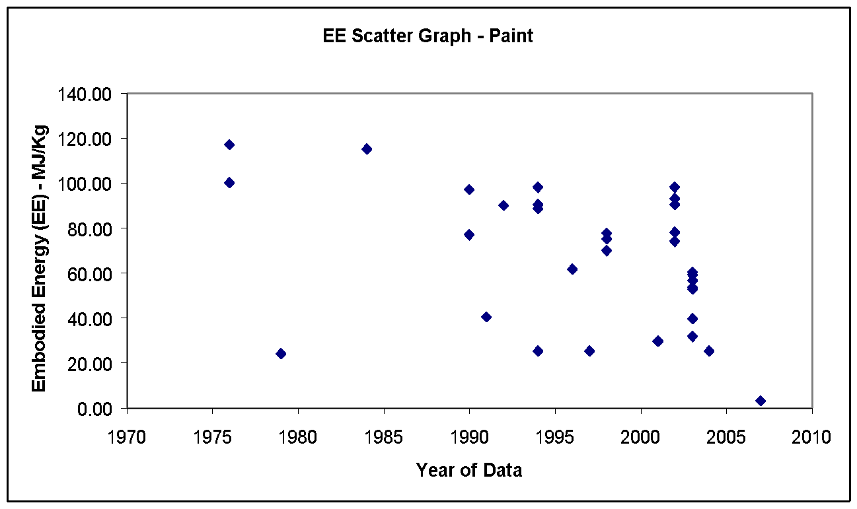 |  |  |  | Energy source | % of Embodied Energy from energy source | % of embodied carbon from energy source

 |  |  |  | Coal | 0.0% | 0.0%

 |  |  |  | LPG | 0.0% | 0.0%

 |  |  |  | Oil | 4.1% | 5.1%

 |  |  |  | Natural gas | 21.4% | 18.7%

 |  |  |  | Electricity | 74.5% | 76.2%

 |  |  |  | Other | 0.0% | 0.0%

 |  |  |  | Total | 100.0% | 100.0%

 |  |  |  | Comments:

 |  |  |  | The embodied carbon was estimated by using the UK typical fuel split in this industry. It excludes the energy used for feedstock materials.

Note Space |  |  |  | Historical embodied carbon per unit fuel use

 |  |  |  | 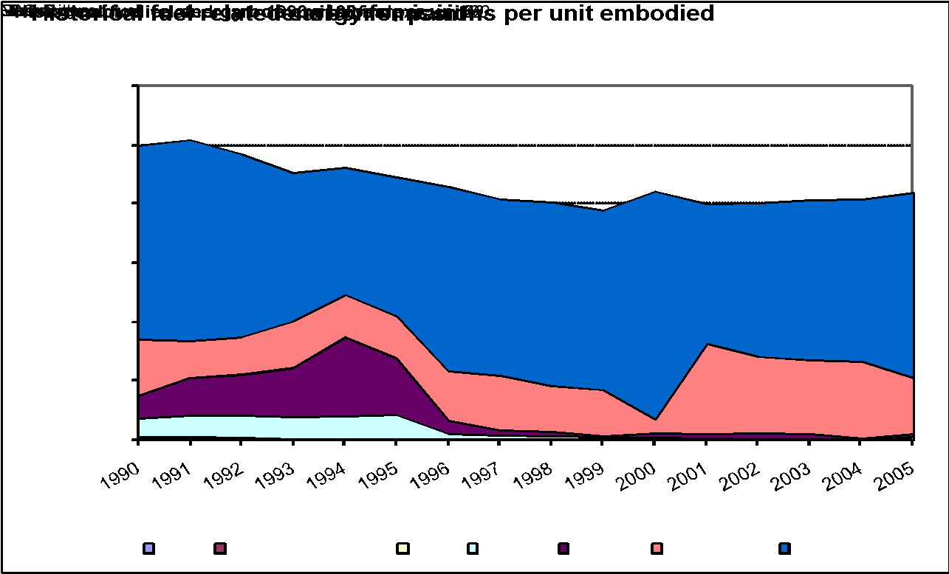

Paper
Return To Main Summary

Material Profile: Paper
Embodied Energy (EE) ICE-Database Statistics - MJ/Kg
Main Material | No. Records | Average EE | Standard Deviation | Minimum EE | Maximum EE | Comments on the Database Statistics:
Paper | 58 | 27.75 | 14.07 | 5.18 | 61.26 | None
Paper, Cardboard | 11 | 29.97 | 14.51 | 10.70 | 60.00
Other Specification | 4 | 26.31 | 16.13 | 10.70 | 40.83
Predominantly Recycled | 4 | 25.66 | 9.16 | 13.20 | 35.27
Unspecified | 2 | 43.15 | 23.83 | 26.30 | 60.00
Virgin | 1 | 35.50 | 35.50 | 35.50 | -
Paper, General Paper | 47 | 27.22 | 14.08 | 5.18 | 61.26
Market Average | 2 | 11.83 | 5.90 | 7.66 | 16.00
Other Specification | 3 | 14.60 | 3.73 | 12.20 | 18.90
Predominantly Recycled | 4 | 16.82 | 12.93 | 5.18 | 31.80
Unspecified | 14 | 27.94 | 9.90 | 9.30 | 42.00
Virgin | 24 | 31.58 | 15.45 | 12.70 | 61.26
Selected Embodied Energy & Carbon Coefficients and Associated Data
Material | Embodied Energy - MJ/Kg | Embodied Carbon - Kg CO2e/Kg | Boundaries | Best EE Range - MJ/Kg |  | Specific Comments
 |  |  |  | Low EE | High EE
Paperboard (General construction purposes) | 24.80 | 1.29 CO2 only | Cradle to Gate | 10 | 39 | -
Fine Paper | 28.20 | 1.49 CO2 only |  | 12 | 42 | -
EXAMPLE: 1 packet A4 paper | 70.50 | 3.73 CO2 only |  | (+/- 30%) |  | Standard 80g/sqm printing paper, 500 sheets a pack. Doesn't include printing.
Wallpaper | 36.40 | 1.93 CO2 only |  | (+/- 30%) |  | -

Comments | Much of the data on paper in the database was outdated. Notable improvements have been made within this industry in this time period. The best values in the database were selected and then modified to take into account the current situation. The values exclude the CV (Calorific Value) of wood and the effect of carbon sequestration, which is a complex discussion (see the material profile for timber).

Material Scatter Graph |  |  |  | Embodied Energy & Embodied Carbon Split
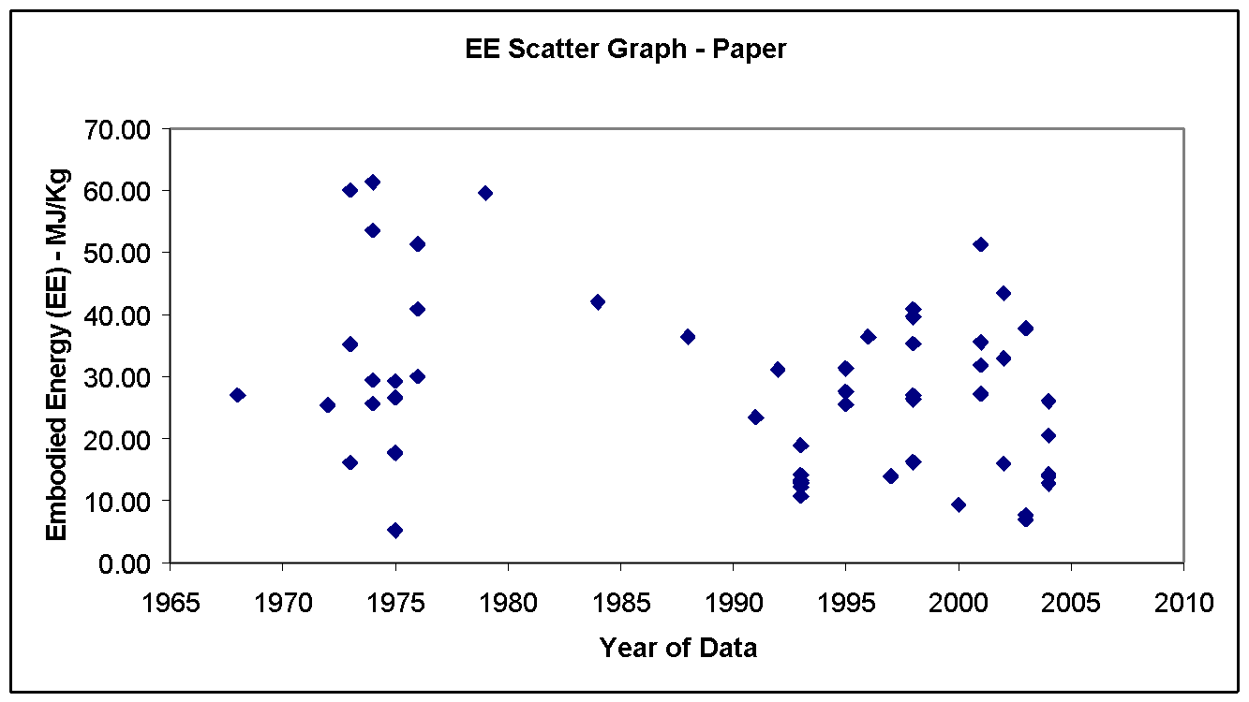 |  |  |  | Energy source | % of Embodied Energy from energy source | % of embodied carbon from energy source

 |  |  |  | Coal | 0.0% | 0.0%

 |  |  |  | LPG | 0.0% | 0.0%

 |  |  |  | Oil | 5.0% | 6.2%

 |  |  |  | Natural gas | 32.8% | 29.1%

 |  |  |  | Electricity | 62.2% | 64.7%

 |  |  |  | Other | 0.0% | 0.0%

 |  |  |  | Total | 100.0% | 100.0%

 |  |  |  | Comments:

 |  |  |  | The embodied carbon was estimated by using the UK typical fuel split in the paper and paperboard industry.

Note Space |  |  |  | Historical embodied carbon per unit fuel use

 |  |  |  | 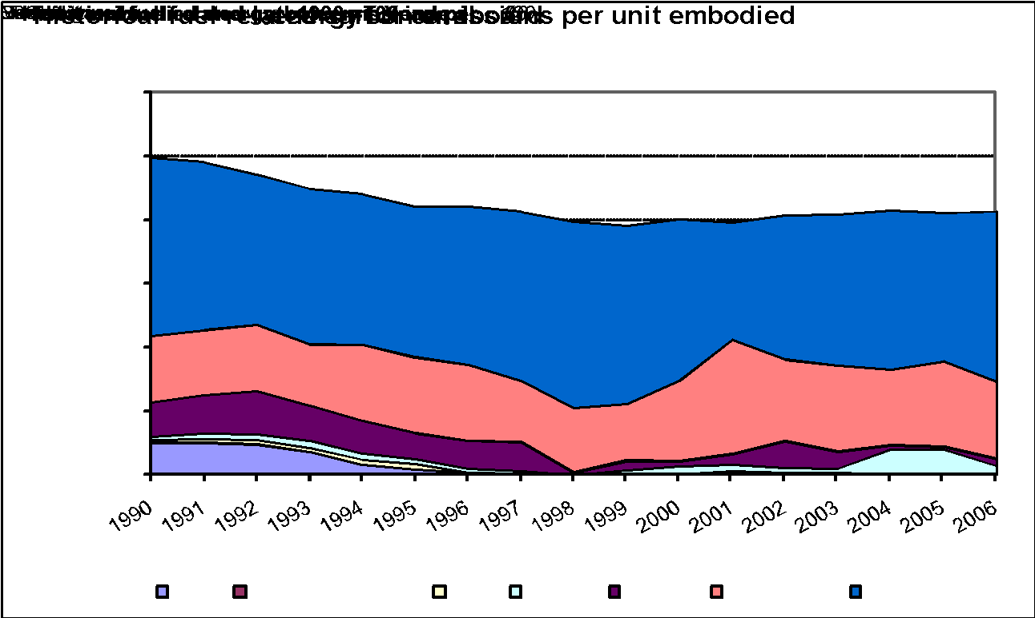

Material Properties (CIBSE Data)
Material |  | Condition | Thermal conductivity (W-m-1 K-1) | Density (kg m -3) | Specific heat (J kg-1 K-1) | Thermal Diffusivity (M^2 S-1)
- bitumen impregnated paper |  |  | 0.06 | 1090 | 1000 | 0.00000005504587156
- laminated paper |  |  | 0.072 | 480 | 1380 | 0.0000001086956522

Plastics
Return To Main Summary

Material Profile: Plastics
Embodied Energy (EE) ICE-Database Statistics - MJ/Kg
Main Material | No. Records | Average EE | Standard Deviation | Minimum EE | Maximum EE | Comments on the Database Statistics:
Plastics | 239 | 105.80 | 60.22 | 1.24 | 380.00 | Care needs to be taken when examining these statistics, the inclusion or exclusion of feedstock energy is not apparent here, but only when analysing data within the main ICE-Database. The majority of the records include the feedstock energy, hence the statistics should be more representative of the inclusion of the feedstocks.
Plastics, ABS | 8 | 77.83 | 45.17 | 1.24 | 114.20
Market Average | 1 | 95.30 | 95.30 | 95.30
Predominantly Recycled | 2 | 7.19 | 8.41 | 1.24 | 13.13
Unspecified | 4 | 99.70 | 15.19 | 79.90 | 112.20
Virgin | 1 | 114.20 | 114.20 | 114.20
plastics, Acrylic | 3 | 90.67 | 37.82 | 56.00 | 131.00
Unspecified | 2 | 70.50 | 20.51 | 56.00 | 85.00
Virgin | 1 | 131.00 | 131.00 | 131.00
Plastics, General | 24 | 105.30 | 37.67 | 45.70 | 162.00
Unspecified | 11 | 123.57 | 41.59 | 73.60 | 162.00
Virgin | 13 | 89.84 | 26.70 | 45.70 | 151.10
Plastics, High Density Polyethylene (HDPE) | 11 | 79.67 | 25.39 | 18.60 | 103.00
Market Average | 2 | 80.55 | 5.44 | 76.70 | 84.40
Predominantly Recycled | 1 | 18.60 | 18.60 | 18.60
Unspecified | 6 | 95.15 | 8.96 | 80.98 | 103.00
Virgin | 2 | 62.90 | 16.83 | 51.00 | 74.80
Plastics, Low Density Polyethylene (LDPE) | 7 | 77.72 | 16.26 | 51.00 | 103.00
Market Average | 2 | 83.70 | 7.92 | 78.10 | 89.30
Unspecified | 3 | 82.55 | 18.28 | 67.80 | 103.00
Virgin | 2 | 64.50 | 19.09 | 51.00 | 78.00
Plastics, Nylon | 33 | 205.36 | 77.70 | 79.70 | 365.00
Market Average | 1 | 138.60 | 138.60 | 138.60
Unspecified | 31 | 202.36 | 73.70 | 79.70 | 360.00
Virgin | 1 | 365.00 | 365.00 | 365.00
Plastics, Polyamide Resin (PA) | 1 | 137.60 | 137.60 | 137.60
Unspecified | 1 | 137.60 | 137.60 | 137.60
Plastics, Polycarbonate | 5 | 109.30 | 30.59 | 80.30 | 158.51
Market Average | 1 | 112.90 | 112.90 | 112.90
Unspecified | 4 | 108.40 | 35.25 | 80.30 | 158.51
Plastics, Polyester | 7 | 103.83 | 122.11 | 53.70 | 380.00
Unspecified | 6 | 57.80 | 9.90 | 53.70 | 78.00
Virgin | 1 | 380.00 | 380.00 | 380.00
Plastics, Polyethylene | 14 | 89.72 | 32.77 | 59.04 | 188.59
Market Average | 1 | 85.83 | 85.83 | 85.83
Unspecified | 11 | 89.96 | 35.88 | 59.04 | 188.59
Virgin | 2 | 91.00 | 91.00 | 91.00
Plastics, Polyethylterepthalate (PET) | 11 | 90.45 | 32.88 | 21.90 | 153.30
Predominantly Recycled | 1 | 21.90 | 21.90 | Not enough data for accurate range. Likely to be high.
Unspecified | 6 | 89.18 | 18.03 | 59.40 | 107.00
Virgin | 4 | 109.50 | 31.77 | 77.30 | 153.30
Plastics, Polypropylene | 21 | 93.97 | 31.14 | 40.20 | 171.00
Market Average | 3 | 95.89 | 21.06 | 73.37 | 115.10
Unspecified | 15 | 90.89 | 31.56 | 40.20 | 171.00
Virgin | 3 | 107.44 | 43.94 | 62.20 | 149.95
Plastics, Polystyrene | 36 | 100.09 | 22.86 | 58.40 | 151.00
Market Average | 4 | 92.90 | 10.90 | 86.40 | 109.20
Predominantly Recycled | 1 | 90.25 | 90.25 | 90.25
Unspecified | 18 | 99.38 | 19.64 | 74.43 | 151.00
Virgin | 13 | 104.03 | 30.09 | 58.40 | 149.35
Plastics, Polyurethane | 11 | 80.10 | 15.95 | 65.20 | 110.00
Unspecified | 10 | 77.66 | 14.47 | 65.20 | 110.00
Virgin | 1 | 104.60 | 104.60 | 104.60
Plastics, PVC | 44 | 70.61 | 21.00 | 15.10 | 120.00
Market Average | 6 | 68.95 | 13.59 | 57.54 | 95.10
Predominantly Recycled | 1 | 15.10 | 15.10 | 15.10
Unspecified | 27 | 72.73 | 19.61 | 30.83 | 120.00
Virgin | 10 | 71.53 | 23.37 | 38.20 | 106.62
Plastics, Resin | 1 | 200.00 | 200.00 | 200.00
Unspecified | 1 | 200.00 | 200.00 | 200.00
Plastics, UPVC | 2 | 94.70 | 35.78 | 69.40 | 120.00
Market Average | 1 | 69.40 | 69.40 | 69.40
Unspecified | 1 | 120.00 | 120.00 | 120.00
Selected Embodied Energy & Carbon Coefficients and Associated Data
Material | Embodied Energy - MJ/Kg | Feedstock Energy (Included) - MJ/Kg | Embodied Carbon - Kg CO2e/Kg | Boundaries | Best EE Range - MJ/Kg |  | Specific Comments
 |  |  |  |  | Low EE | High EE
General Plastic | 80.5 | 35.6 | 3.31 | Cradle to Gate | (+/- 30%) |  | Determined by the average use of each type of plastic used in the European construction industry. Average density 960 kg/m^3
ABS | 95.3 | 48.6 | 3.76
General Polyethylene | 83.1 | 54.4 | 2.54 |  |  |  | Based on average use of types of PE in European construction
High Density Polyethylene (HDPE) | 76.7 | 54.3 | 1.93
HDPE Pipe | 84.4 | 55.1 | 2.52
Low Density Polyethylene (LDPE) | 78.1 | 51.6 | 2.08
LDPE Film | 89.3 | 55.2 | 2.6
Nylon (Polyamide) 6 | 120.5 | 38.6 | 9.14
Nylon (Polyamide) 6,6 | 138.6 | 50.7 | 7.92
Polycarbonate | 112.9 | 36.7 | 7.62
Polypropylene, Orientated Film | 99.2 | 55.7 | 3.43
Polypropylene, Injection Moulding | 115.1 | 54 | 4.49
Expanded Polystyrene | 88.6 | 46.2 | 3.29
General Purpose Polystyrene | 86.4 | 46.3 | 3.43
High Impact Polystyrene | 87.4 | 46.4 | 3.42
Thermoformed Expanded Polystyrene | 109.2 | 49.7 | 4.39
Polyurethane Flexible Foam | 102.1 | 33.47 | 4.84 |  |  |  | Poor data availability of feedstock energy
Polyurethane Rigid Foam | 101.5 | 37.07 | 4.26
PVC General | 77.2 | 28.1 | 3.10 |  |  |  | Based on the market average use of types of PVC in the European construction industry
PVC Pipe | 67.5 | 24.4 | 3.23
Calendered Sheet PVC | 68.6 | 24.4 | 3.19
PVC Injection Moulding | 95.1 | 35.1 | 3.30
UPVC Film | 69.4 | 25.3 | 3.16

Comments | The newest data conversion to GWP was significant for plastics. Most of the selected values are from the Association of Plastic Manufacturers in Europe (APME), see www.plasticseurope.org, who have completed many detailed LCA studies for plastics. Their data is available freely on the internet as eco-profiles. With the selected mix of plastics the average density for general plastic was 960 kg/m^3.

Material Scatter Graph |  |  |  |  | Embodied Energy & Embodied Carbon Split
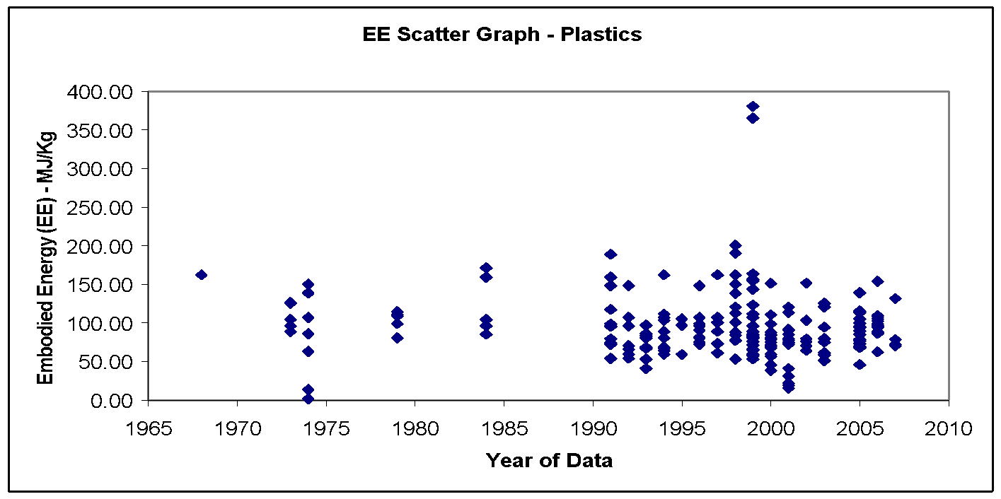 |  |  |  |  | Energy source | % of Embodied Energy from energy source | % of embodied carbon from energy source

 |  |  |  |  | Electricity | 44.8% | 42.4%

 |  |  |  |  | Oil fuels | 22.3% | 27.2%

 |  |  |  |  | Other Fuels | 32.9% | 30.4%

 |  |  |  |  | Total | 100.0% | 100.0%

 |  |  |  |  | Comments:

 |  |  |  |  | The fuel split data was estimated from the data available from the APME and the assumed use of plastic types in the construction industry. The APME did not provide details of the embodied carbon split or information about the emission factors they apply. The above carbon values are an estimation. They all exclude the feedstock energy (59.6% oil, 40.4% oil fuels).

Material Properties (CIBSE Data)
Material |  | Condition | Thermal conductivity (W-m-1 K-1) | Density (kg m -3) |  | Specific heat (J kg-1 K-1) | Thermal Diffusivity (M^2 S-1)
Polyvinylchloride (PVC) |  |  | 0.16 | 1380 |  | 1000 | 0.000000115942029
tiles |  |  | 0.19 | 1200 |  | 1470 | 0.0000001077097506
Foam:
phenol |  |  | 0.04 | 30 |  | 1400 | 0.0000009523809524
phenol, rigid |  |  | 0.035 | 110 |  | 1470 | 0.0000002164502165
polyisocyanate |  |  | 0.03 | 45 |  | 1470 | 0.0000004535147392
polyurethane |  |  | 0.028 | 30 |  | 1470 | 0.0000006349206349
polyurethane, freon-filled |  |  | 0.03 | 45 |  | 1470 | 0.0000004535147392
polyvinylchloride |  |  | 0.035 | 37 |  | 1470 | 0.0000006435006435
urea formaldehyde |  |  | 0.04 | 10 |  | 1400 | 0.000002857142857
urea formaldehyde resin |  |  | 0.054 | 14 |  | 1470 | 0.000002623906706
plastic tiles |  |  | 0.5 | 1050 |  | 840 | 0.000000566893424
polyurethane, expanded |  |  | 0.023 | 24 |  | 1590 | 0.0000006027253669
polyurethane, unfaced |  | At 10°C | 0.023 | 32 |  | 1590 | 0.0000004520440252

Rubber
Return To Main Summary

Material Profile: Rubber
Embodied Energy (EE) ICE-Database Statistics - MJ/Kg
Main Material | No. Records | Average EE | Standard Deviation | Minimum EE | Maximum EE | Comments on the Database Statistics:
Rubber | 17 | 96.53 | 37.65 | 40.30 | 150.40 | Care must be taken with these statistics, some include and some exclude feedstock energy. The best indicators are those selected by the authors, who have analysed the data knowing which data points include feedstocks and which exclude them.
Rubber, General | 8 | 109.33 | 44.90 | 40.30 | 150.40
Unspecified | 5 | 140.59 | 12.58 | 119.56 | 150.40
Virgin | 3 | 57.24 | 15.06 | 40.30 | 69.11
Rubber, Natural | 5 | 73.38 | 9.96 | 67.50 | 91.00
Unspecified | 5 | 73.38 | 9.96 | 67.50 | 91.00
Rubber, Synthetic | 4 | 99.88 | 37.15 | 64.40 | 147.60
Unspecified | 4 | 99.88 | 37.15 | 64.40 | 147.60
Selected Embodied Energy & Carbon Coefficients and Associated Data
Material | Embodied Energy - MJ/Kg | Feedstock Energy (Included) - MJ/Kg | Embodied Carbon - Kg CO2e/Kg | Boundaries | Best EE Range - MJ/Kg |  | Specific Comments
 |  |  |  |  | Low EE | High EE
General Rubber | 91 | 40 | 2.85 | Cradle to Gate | Not enough data for accurate range. Estimated range +/- 40% |  | -

Comments | It was difficult to estimate the data for rubber, the limited data suggests that natural (latex) rubber has a lower embodied energy than synthetic rubber. However due to the limited data quantity and quality these categories have been removed from the present ICE database and are replaced with a single generic rubber category

Material Scatter Graph |  |  |  |  | Embodied Energy & Embodied Carbon Split
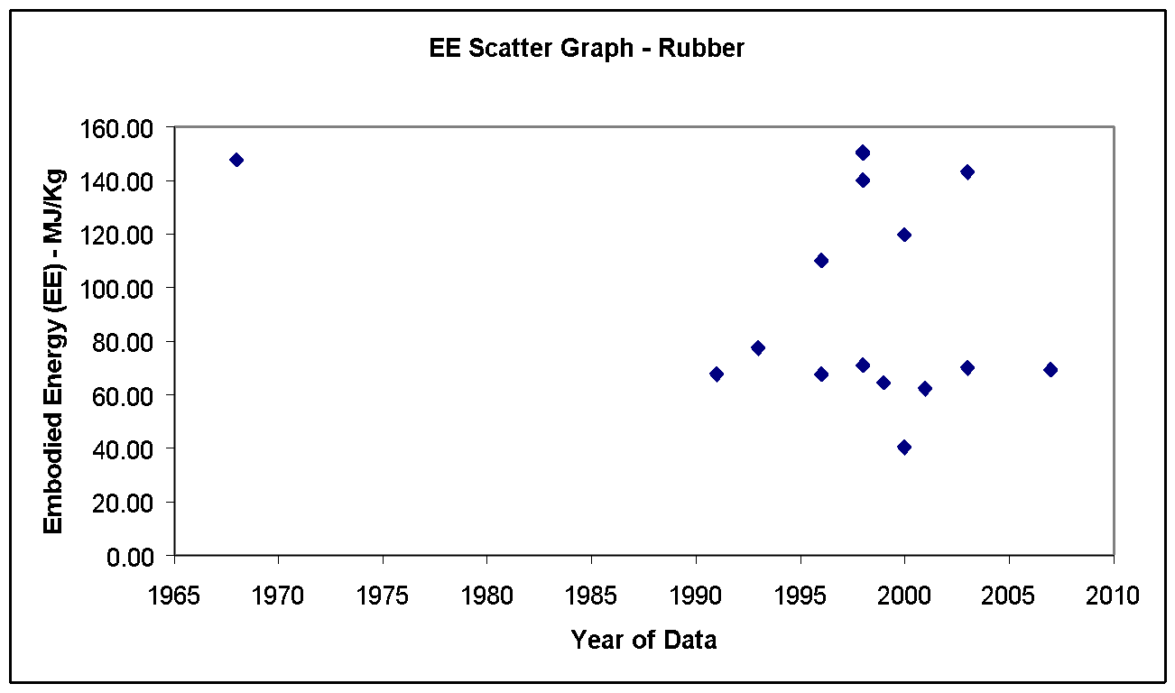 |  |  |  |  | Energy source | % of Embodied Energy from energy source | % of embodied carbon from energy source

 |  |  |  |  | Coal | 0.0% | 0.0%

 |  |  |  |  | LPG | 0.0% | 0.0%

 |  |  |  |  | Oil | 8.9% | 10.9%

 |  |  |  |  | Natural gas | 22.1% | 19.1%

 |  |  |  |  | Electricity | 69.0% | 70.0%

 |  |  |  |  | Other | 0.0% | 0.0%

 |  |  |  |  | Total | 100.0% | 100.0%

 |  |  |  |  | Comments:

 |  |  |  |  | The selected values of embodied carbon are from the typical UK fuel mix in the rubber industry. The above fuel mix does not include the feedstock energy.

Material Properties (CIBSE Data)
Material |  | Condition | Thermal conductivity (W-m-1 K-1) | Density (kg m -3) |  | Specific heat (J kg-1 K-1) | Thermal Diffusivity (M^2 S-1)
Rubber |  |  | 0.17 | 1500 |  | 1500 | 0.00000007555555556
expanded board, rigid |  |  | 0.032 | 70 |  | 70 | 0.000006530612245
hard |  |  | 0.15 | 1200 |  | 1200 | 0.0000001041666667
tiles |  |  | 0.3 | 1600 |  | 1600 | 0.0000001171875

Sand
Return To Main Summary

Material Profile: Sand
Embodied Energy (EE) ICE-Database Statistics - MJ/Kg
Main Material | No. Records | Average EE | Standard Deviation | Minimum EE | Maximum EE | Comments on the Database Statistics:
Sand | 18 | 0.21 | 0.23 | 0.02 | 0.63 | These statistics were obscured by a few high values (See scatter chart)
Sand, General | 18 | 0.21 | 0.23 | 0.02 | 0.63
Unspecified | 12 | 0.24 | 0.24 | 0.02 | 0.63
Virgin | 6 | 0.15 | 0.22 | 0.02 | 0.55
Selected Embodied Energy & Carbon Coefficients and Associated Data
Material | Embodied Energy - MJ/Kg | Embodied Carbon - Kg CO2e/Kg | Boundaries | Best EE Range - MJ/Kg |  | Specific Comments
 |  |  |  | Low EE | High EE
General Sand | 0.0081 | 0.0051 | Cradle to Gate | 0.05 | 0.15 | Estimated from UK industrial fuel consumption data.

Comments | Transport is a significant contributor to the cradle to gate embodied energy of sand. The impacts of transporting the sand must be added to these values.

Material Scatter Graph |  |  |  | Embodied Energy & Embodied Carbon Split
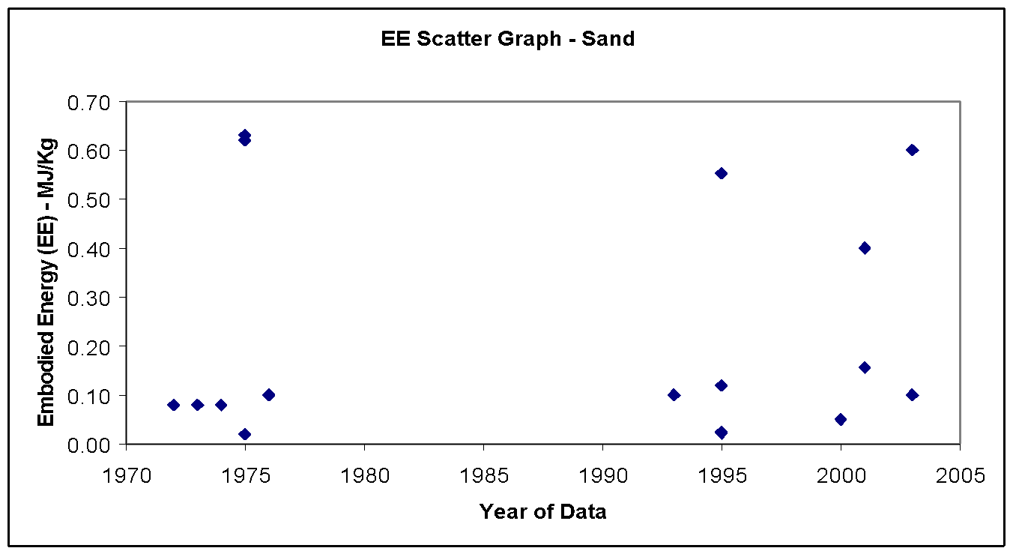 |  |  |  | Energy source | % of Embodied Energy from energy source | % of embodied carbon from source

 |  |  |  | Coal | 0.0% | 0.0%

 |  |  |  | LPG | 0.0% | 0.0%

 |  |  |  | Oil | 26.5% | 29.8%

 |  |  |  | Natural gas | 8.0% | 6.6%

 |  |  |  | Electricity | 65.5% | 63.6%

 |  |  |  | Other | 0.0% | 0.0%

 |  |  |  | Total | 100.0% | 100.0%

 |  |  |  | Comments:

 |  |  |  | The embodied carbon was estimated by using the UK typical fuel split in this industry.

Note Space |  |  |  | Historical embodied carbon per unit fuel use

 |  |  |  | 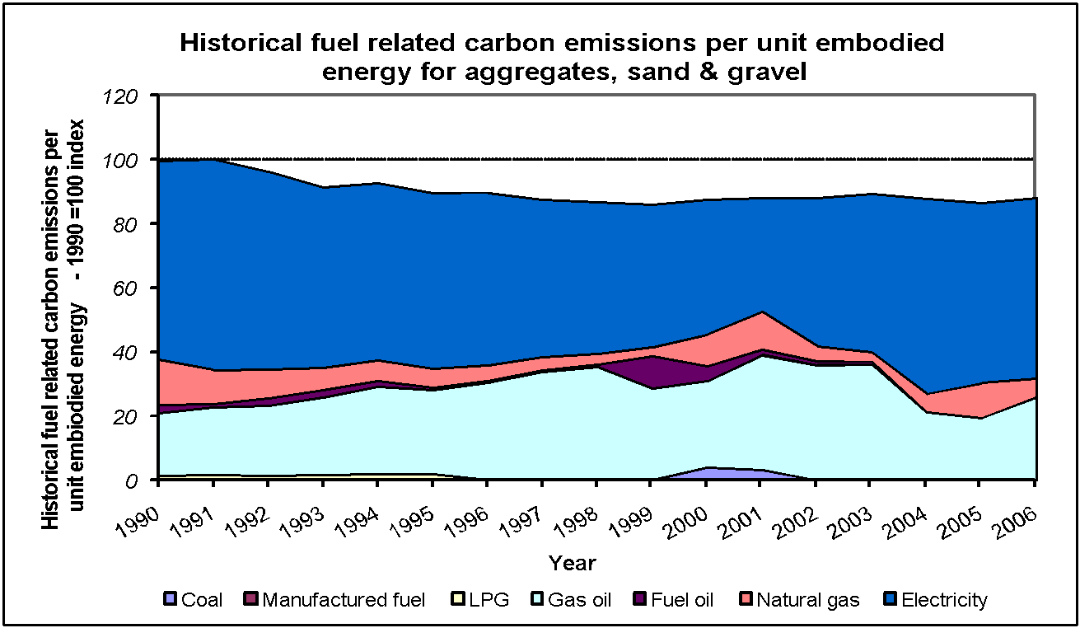

Material Properties (CIBSE Data)
Material |  | Condition | Thermal conductivity (W-m-1 K-1) | Density (kg m -3) | Specific heat (J kg-1 K-1) | Thermal Diffusivity (M^2 S-1)
sand |  |  | 1.74 | 2240 | 840 | 0.000000924744898

Sealants & Adhesives
Return To Main Summary

Material Profile: Sealants & Adhesives
Embodied Energy (EE) ICE-Database Statistics - MJ/Kg
Main Material | No. Records | Average EE | Standard Deviation | Minimum EE | Maximum EE | Comments on the Database Statistics:
Sealants and adhesives | 17 | 83.60 | 44.90 | 8.00 | 200.00 | There were more materials (sealants and adhesives) in the ICE database than have been used for this inventory, as can be observed from these database statistics. limited data from quality resources made selection of coefficients difficult.
Sealants and adhesives, Epoxide Resin | 2 | 139.96 | 0.91 | 139.32 | 140.60
Market Average | 1 | 139.32 | 139.32 | 139.32
Unspecified | 1 | 140.60 | 140.60 | 140.60
Sealants and adhesives, General Adhesives | 2 | 61.67 | 23.57 | 45.00 | 78.34
Unspecified | 2 | 61.67 | 23.57 | 45.00 | 78.34
Sealants and adhesives, General sealants | 1 | 8.00 | 8.00 | 8.00
Unspecified | 1 | 8.00 | 8.00 | 8.00
Sealants and adhesives, Mastic Sealant | 2 | 131.14 | 97.38 | 62.28 | 200.00
Unspecified | 2 | 131.14 | 97.38 | 62.28 | 200.00
Sealants and adhesives, melamine resin | 2 | 96.36 | 23.27 | 79.90 | 112.81
Unspecified | 2 | 96.36 | 23.27 | 79.90 | 112.81
Sealants and adhesives, Phenol Formaldehyde | 3 | 78.77 | 16.30 | 60.00 | 89.32
Unspecified | 3 | 78.77 | 16.30 | 60.00 | 89.32
Sealants and adhesives, Urea Formaldehyde | 5 | 63.74 | 17.53 | 40.00 | 78.20
Unspecified | 5 | 63.74 | 17.53 | 40.00 | 78.20
Selected Embodied Energy & Carbon Coefficients and Associated Data
Material | Embodied Energy - MJ/Kg | Feedstock Energy (Included) - MJ/Kg | Embodied Carbon - Kg CO2e/Kg | Boundaries | Best EE Range - MJ/Kg |  | Specific Comments
 |  |  |  |  | Low EE | High EE
Epoxide Resin | 137 | 42.6 | 5.7 CO2 only | Cradle to Gate | (+/- 20%) |  | Source: www.plasticseurope.org
Mastic Sealant | 62 to 200 | ? | ? | Cradle to Gate | - | - | Only two data sources, with large range, data includes an unknown value of feedstock energy.
Melamine Resin | 97 | 18 | 4.19 CO2 only | Cradle to Gate | (+/- 30%) |  | Feedstock energy 18 MJ/kg - estimated from Ref. 34.
Phenol Formaldehyde | 88 | 32 | 2.98 CO2 only | Cradle to Grave | - | - | Feedstock energy 32 MJ/kg - estimated from Ref. 34.
Urea Formaldehyde | 70 | 18 | 2.76 CO2 only | Cradle to Site | (+/- 30%) |  | Feedstock energy 18 MJ/kg - estimated from Ref. 34.

Comments | The data on sealants & adhesives was very limited, especially with regards to feedstock energy and carbon emissions.

Material Scatter Graph |  |  |  |  | Embodied Energy & Embodied Carbon Split
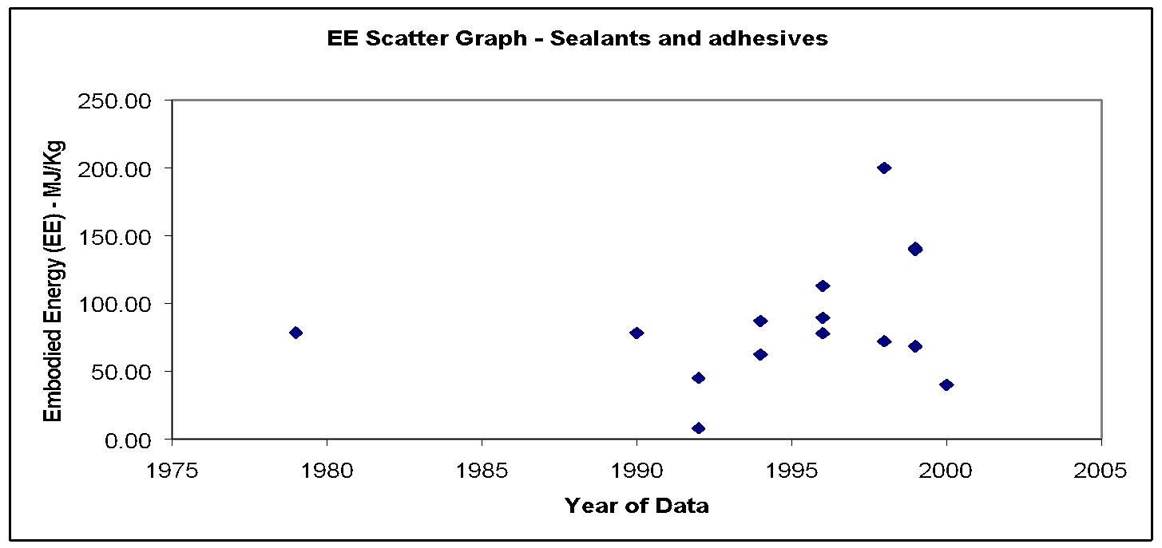 |  |  |  |  | No fuel split or embodied carbon breakdown was available.

Soil
Return To Main Summary

Material Profile: Soil
Embodied Energy (EE) ICE-Database Statistics - MJ/Kg
Main Material | No. Records | Average EE | Standard Deviation | Minimum EE | Maximum EE | Comments on the Database Statistics:
Soil | 7 | 0.45 | 0.26 | 0.10 | 0.73 | None
Soil, General | 7 | 0.45 | 0.26 | 0.10 | 0.73
Unspecified | 7 | 0.45 | 0.26 | 0.10 | 0.73
Selected Embodied Energy & Carbon Coefficients and Associated Data
Material | Embodied Energy - MJ/Kg | Embodied Carbon - Kg CO2e/Kg | Boundaries | Best EE Range - MJ/Kg |  | Specific Comments
 |  |  |  | Low EE | High EE
General (Rammed) Soil | 0.45 | 0.024 | Cradle to Site | 0.15 | 0.73 | -
Cement stabilised soil @ 5% | 0.68 | 0.061 |  | (+/- 30%) |  | Assumed 5% cement content
Cement stabilised soil @ 8% | 0.83 | 0.084 |  |  |  | Assumed 8% stabiliser contents (6% cement and 2% lime)
GGBS stabilised soil | 0.65 | 0.047 |  |  |  | Assumed 8% stabiliser contents (8% GGBS and 2% lime)
Fly ash stabilised soil | 0.56 | 0.041 |  |  |  | Assumed 10% stabiliser contents (8% fly ash and 2% lime)

Comments | Data was limited for soil. Soil stabilised data was estimated from the stabiliser contents and the ICE data.

Material Scatter Graph |  |  |  | Embodied Energy & Embodied Carbon Split
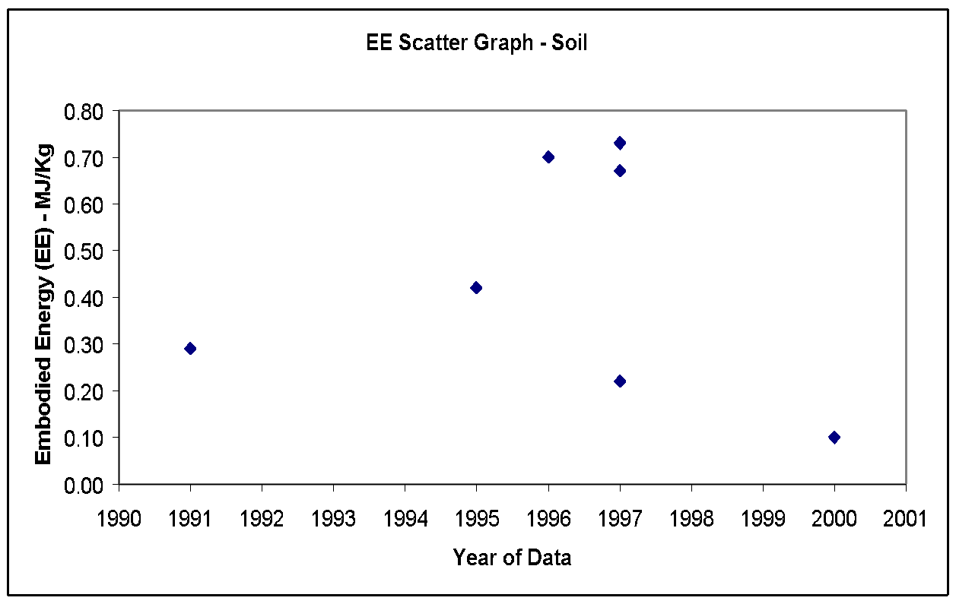 |  |  |  | No fuel split or embodied carbon breakdown was available.

Material Properties (CIBSE Data)
Material |  | Condition | Thermal conductivity (W-m-1 K-1) | Density (kg m -3) | Specific heat (J kg-1 K-1) | Thermal Diffusivity (M^2 S-1)
earth, common |  |  | 1.28 | 1460 | 880 | 0.00000099626401
earth, gravel-based |  |  | 0.52 | 2050 | 180 | 0.000001409214092

Steel
Return To Main Summary

Material Profile: Steel
Embodied Energy (EE) ICE-Database Statistics - MJ/Kg
Main Material | No. Records |  |  |  |  | Average EE |  |  |  |  | Standard Deviation | Minimum EE | Maximum EE | Comments on the Database Statistics:
Steel | 180 |  |  |  |  | 31.25 |  |  |  |  | 16.50 | 6.00 | 95.70 | None
Steel, General | 154 |  |  |  |  | 29.36 |  |  |  |  | 13.45 | 6.00 | 77.00
50% Recycled | 2 |  |  |  |  | 32.75 |  |  |  |  | 20.86 | 18.00 | 47.50
Market Average | 11 |  |  |  |  | 25.68 |  |  |  |  | 5.92 | 18.20 | 36.00
Other Specification | 2 |  |  |  |  | 19.40 |  |  |  |  | 0.71 | 18.90 | 19.90
Predom. Recycled | 33 |  |  |  |  | 13.60 |  |  |  |  | 4.86 | 6.00 | 23.40
Unspecified | 49 |  |  |  |  | 31.96 |  |  |  |  | 10.61 | 12.50 | 77.00
Virgin | 57 |  |  |  |  | 37.48 |  |  |  |  | 12.07 | 12.00 | 63.42
Steel, Stainless | 21 |  |  |  |  | 45.68 |  |  |  |  | 28.84 | 8.20 | 95.70
Market Average | 3 |  |  |  |  | 48.36 |  |  |  |  | 6.22 | 40.20 | 51.48
Predom. Recycled | 2 |  |  |  |  | 11.00 |  |  |  |  | 0.00 | 11.00 | 11.00
Unspecified | 8 |  |  |  |  | 43.10 |  |  |  |  | 32.21 | 8.20 | 95.70
Virgin | 8 |  |  |  |  | 57.80 |  |  |  |  | 28.76 | 12.00 | 81.77
Steel, Structural | 5 |  |  |  |  | 30.91 |  |  |  |  | 3.74 | 25.50 | 35.90
Unspecified | 2 |  |  |  |  | 28.67 |  |  |  |  | 4.48 | 25.50 | 31.83
Virgin | 3 |  |  |  |  | 32.40 |  |  |  |  | 3.10 | 30.00 | 35.90
Selected Embodied Energy & Carbon Coefficients and Associated Data
Material | Embodied Energy - MJ/Kg |  |  |  |  | Embodied Carbon - Kg CO2e/Kg |  |  |  |  | Boundaries | Best EE Range - MJ/Kg |  | Specific Comments
 | UK Typical - EU 59% Recy. | R.O.W. Typical - 35.5% Recy. | World Typical - World 39% Recy. | Primary (100% hypothetical virgin) | Secondary | UK Typical - EU 59% Recy. | R.O.W. Typical - 35.5% Recy. | World Typical - World 39% Recy. | Primary (100% hypothetical virgin) | Secondary |  | Low EE | High EE
General Steel | 20·1 | 26·2 | 25·3 | 35·4 | 9·40 | 1.46 | 2.03 | 1.95 | 2.89 | 0.47 | Cradle to Gate | (+/- 30%) |  | Estimated from UK's consumption mixture of types of steel (excluding stainless). Doesn't include the final cutting of the steel products to the specified dimensions. Estimated from World Steel Association (Worldsteel) data.
Bar & rod | 17.4 | 22.3 | 21.6 | 29.2 | 8·8 | 1.40 | 1.95 | 1.86 | 2.77 | 0.45 |  |  |  | Doesn't include the final cutting of the bar/rod to length. Estimated from Worldsteel data.
Coil (Sheet) | 18·8 | 24·4 | 23·5 | 32·8 | NTMR | 1.38 | 1.92 | 1.85 | 2.74 | NTMR |  |  |  | NTMR = Not Typical Manufacturing Route. Data doesn't include the cutting of the coil into sheets. Data is as leaves the coil manufacturer. Estimated from Worldsteel data.
Coil (Sheet) - Galvanised | 22·6 | 29·5 | 28·5 | 40·0 | NTMR | 1.54 | 2.12 | 2.03 | 3.01 | NTMR |  |  |  | NTMR = Not Typical Manufacturing Route. Data doesn't include the cutting of the coil into sheets. Data is as leaves the coil manufacturer. Estimated from Worldsteel data.
Engineering steel | - | - | - | - | 13·1 | - | - | - | - | 0.72 |  |  |  | Estimated from Worldsteel data.
Pipe | 19·8 | 25·8 | 24·9 | 34·7 | NTMR | 1.45 | 2.01 | 1.94 | 2.87 | NTMR |  |  |  | NTMR = Not Typical Manufacturing Route. Estimated from Worldsteel data.
Plate | 25·1 | 33·2 | 32·0 | 45·4 | NTMR | 1.66 | 2.31 | 2.21 | 3.27 | NTMR |  |  |  | NTMR = Not Typical Manufacturing Route. Doesn't include the final cutting of the plate. Estimated from Worldsteel data.
Section | 21·5 | 28·1 | 27·1 | 38·0 | 10·0 | 1.53 | 2.12 | 2.03 | 3.03 | 0.47 |  |  |  | Data doesn't include final fabrication stage (cutting of the section). Estimated from Worldsteel data.
Wire | 36 (?) |  |  |  |  | 3.02 (?) |  |  |  |  |  |  |  | Uncertain data.
Stainless | 56.7 |  |  |  |  | 6.15 CO2 only |  |  |  |  | Cradle to Gate | 11 | 82 | World average data from the Institute of Stainless Steel Forum (ISSF) life cycle inventory data. Selected data is for the most popular grade (304). Stainless steel does not have separate primary and recycled material production routes.

Comments | Please read the recycling methodology guide (Annex on recycling methods) before using this data, which also contains guidance on end of life issues for steel. The above data is 'cradle to gate', which excludes the important end of life stage (see Annex on recycling methods). The majority of this data has been derived from the World Steel Association (Formerly International Iron & Steel Institute [IISI]) life cycle inventory (LCI) data, which is the most complete and detailed steel LCI to date and can be obtained free of charge from the IISI website (www.worldsteel.org). Some of the IISI data has been modified to fit within the ICE framework and methodology (e.g. converted to Gross Calorific Value). It should be noted that the data for 'primary steel' is a purely hypothetical 100% primary steel, this enables the recycled content approach to be easily implemented. In practise all steel contains at least a small recycled content, even if sourced from a 'primary production route' (Blast Furnace), on average blast furnace steel has a recycled content of approx 13% (e.g. general steel @13% recycled content = BF route = 31 MJ/kg). On the other hand a 100% recycled steel is realistic. Only steel PRODUCTION WITHIN the EU 27 countries may apply the EU 27 3-year average recycled content of 59%. If applying this recycled content a 'rest of the world' recycled content should be applied to non-EU 27 steel (for consistency within the same project), the 3-year average ROTW recycled content is 35.5%. Alternatively the 3-year world average recycled content of 39% may be applied for all steel products, but this cannot be mixed with the EU 27 average within the same project. For further guidance please see Annex on recycling methods. There is now new data from Worldsteel, which updates the LCI study to 2010. This data was not used here because we were not able to process the data in time (and the Worldsteel methodology report was still being finished). Readers with a strong interest i

Material Scatter Graph |  |  |  |  |  |  |  |  |  |  |  | Embodied Energy & Embodied Carbon Split
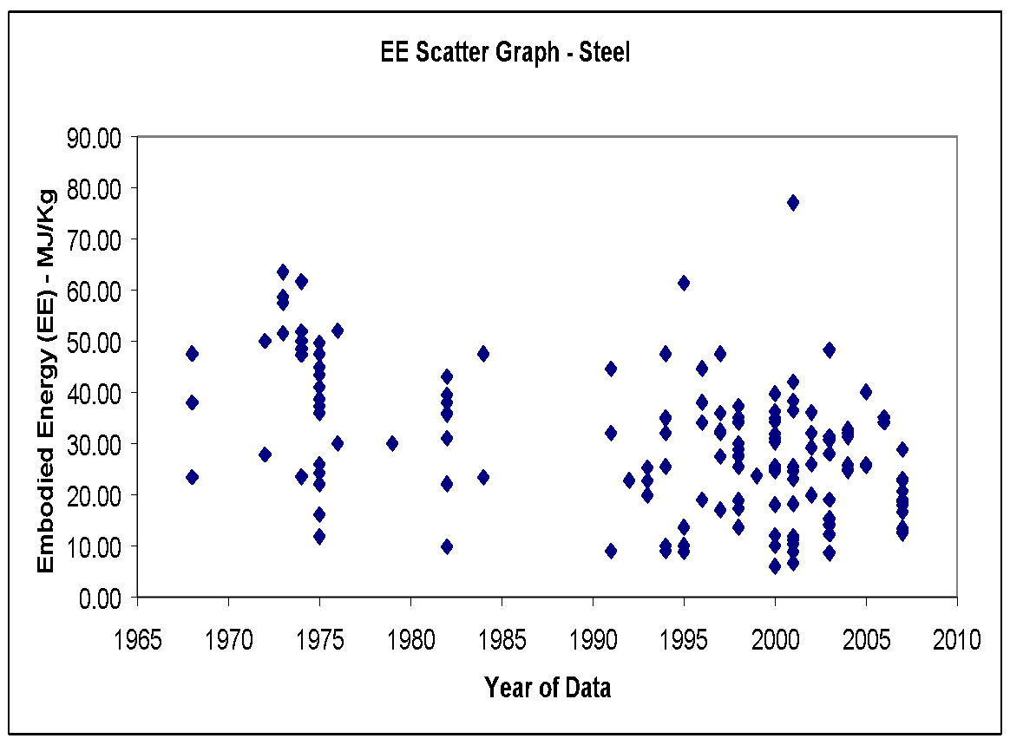 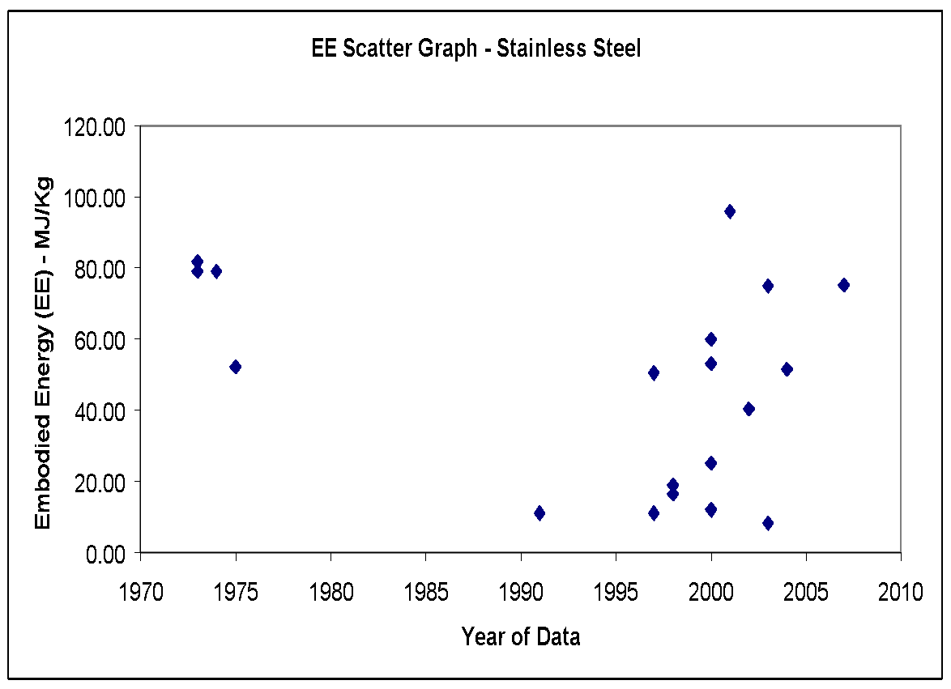 |  |  |  |  |  |  |  |  |  |  |  | A breakdown of fuel use or carbon emissions was not possible. This is because the steel industry is complicated by the production of by-products (which may be allocated energy or carbon credits), excess electricity production (they produce some of their own electricity) and non-fuel related emissions (from the calcination of lime during the production process).

Material Properties (CIBSE Data)
Material |  |  |  |  | Condition |  |  | Thermal conductivity (W m-1 K-1) |  |  | Density (kg m -3) |  | Specific heat (J kg-1 K-1) | Thermal Diffusivity (M^2 S-1)
stainless steel, 5% Ni |  |  |  |  |  |  |  | 29 |  |  | 7850 |  | 480 | 0.000007696390658
stainless steel, 20% Ni |  |  |  |  |  |  |  | 16 |  |  | 8000 |  | 480 | 0.000004166666667
steel |  |  |  |  |  |  |  | 45 |  |  | 7800 |  | 480 | 0.00001201923077

Stone
Return To Main Summary

Material Profile: Stone
Embodied Energy (EE) ICE-Database Statistics - MJ/Kg
Main Material | No. Records | Average EE | Standard Deviation | Minimum EE | Maximum EE | Comments on the Database Statistics:
Stone | 54 | 1.26 | 2.35 | 0.02 | 13.90 | None
Stone, General | 18 | 1.23 | 1.74 | 0.02 | 6.80
Predominantly Recycled | 1 | 0.40 | 0.40 | 0.40 | -
Unspecified | 10 | 1.47 | 2.12 | 0.10 | 6.80
Virgin | 7 | 1.00 | 1.24 | 0.02 | 3.60
Stone, Granite | 5 | 4.10 | 6.01 | 0.10 | 13.90
...
Shale | 0.03 | 0.002 | Cradle to Gate | - | -
Slate | 0.1 to 1.0 | 0.007 to 0.063 | Cradle to Gate | - | - | Large data range

Comments | Several values were selected based on single sources of data, but because of the importance of stone in construction it was decided that these values should be used if they were from a quality data source. Data on stone was generally poor.

Material Scatter Graph |  |  |  | Embodied Energy & Embodied Carbon Split
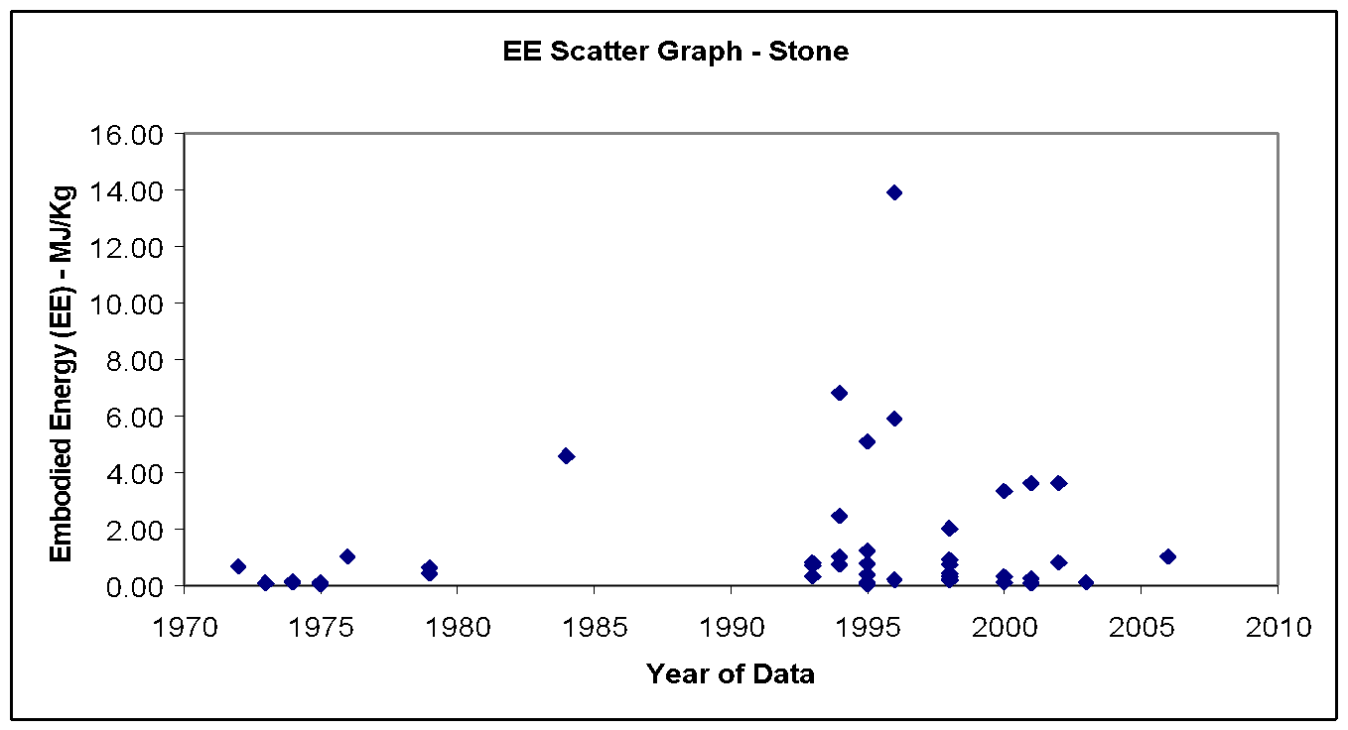 |  |  |  | Energy source | % of Embodied Energy from energy source | % of embodied carbon from source

 |  |  |  | Coal | 0.0% | 0.0%

 |  |  |  | LPG | 0.0% | 0.0%

 |  |  |  | Oil | 50.5% | 54.8%

 |  |  |  | Natural gas | 9.0% | 7.2%

 |  |  |  | Electricity | 40.5% | 38.0%
...
 |  |  |  | Total | 100.0% | 100.0%

 |  |  |  | Comments:

 |  |  |  | The embodied carbon was estimated by using the UK typical fuel split in this industry.

Note Space |  |  |  | Historical embodied carbon per unit fuel use

 |  |  |  | 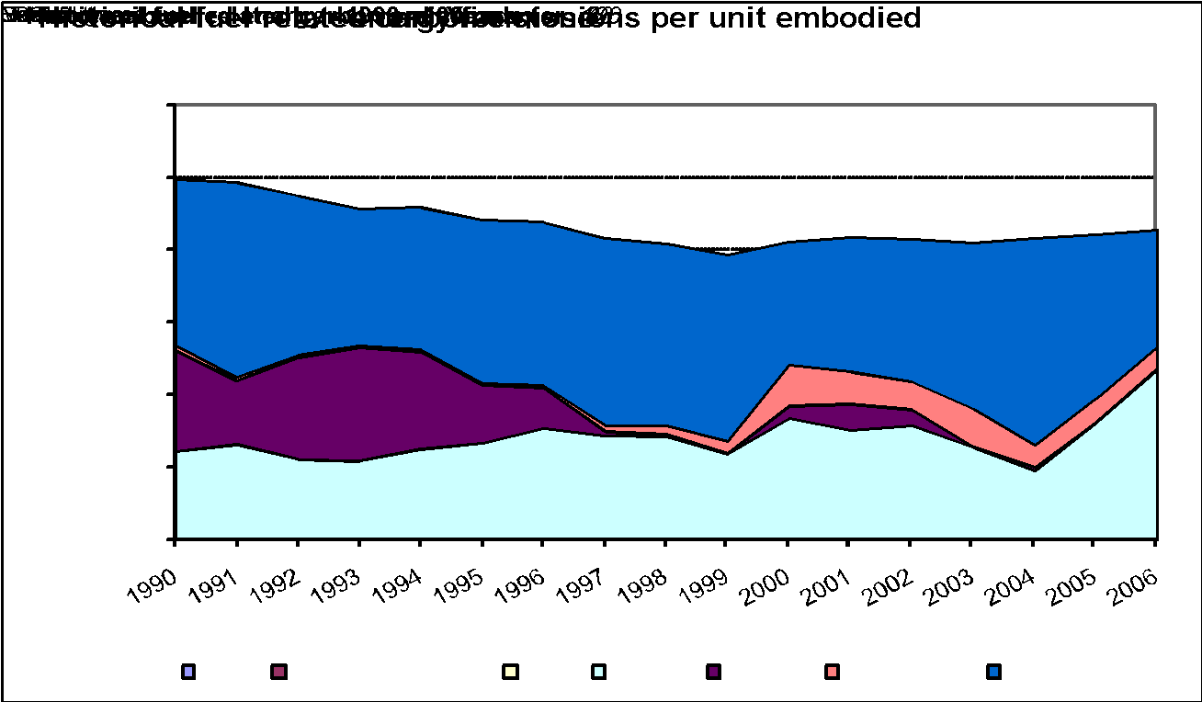
...

Timber
...
Material Profile: Timber
Sawn Softwood | 7.4 | 0.20fos+0.39bio | 0.72 | 13 | Includes 4.2 MJ bio-energy.
Veneer Particleboard (Furniture) | 23 | (?) | (perhaps +/- 40%) |  | Unknown split of fossil based and biogenic fuels.

Comments | Of all the major building materials timber still presents the most difficulties to the ICE database, there are a number of reasons for this. These include a lack of high quality and detailed studies on timber within the UK and EU. The highest quality studies are possibly the CORRIM studies (see references 88, 150) but these are North American studies and the UK consumes very little timber from this region. Other factors include a high element of natural variation, which may include, for example, variations in the moisture content of the trees, variations in the consumption of total energy to manufacture the same timber product, and variations in the fuel mix. The latter is particularly significant to timber manufacturing. Timber off-cuts are often burnt in a furnace to provide energy (normally to dry the timber in a kiln). Large variations in the proportion of embodied energy from this biomass fuel give the data a larger uncertainty than normal. This is also significant because the use of biomass as a fuel may sometimes be assumed to be carbon neutral. The newest ICE data separates the embodied carbon emissions derived from fossil fuels and that from biomass. The two numbers together give the total carbon released if the biomass cannot be considered to be carbon neutral (i.e. if the timber is not from a sustainably managed forest). If the timber is from a sustainably managed forest it is easier to justify the carbon neutrality of burning biomass fuels. In this case the embodied carbon may be taken as the fossil fuel derived carbon only (i.e. the first carbon number). None of the ICE data include the effects of carbon sequestration during the growing of the trees or the biogenic carbon storage within the timber itself. The inclusion or exclusion of sequestered carbon is a complex discussion. The present authors do not believe that this data should be included in the data for cradle to gate. Without including the end of life stage it is difficult to justify.

Material Scatter Graph |  |  | Embodied Energy & Embodied Carbon Split
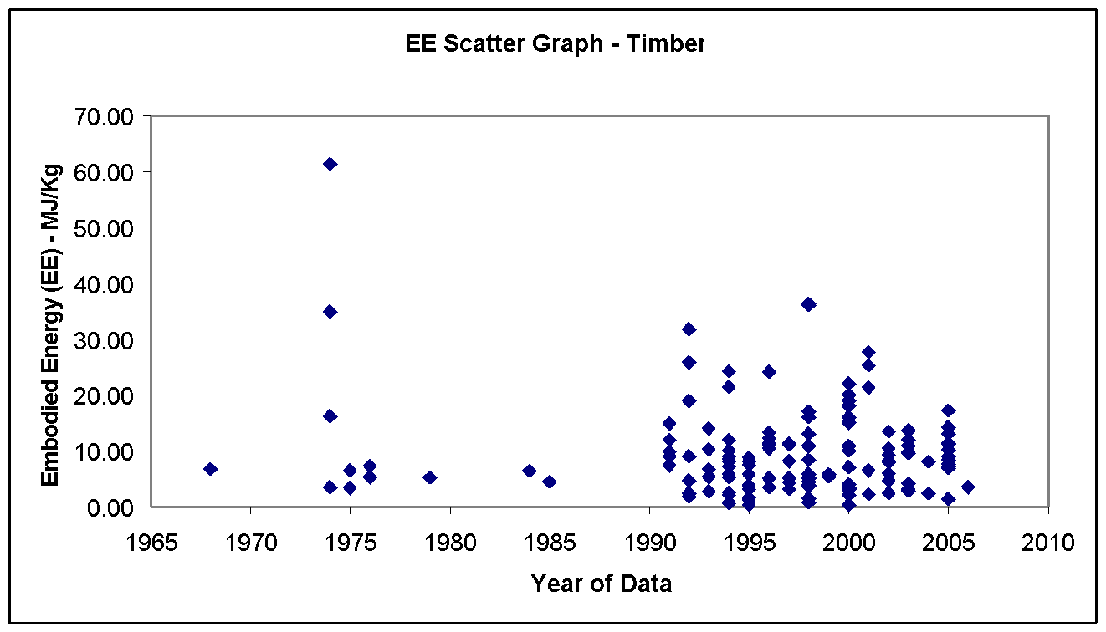 |  |  | Energy source | % of Embodied Energy from energy source | % of embodied carbon from source

 |  |  | Coal | 0.0% | 0.0%

 |  |  | LPG | 0.0% | 0.0%

 |  |  | Oil | 83.9% | 86.3%

 |  |  | Natural gas | 1.5% | 1.1%

 |  |  | Electricity | 14.6% | 12.6%
...

Tin
...
Material Profile: Tin
Tin Coated (Steel) | 19.2 to 54.7 | 1.04 to 2.95 CO2 only | Cradle to Gate | - | - | -
Tin | 250 | 14.5 | Cradle to Gate | 19.5 | 55.5 | lack of modern data, large range of data

Comments | There was a lack of modern data for tin, this is reflected in the scatter graph below. There was also a very large data range, which was considered to be a result of tin coated steel products. These products contain small amounts of tin but are in fact predominantly steel. The confusion of the names may cause inappropriate database entries.

Material Scatter Graph |  |  |  | Embodied Energy & Embodied Carbon Split
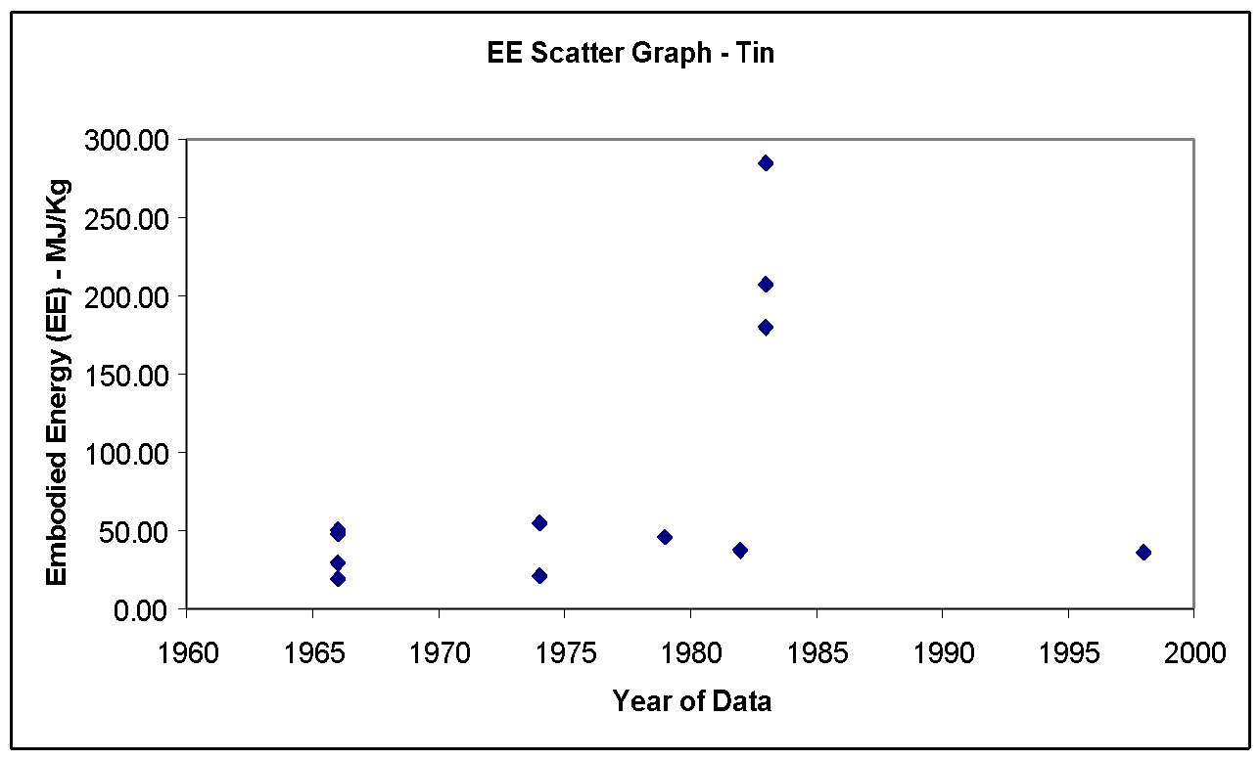 |  |  |  | Energy source | % of Embodied Energy from energy source | % of embodied carbon from energy source

 |  |  |  | Coal | 9.0% | 13.7%

 |  |  |  | LPG | 0.0% | 0.0%

 |  |  |  | Oil | 6.4% | 7.5%

 |  |  |  | Natural gas | 41.0% | 35.1%

 |  |  |  | Electricity | 43.6% | 43.7%
...
 |  |  |  | Comments:

 |  |  |  | The fuel split was taken from the typical UK fuel use in UK tin industry.

Note Space |  |  |  | Historical embodied carbon per unit fuel use

 |  |  |  | 
...

Titanium
...
Material Profile: Titanium
General Primary Titanium | 361 to 745 | 20.6 to 42.5 (??) | Cradle to Gate | - | - | -
General Recycled Titanium | 258 | 14.7 (??) |  | Not enough data |  | -

Comments | There was very limited data. Fortunately titanium is not an important building material, with very limited use in construction and in buildings. However, unlike aluminium it does not appear that the benefits of recycled material could help offset the high burden of primary material production. Both recycled and primary titanium have a very high embodied energy.

Material Scatter Graph |  |  |  | Embodied Energy & Embodied Carbon Split
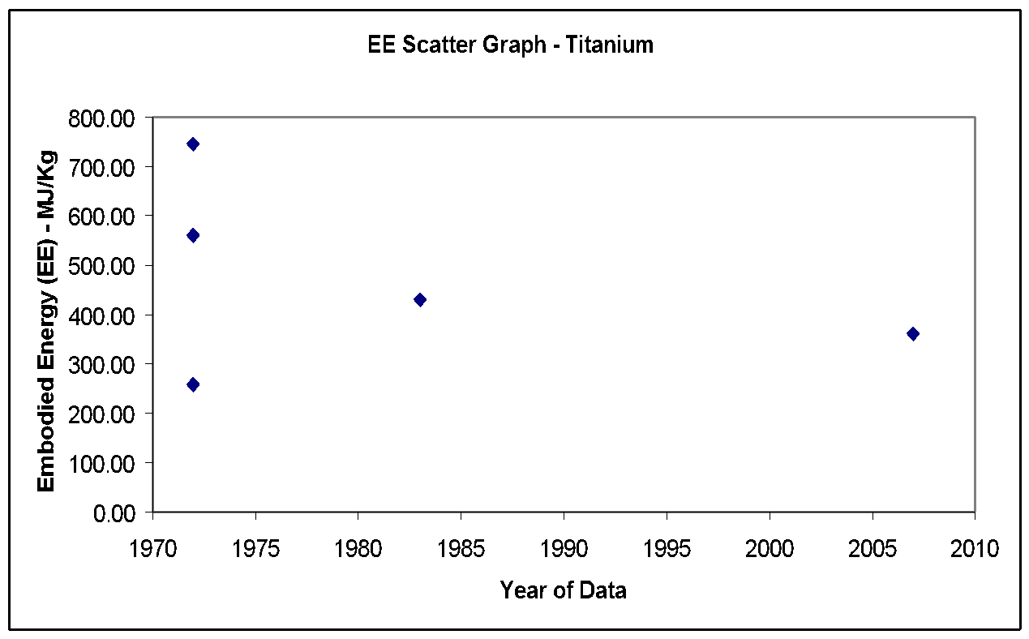 |  |  |  | No fuel split or embodied carbon breakdown was available.

Vinyl Flooring
...
Material Profile: Vinyl Flooring
General Vinyl Flooring | 65.64 | 23.58 | 2.29 CO2 only | Cradle to Gate | 11.8 | 96
Vinyl Composite Tiles (VCT) | 13.7 | ? | ? | Cradle to Grave | Not enough data to specify a range.

Comments | It should be noted that in the below scatter graph most of the specified values include feedstock energy. It is not possible from the scatter graph alone to determine which include and which exclude feedstock energy. This additional data was considered during the selection of best values.

Material Scatter Graph |  |  |  |  | Embodied Energy & Embodied Carbon Split
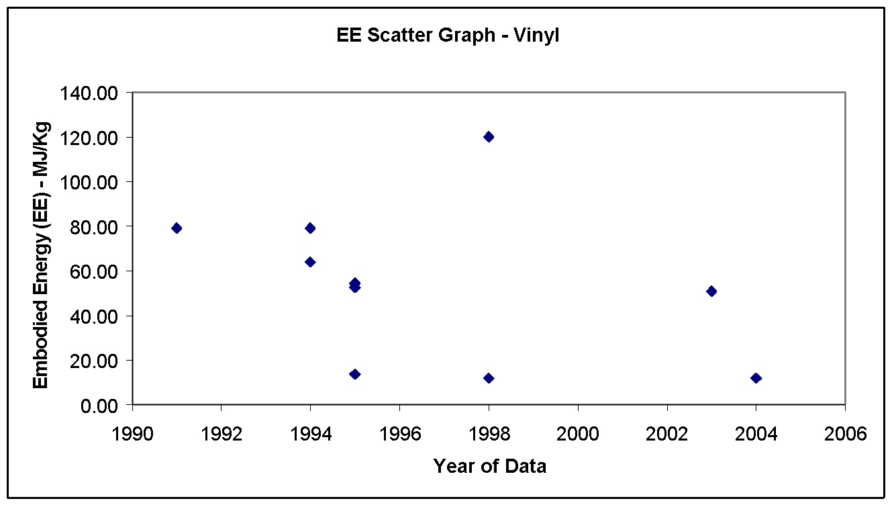 |  |  |  |  | Energy source | % of Embodied Energy from energy source

 |  |  |  |  | Electricity | 41.8%

 |  |  |  |  | Oil fuels | 15.1%

 |  |  |  |  | Other Fuels | 43.1%

 |  |  |  |  | Total | 100.0%

 |  |  |  |  | Comments:
...

Zinc
...
Material Profile: Zinc
Primary Zinc | 72.0 | 4.18 | 57 | 87
Secondary Zinc | 9.0 | 0.52 | 7.5 | 10.5 | Limited data.

Comments | None

Material Scatter Graph |  |  | Embodied Energy & Embodied Carbon Split
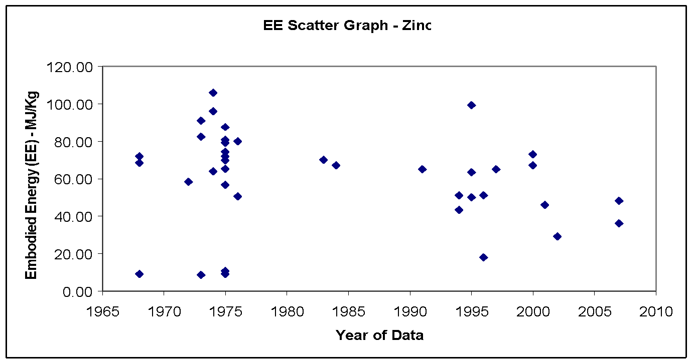 |  |  | Energy source | % of Embodied Energy from energy source | % of embodied carbon from source

 |  |  | Coal | 9.0% | 13.7%

 |  |  | LPG | 0.0% | 0.0%

 |  |  | Oil | 6.4% | 7.5%

 |  |  | Natural gas | 41.0% | 35.1%

 |  |  | Electricity | 43.6% | 43.7%
...
 |  |  | Total | 100.0% | 100.0%

 |  |  | Comments:

 |  |  | Not enough data for accurate range. Likely to be high.

Note Space |  |  | Historical embodied carbon per unit fuel use

 |  |  | 
...

